chl
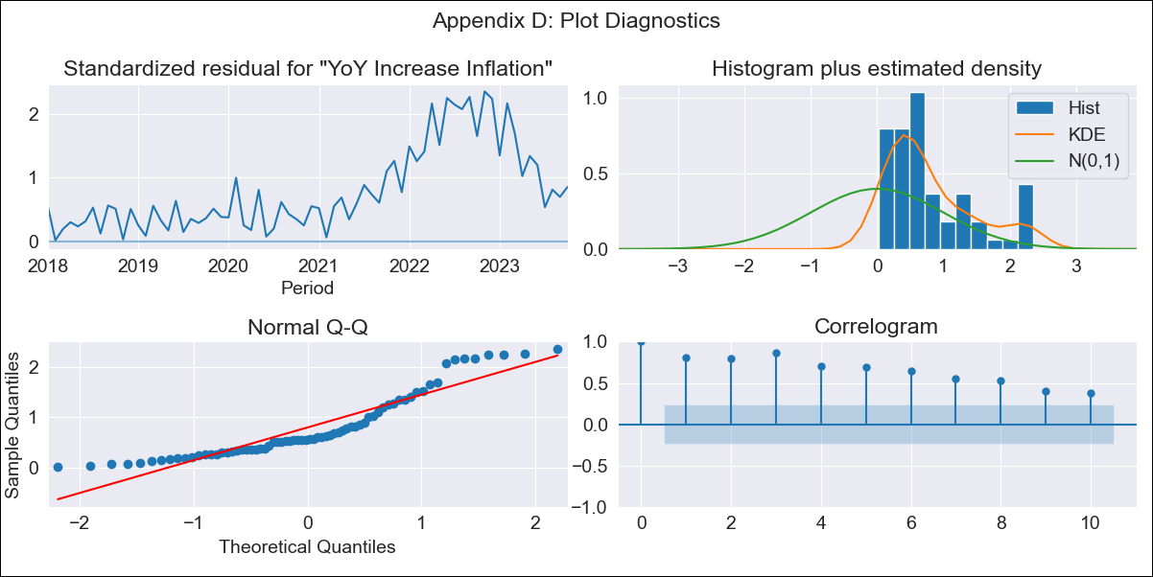
chl - Inflation - Next 12 months forecast as of: 2023-10-01

Model | VARMAX - (0, 2, 2, 0, 0, 1, 12) | Exogenous Variables | Expectativas de inflación en 11 meses
Training Data | 2018-01-01 to 2022-11-01
Test Data | 2022-11-01 to 2023-10-01

Date | Inflation Change YoY % | Lower Bound - 95% Confidence Interval | Upper Bound - 95% Confidence Interval
2023-11-01 | 3.41 | -1.96 | 8.78
2023-12-01 | 0.93 | -6.31 | 8.17
2024-01-01 | 0 | -7.8 | 7.8
2024-02-01 | 0 | -7.8 | 7.8
2024-03-01 | 0 | -7.8 | 7.8
2024-04-01 | 0 | -7.8 | 7.8
2024-05-01 | 0 | -7.8 | 7.8
2024-06-01 | 0 | -7.8 | 7.8
2024-07-01 | 0 | -7.8 | 7.8
2024-08-01 | 0 | -7.8 | 7.8
2024-09-01 | 0 | -7.8 | 7.8
2024-10-01 | 0 | -7.8 | 7.8

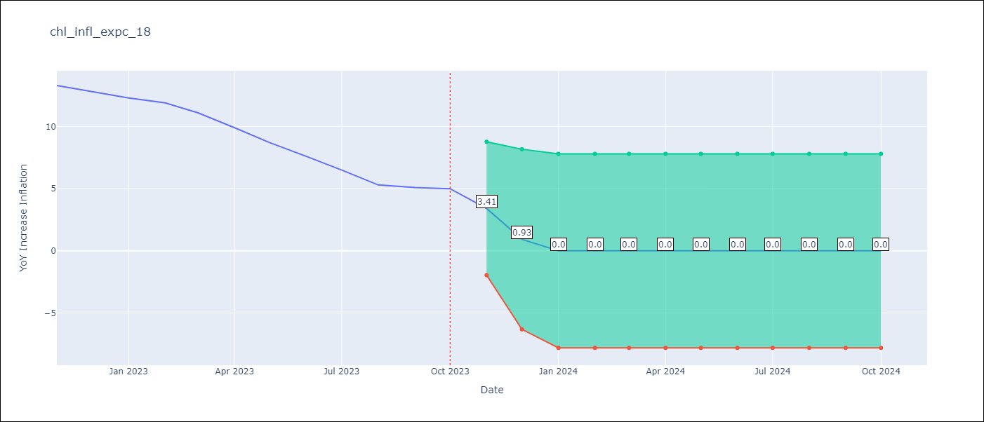

Test Metrics
RMSE | 8.78
Naive RMSE | 0.86
MAPE | 94.44%

Test Predictions
Date | Predicted | Actual
2022-11-01 | 6.26 | 13.3
2022-12-01 | 2.52 | 12.8
2023-01-01 | 0 | 12.3
2023-02-01 | 0 | 11.9
2023-03-01 | 0 | 11.1
2023-04-01 | 0 | 9.9
2023-05-01 | 0 | 8.7
2023-06-01 | 0 | 7.6
2023-07-01 | 0 | 6.5
2023-08-01 | 0 | 5.3
2023-09-01 | 0 | 5.1
2023-10-01 | 0 | 5

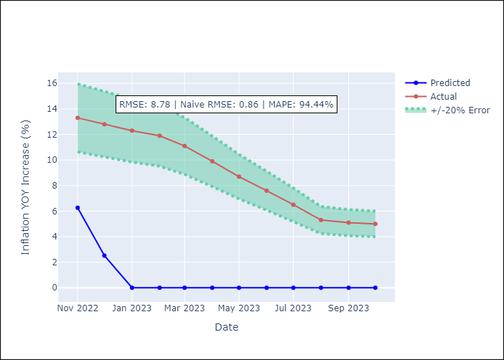

Appendix A: Model Summary
Model | VMA(2)
Sample | - 10-01-2023opg
No. of Observations | 70
Terms | P-value (Statistical significance)
L1.e(YoY Increase Inflation) | 0.910
L1.e(Expectativas de inflación en 11 meses) | 0.333
L2.e(YoY Increase Inflation) | 0.176
L2.e(Expectativas de inflación en 11 meses) | 0.575
Assumptions | P-value
Ljung-Box (L1) | 0.00, 0.00
Heteroskedasticity | 0.00, 0.06
Jarque-Bera | 0.00, 0.00
Skew | 1.05, -1.16
Kurtosis | 3.00, 3.79

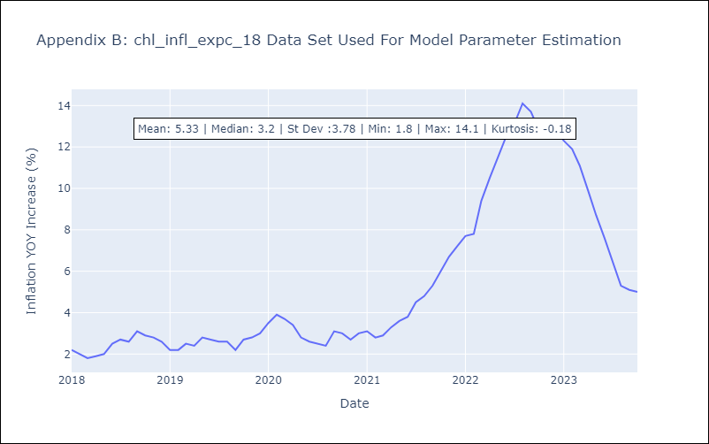

Appendix C: Residuals Analysis
Mean | 2.2
White Noise? | No - Correlation at Lags [ 1 2 3 4 5 6 7 8 9 10 11 12]
Normal? | No

