chl
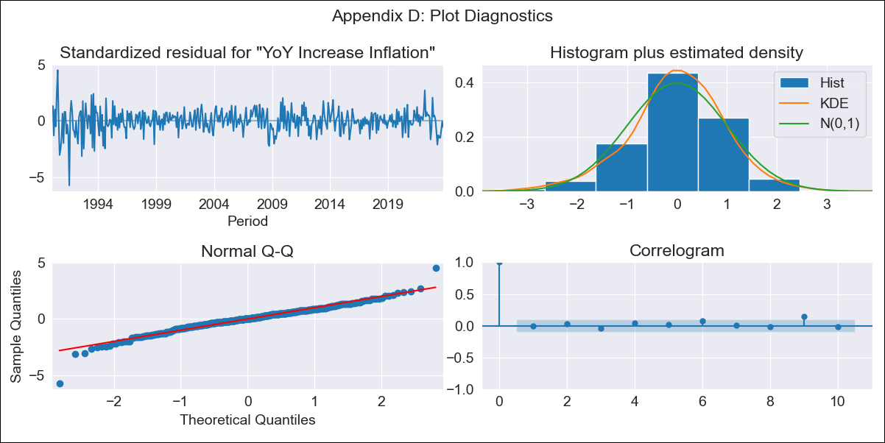
chl - Inflation - Next 12 months forecast as of: 2023-10-01

Model | VARMAX - (3, 2, 3, 2, 0, 0, 12) | Exogenous Variables | Expectativas de inflación en 11 meses
Training Data | 1990-01-01 to 2022-11-01
Test Data | 2022-11-01 to 2023-10-01

Date | Inflation Change YoY % | Lower Bound - 95% Confidence Interval | Upper Bound - 95% Confidence Interval
2023-11-01 | 4.66 | 3.63 | 5.68
2023-12-01 | 4.78 | 3 | 6.56
2024-01-01 | 4.65 | 2.15 | 7.16
2024-02-01 | 4.51 | 1.39 | 7.62
2024-03-01 | 4.7 | 1.07 | 8.34
2024-04-01 | 4.58 | 0.5 | 8.65
2024-05-01 | 4.66 | 0.27 | 9.06
2024-06-01 | 4.78 | 0.09 | 9.46
2024-07-01 | 4.63 | -0.32 | 9.59
2024-08-01 | 4.76 | -0.44 | 9.95
2024-09-01 | 4.71 | -0.75 | 10.16
2024-10-01 | 4.64 | -1.06 | 10.34

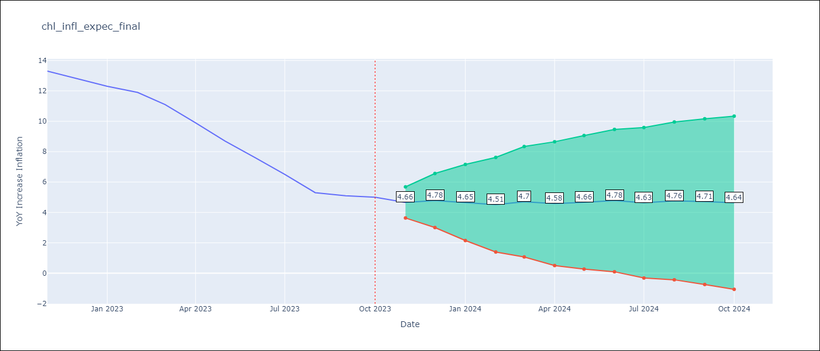

Test Metrics
RMSE | 2.98
Naive RMSE | 0.86
MAPE | 38.12%

Test Predictions
Date | Predicted | Actual
2022-11-01 | 11.88 | 13.3
2022-12-01 | 11.52 | 12.8
2023-01-01 | 10.99 | 12.3
2023-02-01 | 10.9 | 11.9
2023-03-01 | 10.62 | 11.1
2023-04-01 | 10.63 | 9.9
2023-05-01 | 10.43 | 8.7
2023-06-01 | 10.42 | 7.6
2023-07-01 | 10.25 | 6.5
2023-08-01 | 10.22 | 5.3
2023-09-01 | 10.09 | 5.1
2023-10-01 | 10.04 | 5

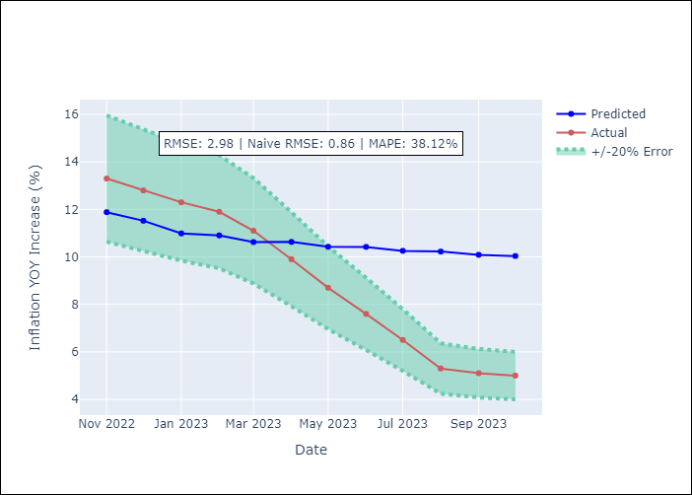

Appendix A: Model Summary
Model | VARMA(3,3)
Sample | - 10-01-2023opg
No. of Observations | 406
Terms | P-value (Statistical significance)
L1.YoY Increase Inflation | 0.113
L1.Expectativas de inflación en 11 meses | 0.820
L2.YoY Increase Inflation | 0.192
L2.Expectativas de inflación en 11 meses | 0.048
L3.YoY Increase Inflation | 0.394
L3.Expectativas de inflación en 11 meses | 0.001
L1.e(YoY Increase Inflation) | 0.011
L1.e(Expectativas de inflación en 11 meses) | 0.202
L2.e(YoY Increase Inflation) | 0.257
L2.e(Expectativas de inflación en 11 meses) | 0.210
L3.e(YoY Increase Inflation) | 0.340
L3.e(Expectativas de inflación en 11 meses) | 0.440
Assumptions | P-value
Ljung-Box (L1) | 0.88, nan
Heteroskedasticity | 0.00, nan
Jarque-Bera | 0.00, 0.00
Skew | -0.47, 0.53
Kurtosis | 6.38, 4.77

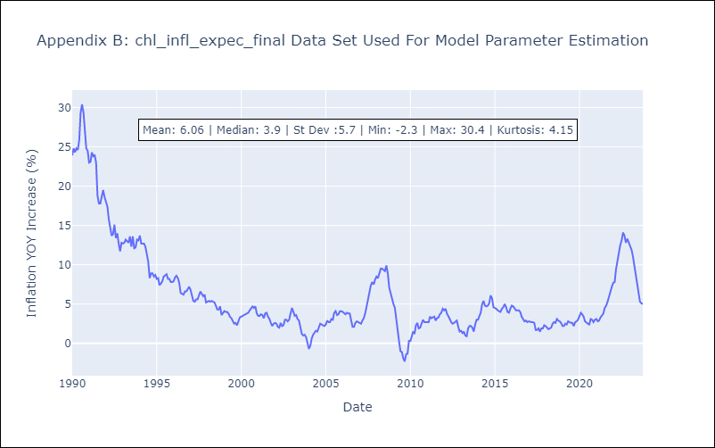

Appendix C: Residuals Analysis
Mean | 0.05
White Noise? | Yes
Normal? | Yes

