chl
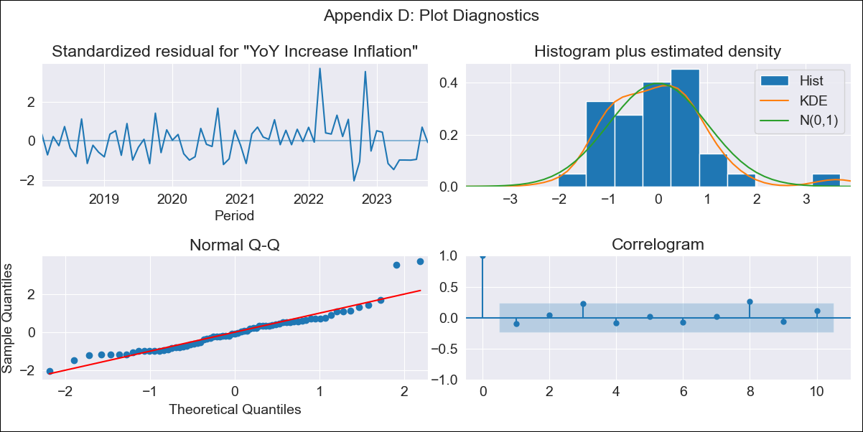
chl - Inflation - Next 12 months forecast as of: 2023-10-01

Model | VARMAX - (2, 2, 0, 2, 0, 0, 12) | Exogenous Variables | Expectativas de inflación en 11 meses
Training Data | 2018-02-01 to 2022-11-01
Test Data | 2022-11-01 to 2023-10-01

Date | Inflation Change YoY % | Lower Bound - 95% Confidence Interval | Upper Bound - 95% Confidence Interval
2023-11-01 | 4.91 | 4.11 | 5.7
2023-12-01 | 4.84 | 3.37 | 6.32
2024-01-01 | 4.8 | 2.68 | 6.92
2024-02-01 | 4.78 | 2.07 | 7.48
2024-03-01 | 4.76 | 1.53 | 7.99
2024-04-01 | 4.74 | 1.05 | 8.44
2024-05-01 | 4.73 | 0.63 | 8.83
2024-06-01 | 4.72 | 0.26 | 9.18
2024-07-01 | 4.71 | -0.06 | 9.48
2024-08-01 | 4.7 | -0.34 | 9.74
2024-09-01 | 4.68 | -0.6 | 9.97
2024-10-01 | 4.67 | -0.83 | 10.17

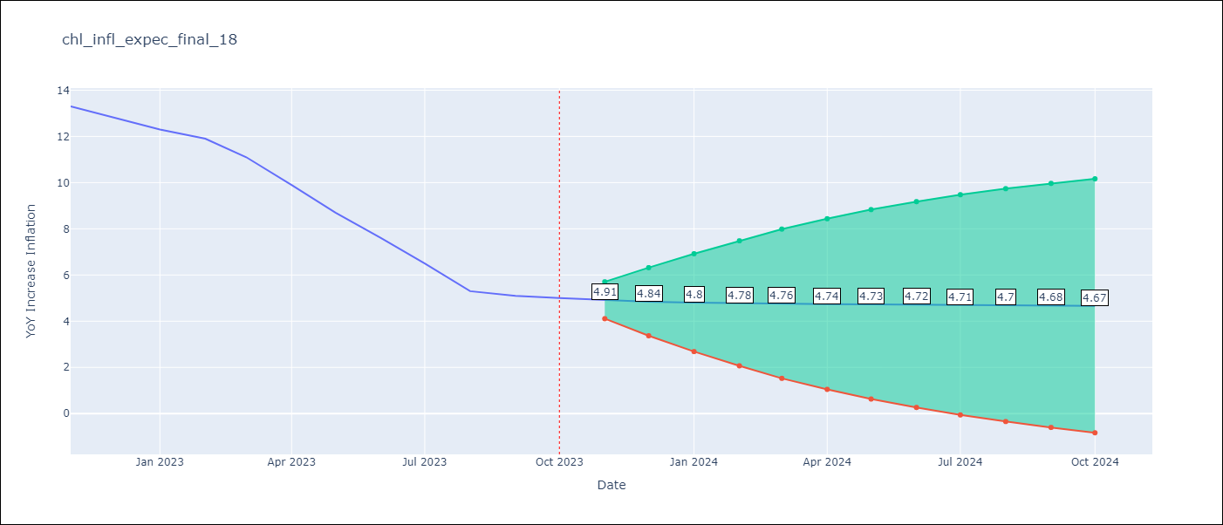

Test Metrics
RMSE | 1.74
Naive RMSE | 0.86
MAPE | 22.05%

Test Predictions
Date | Predicted | Actual
2022-11-01 | 11.94 | 13.3
2022-12-01 | 11.3 | 12.8
2023-01-01 | 10.76 | 12.3
2023-02-01 | 10.29 | 11.9
2023-03-01 | 9.87 | 11.1
2023-04-01 | 9.48 | 9.9
2023-05-01 | 9.11 | 8.7
2023-06-01 | 8.76 | 7.6
2023-07-01 | 8.41 | 6.5
2023-08-01 | 8.07 | 5.3
2023-09-01 | 7.73 | 5.1
2023-10-01 | 7.39 | 5

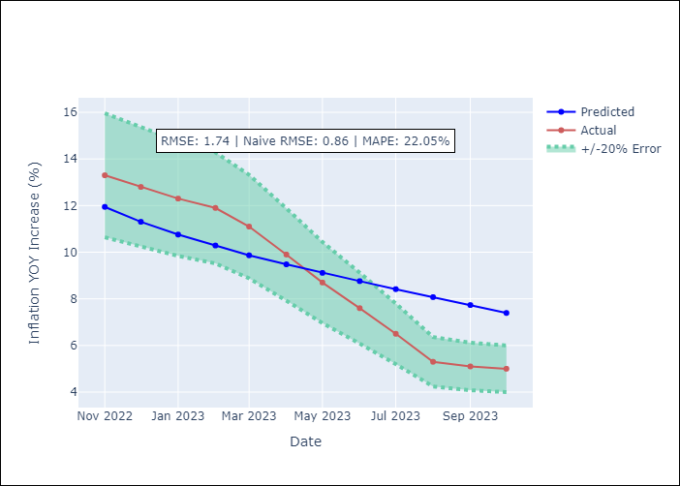

Appendix A: Model Summary
Model | VAR(2)
Sample | - 10-01-2023opg
No. of Observations | 69
Terms | P-value (Statistical significance)
L1.YoY Increase Inflation | 0.000
L1.Expectativas de inflación en 11 meses | 0.050
L2.YoY Increase Inflation | 0.008
L2.Expectativas de inflación en 11 meses | 0.078
Assumptions | P-value
Ljung-Box (L1) | 0.40, 0.88
Heteroskedasticity | 0.00, 0.02
Jarque-Bera | 0.00, 0.01
Skew | 1.20, 0.66
Kurtosis | 6.02, 4.36

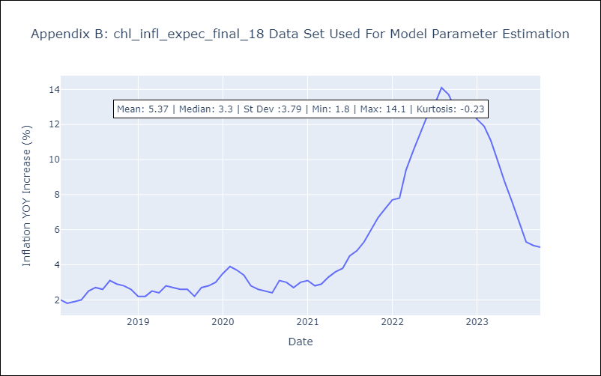

Appendix C: Residuals Analysis
Mean | 0.03
White Noise? | Yes
Normal? | No

