chl
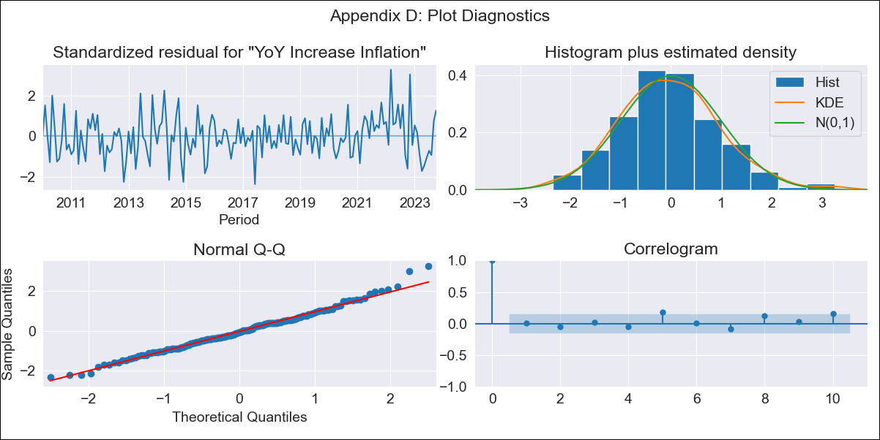
chl - Inflation - Next 12 months forecast as of: 2023-10-01

Model | VARMAX - (2, 1, 2, 0, 0, 1, 12) | Exogenous Variables | Expectativas de inflación en 11 meses, 2.CPI without volatiles, 5.CPI Volatile
Training Data | 2010-01-01 to 2022-11-01
Test Data | 2022-11-01 to 2023-10-01

Date | Inflation Change YoY % | Lower Bound - 95% Confidence Interval | Upper Bound - 95% Confidence Interval
2023-11-01 | 4.66 | 3.87 | 5.45
2023-12-01 | 4.46 | 3.16 | 5.75
2024-01-01 | 4.31 | 2.59 | 6.03
2024-02-01 | 4.16 | 2.03 | 6.29
2024-03-01 | 4.03 | 1.53 | 6.53
2024-04-01 | 3.91 | 1.08 | 6.74
2024-05-01 | 3.8 | 0.67 | 6.93
2024-06-01 | 3.71 | 0.31 | 7.1
2024-07-01 | 3.63 | 0 | 7.26
2024-08-01 | 3.57 | -0.27 | 7.41
2024-09-01 | 3.52 | -0.51 | 7.54
2024-10-01 | 3.48 | -0.72 | 7.67

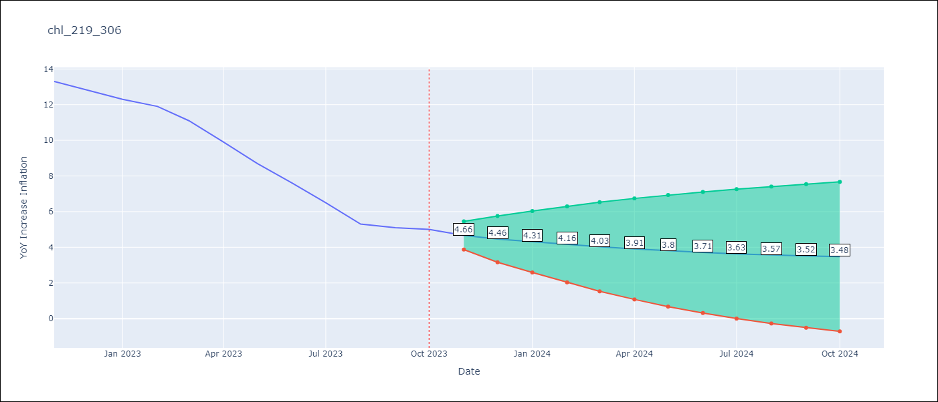

Test Metrics
RMSE | 2.22
Naive RMSE | 0.86
MAPE | 28.39%

Test Predictions
Date | Predicted | Actual
2022-11-01 | 12.21 | 13.3
2022-12-01 | 11.81 | 12.8
2023-01-01 | 11.54 | 12.3
2023-02-01 | 11.21 | 11.9
2023-03-01 | 10.86 | 11.1
2023-04-01 | 10.53 | 9.9
2023-05-01 | 10.17 | 8.7
2023-06-01 | 9.82 | 7.6
2023-07-01 | 9.47 | 6.5
2023-08-01 | 9.12 | 5.3
2023-09-01 | 8.77 | 5.1
2023-10-01 | 8.43 | 5

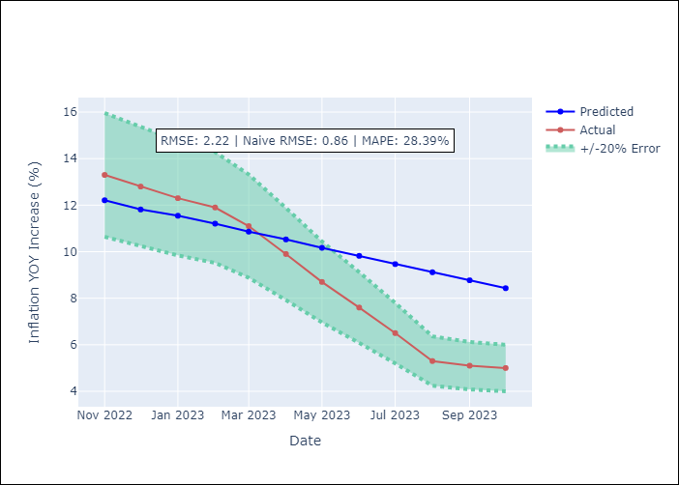

Appendix A: Model Summary
Model | VARMA(2,2)
Sample | - 10-01-2023opg
No. of Observations | 166
Terms | P-value (Statistical significance)
L1.YoY Increase Inflation | 0.790
L1.Expectativas de inflación en 11 meses | 0.898
L1.2.CPI without volatiles | 0.550
L1.5.CPI Volatile | 0.786
L2.YoY Increase Inflation | 0.883
L2.Expectativas de inflación en 11 meses | 0.907
L2.2.CPI without volatiles | 0.657
L2.5.CPI Volatile | 0.661
L1.e(YoY Increase Inflation) | 0.953
L1.e(Expectativas de inflación en 11 meses) | 0.996
L1.e(2.CPI without volatiles) | 0.844
L1.e(5.CPI Volatile) | 0.947
L2.e(YoY Increase Inflation) | 0.836
L2.e(Expectativas de inflación en 11 meses) | 0.720
L2.e(2.CPI without volatiles) | 0.287
L2.e(5.CPI Volatile) | 0.955
Assumptions | P-value
Ljung-Box (L1) | 0.94, 0.74, 0.85, 0.00
Heteroskedasticity | 0.96, 0.02, 0.05, 0.00
Jarque-Bera | 0.12, 0.00, 0.03, 0.00
Skew | 0.33, 0.31, -0.44, 0.07
Kurtosis | 3.43, 4.57, 3.46, 9.33

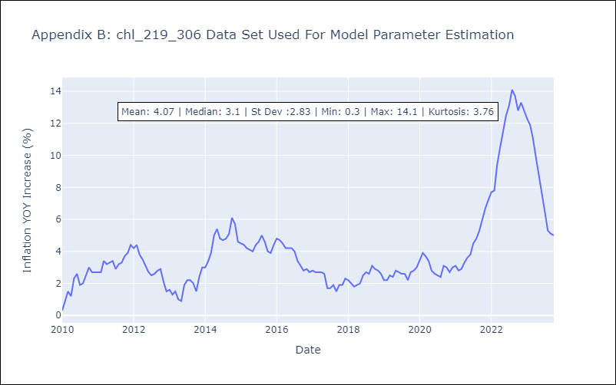

Appendix C: Residuals Analysis
Mean | -0.01
White Noise? | No - Correlation at Lags [12]
Normal? | No

