chl
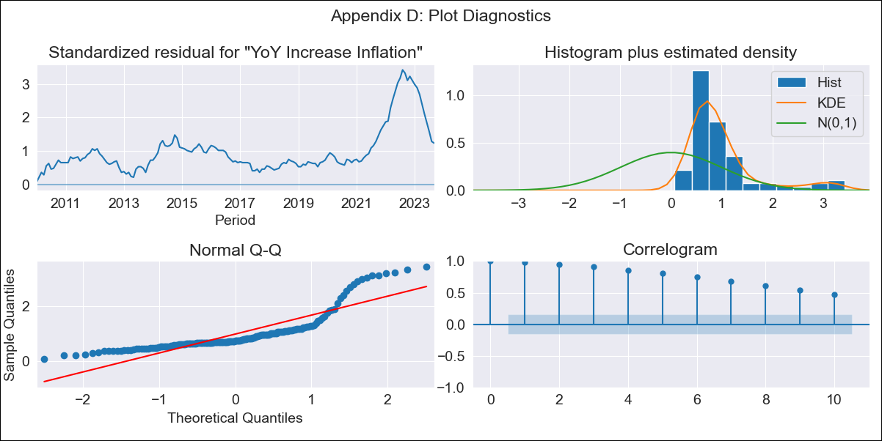
chl - Inflation - Next 12 months forecast as of: 2023-09-01

Model | VARMAX - (1, 1, 1, 0, 0, 1, 12) | Exogenous Variables | Consumo Final Efectivo, Ahorro Bruto, Deposit Interest Rates (90 - 365 days) -Nominal, Current Account, 2.CPI without volatiles, 5.CPI Volatile, 8.CPI Rest of volatiles, M1_money_supply, Observed pesos/dollar , Expectativas de inflación en 11 meses, 6.Economic perception index, Uncertainty Index_Chile, General wage index, Unemployment rate
Training Data | 2010-01-01 to 2022-10-01
Test Data | 2022-10-01 to 2023-09-01

Date | Inflation Change YoY % | Lower Bound - 95% Confidence Interval | Upper Bound - 95% Confidence Interval
2023-10-01 | 0 | -8.07 | 8.07
2023-11-01 | 0 | -8.07 | 8.07
2023-12-01 | 0 | -8.07 | 8.07
2024-01-01 | 0 | -8.07 | 8.07
2024-02-01 | 0 | -8.07 | 8.07
2024-03-01 | 0 | -8.07 | 8.07
2024-04-01 | 0 | -8.07 | 8.07
2024-05-01 | 0 | -8.07 | 8.07
2024-06-01 | 0 | -8.07 | 8.07
2024-07-01 | 0 | -8.07 | 8.07
2024-08-01 | 0 | -8.07 | 8.07
2024-09-01 | 0 | -8.07 | 8.07

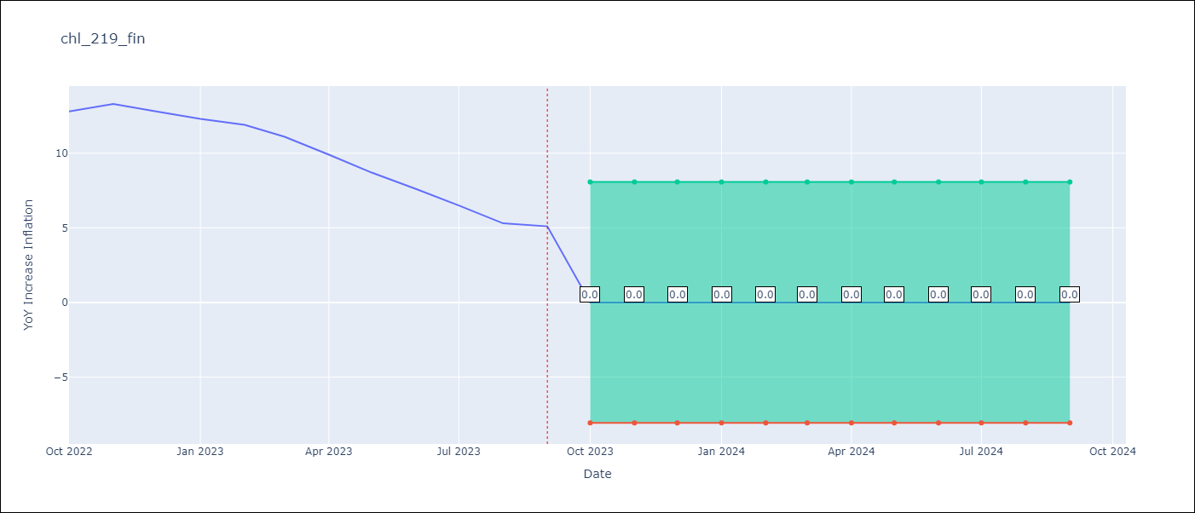

Test Metrics
RMSE | 10.2
Naive RMSE | 0.87
MAPE | 100.0%

Test Predictions
Date | Predicted | Actual
2022-10-01 | 0 | 12.8
2022-11-01 | 0 | 13.3
2022-12-01 | 0 | 12.8
2023-01-01 | 0 | 12.3
2023-02-01 | 0 | 11.9
2023-03-01 | 0 | 11.1
2023-04-01 | 0 | 9.9
2023-05-01 | 0 | 8.7
2023-06-01 | 0 | 7.6
2023-07-01 | 0 | 6.5
2023-08-01 | 0 | 5.3
2023-09-01 | 0 | 5.1

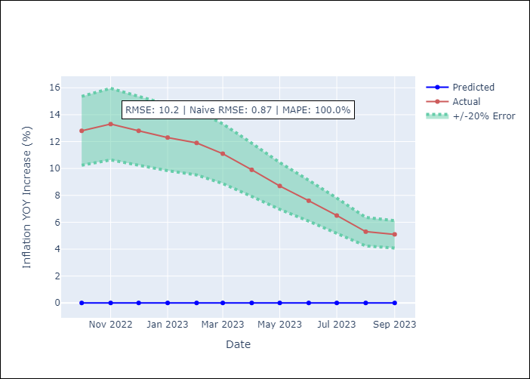

Appendix A: Model Summary
Model | VARMA(1,1)
Sample | - 09-01-2023opg
No. of Observations | 165
Terms | P-value (Statistical significance)
L1.YoY Increase Inflation | 1.000
L1.Consumo Final Efectivo | 1.000
L1.Ahorro Bruto | 1.000
L1.Deposit Interest Rates (90 - 365 days) -Nominal | 1.000
L1.Current Account | 1.000
L1.2.CPI without volatiles | 1.000
L1.5.CPI Volatile | 1.000
L1.8.CPI Rest of volatiles | 1.000
L1.M1_money_supply | 1.000
L1.Observed pesos/dollar | 1.000
L1.Expectativas de inflación en 11 meses | 1.000
L1.6.Economic perception index | 1.000
L1.Uncertainty Index_Chile | 1.000
L1.General wage index | 1.000
L1.Unemployment rate | 1.000
L1.e(YoY Increase Inflation) | 1.000
L1.e(Consumo Final Efectivo) | 1.000
L1.e(Ahorro Bruto) | 1.000
L1.e(Deposit Interest Rates (90 - 365 days) -Nominal) | 1.000
L1.e(Current Account) | 1.000
L1.e(2.CPI without volatiles) | 1.000
L1.e(5.CPI Volatile) | 1.000
L1.e(8.CPI Rest of volatiles) | 1.000
L1.e(M1_money_supply) | 1.000
L1.e(Observed pesos/dollar ) | 1.000
L1.e(Expectativas de inflación en 11 meses) | 1.000
L1.e(6.Economic perception index) | 1.000
L1.e(Uncertainty Index_Chile) | 1.000
L1.e(General wage index) | 1.000
L1.e(Unemployment rate) | 1.000
Assumptions | P-value
Ljung-Box (L1) | 0.00, 0.00, 0.00, 0.00, 0.00, 0.00, 0.00, 0.00, 0.00, 0.00, 0.00, 0.00, 0.00, 0.00, 0.00
Heteroskedasticity | 0.00, 0.00, 0.93, 0.14, 0.00, 0.00, 0.49, 0.61, 0.00, 0.13, 0.62, 0.85, 0.00, 0.38, 0.13
Jarque-Bera | 0.00, 0.00, 0.91, 0.78, 0.01, 0.02, 0.00, 0.50, 0.01, 0.07, 0.17, 0.00, 0.00, 0.80, 0.23
Skew | 2.01, 1.98, 0.04, -0.07, -0.57, 0.52, 0.87, 0.10, 0.57, 0.05, 0.10, -0.81, 0.63, -0.11, 0.28
Kurtosis | 6.60, 6.36, 3.14, 2.77, 3.29, 3.39, 3.65, 3.40, 3.30, 2.14, 2.31, 4.08, 2.68, 2.89, 3.32

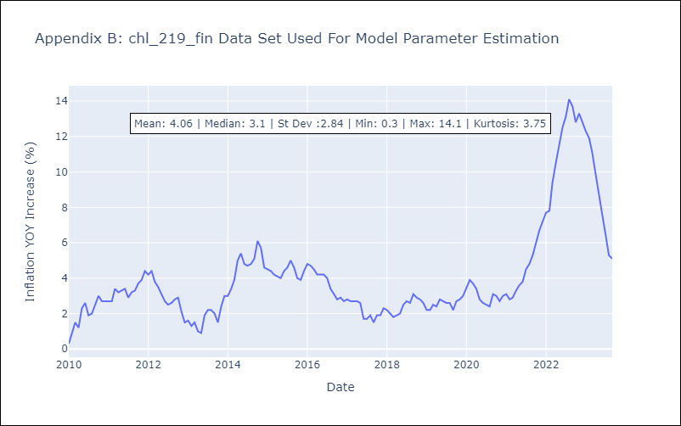

Appendix C: Residuals Analysis
Mean | 4.06
White Noise? | No - Correlation at Lags [ 1 2 3 4 5 6 7 8 9 10 11 12]
Normal? | No

