CHL
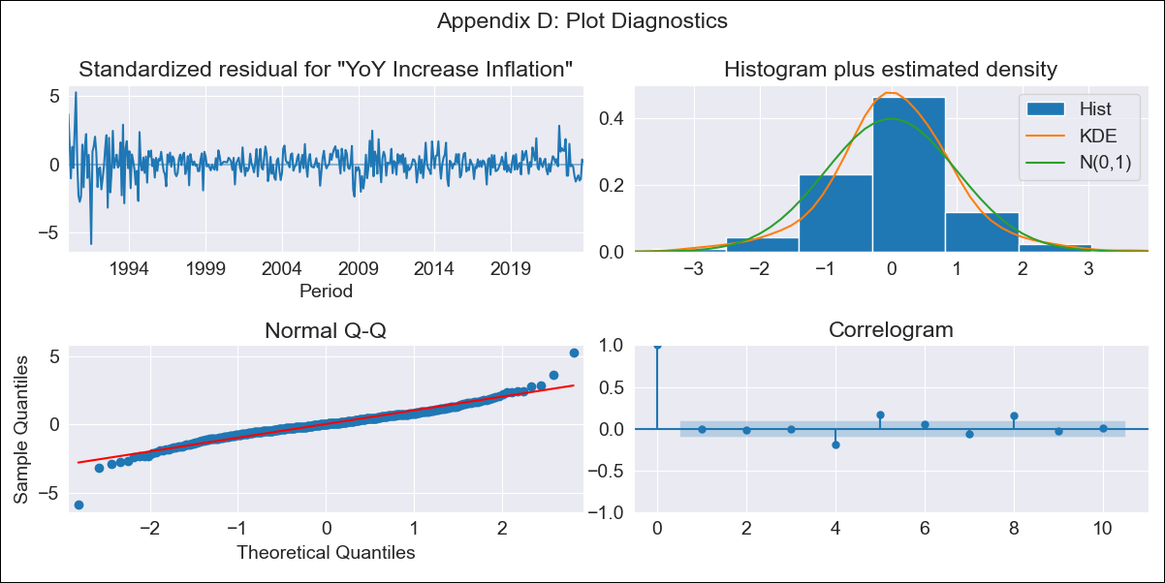
CHL - Inflation - Next 12 months forecast as of: 2023-10-01

Model | VARMAX - (3, 2, 3, 2, 0, 0, 12) | Exogenous Variables | PIB, Imacec
Training Data | 1990-01-01 to 2022-11-01
Test Data | 2022-11-01 to 2023-10-01

Date | Inflation Change YoY % | Lower Bound - 95% Confidence Interval | Upper Bound - 95% Confidence Interval
2023-11-01 | 5.42 | 4.27 | 6.58
2023-12-01 | 5.42 | 3.55 | 7.3
2024-01-01 | 5.56 | 3.08 | 8.03
2024-02-01 | 5.37 | 2.34 | 8.41
2024-03-01 | 5.25 | 1.73 | 8.76
2024-04-01 | 5.09 | 1.15 | 9.04
2024-05-01 | 4.96 | 0.62 | 9.29
2024-06-01 | 4.82 | 0.12 | 9.52
2024-07-01 | 4.7 | -0.34 | 9.74
2024-08-01 | 4.58 | -0.78 | 9.94
2024-09-01 | 4.47 | -1.19 | 10.13
2024-10-01 | 4.37 | -1.58 | 10.31

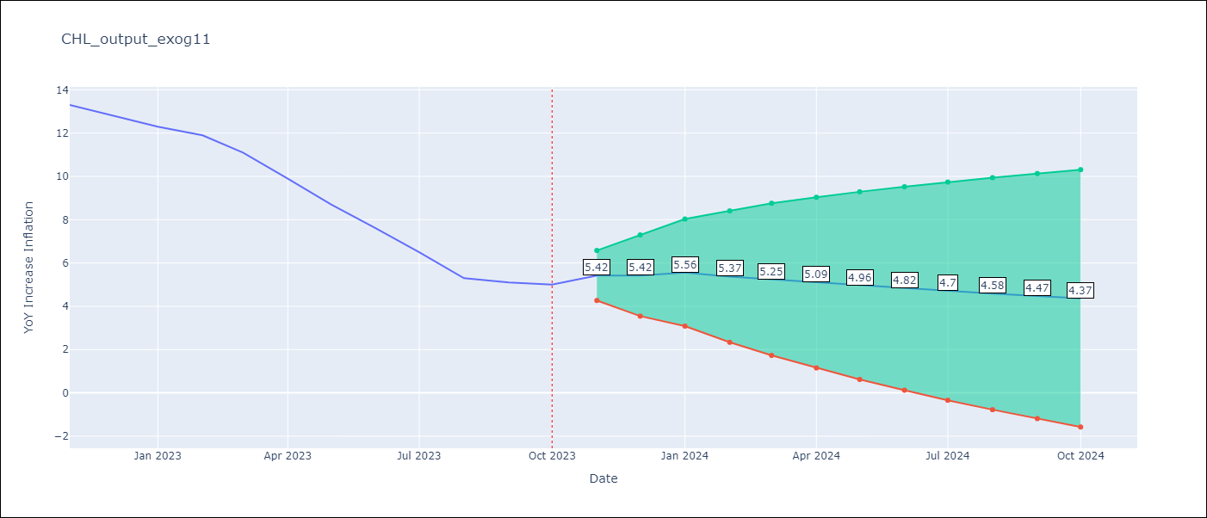

Test Metrics
RMSE | 4.13
Naive RMSE | 0.86
MAPE | 51.82%

Test Predictions
Date | Predicted | Actual
2022-11-01 | 12.48 | 13.3
2022-12-01 | 12.31 | 12.8
2023-01-01 | 12.18 | 12.3
2023-02-01 | 12.19 | 11.9
2023-03-01 | 12.21 | 11.1
2023-04-01 | 12.13 | 9.9
2023-05-01 | 12.03 | 8.7
2023-06-01 | 11.99 | 7.6
2023-07-01 | 11.99 | 6.5
2023-08-01 | 11.95 | 5.3
2023-09-01 | 11.88 | 5.1
2023-10-01 | 11.85 | 5

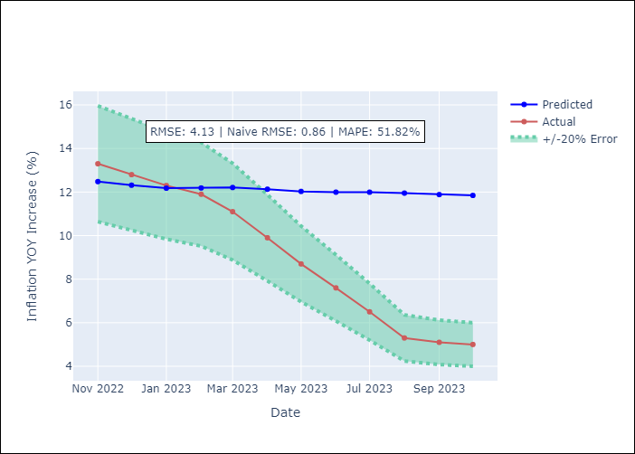

Appendix A: Model Summary
Model | VARMA(3,3)
Sample | - 10-01-2023opg
No. of Observations | 406
Terms | P-value (Statistical significance)
L1.YoY Increase Inflation | 0.743
L1.PIB | 0.930
L1.Imacec | 0.924
L2.YoY Increase Inflation | 0.959
L2.PIB | 0.923
L2.Imacec | 0.917
L3.YoY Increase Inflation | 0.992
L3.PIB | 0.969
L3.Imacec | 0.975
L1.e(YoY Increase Inflation) | 0.989
L1.e(PIB) | 0.996
L1.e(Imacec) | 0.995
L2.e(YoY Increase Inflation) | 0.983
L2.e(PIB) | 0.984
L2.e(Imacec) | 0.978
L3.e(YoY Increase Inflation) | 0.938
L3.e(PIB) | 0.951
L3.e(Imacec) | 0.961
Assumptions | P-value
Ljung-Box (L1) | 0.90, nan, nan
Heteroskedasticity | 0.00, nan, nan
Jarque-Bera | 0.00, 0.00, 0.00
Skew | -0.17, -0.49, -6.74
Kurtosis | 7.90, 5.30, 65.75

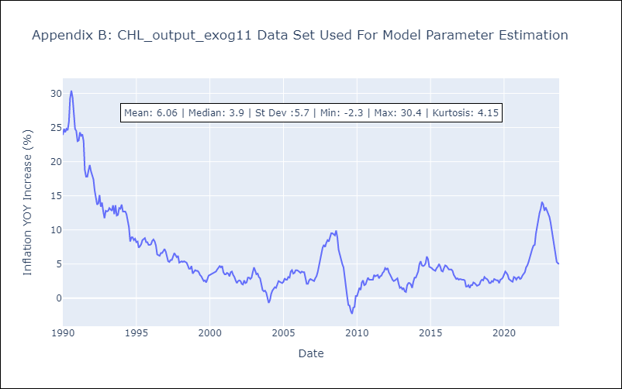

Appendix C: Residuals Analysis
Mean | 0.08
White Noise? | Yes
Normal? | Yes

