chl
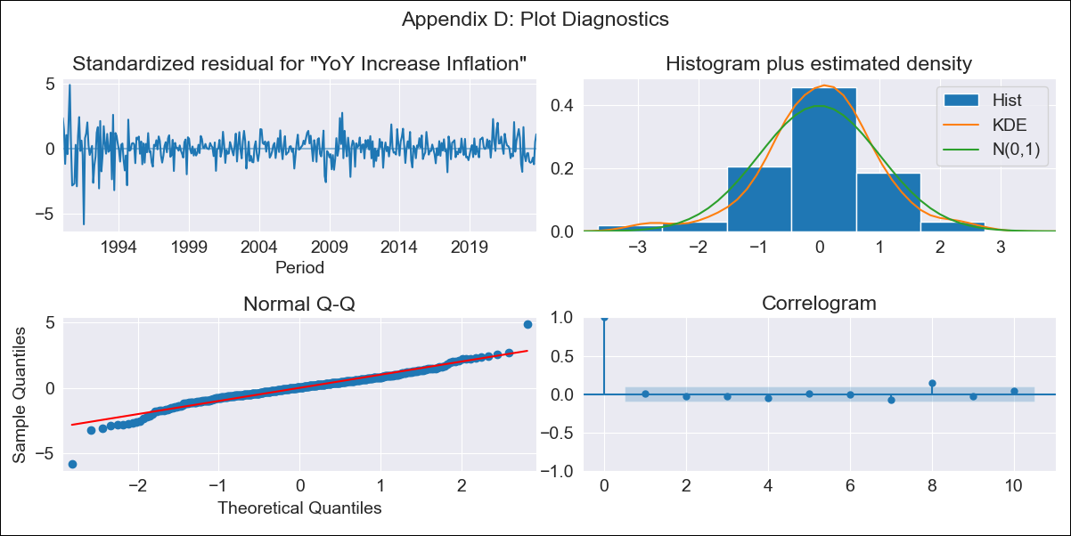
chl - Inflation - Next 12 months forecast as of: 2023-10-01

Model | VARMAX - (3, 2, 3, 2, 0, 0, 12) | Exogenous Variables | PIB
Training Data | 1990-01-01 to 2022-11-01
Test Data | 2022-11-01 to 2023-10-01

Date | Inflation Change YoY % | Lower Bound - 95% Confidence Interval | Upper Bound - 95% Confidence Interval
2023-11-01 | 4.59 | 3.53 | 5.64
2023-12-01 | 4.47 | 2.78 | 6.15
2024-01-01 | 3.86 | 1.64 | 6.07
2024-02-01 | 3.48 | 0.79 | 6.17
2024-03-01 | 3.17 | 0.2 | 6.14
2024-04-01 | 3.01 | -0.28 | 6.29
2024-05-01 | 2.84 | -0.77 | 6.46
2024-06-01 | 2.74 | -1.26 | 6.73
2024-07-01 | 2.65 | -1.75 | 7.04
2024-08-01 | 2.6 | -2.21 | 7.42
2024-09-01 | 2.58 | -2.67 | 7.83
2024-10-01 | 2.58 | -3.12 | 8.27

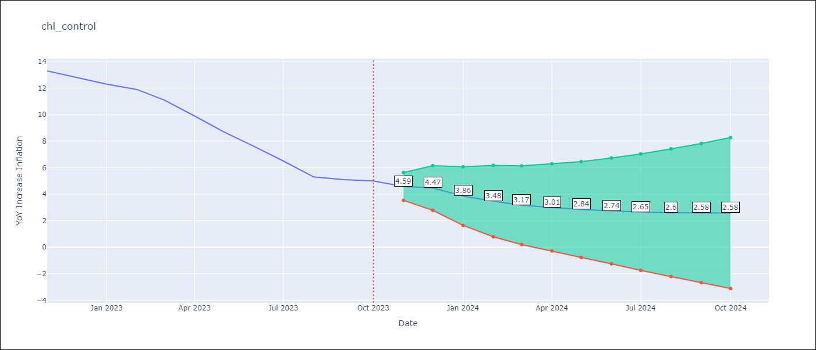

Test Metrics
RMSE | 0.62
Naive RMSE | 0.86
MAPE | 6.75%

Test Predictions
Date | Predicted | Actual
2022-11-01 | 12.61 | 13.3
2022-12-01 | 13.28 | 12.8
2023-01-01 | 12.5 | 12.3
2023-02-01 | 12.18 | 11.9
2023-03-01 | 11.68 | 11.1
2023-04-01 | 10.65 | 9.9
2023-05-01 | 9.63 | 8.7
2023-06-01 | 8.42 | 7.6
2023-07-01 | 7.29 | 6.5
2023-08-01 | 6.08 | 5.3
2023-09-01 | 5.41 | 5.1
2023-10-01 | 4.96 | 5

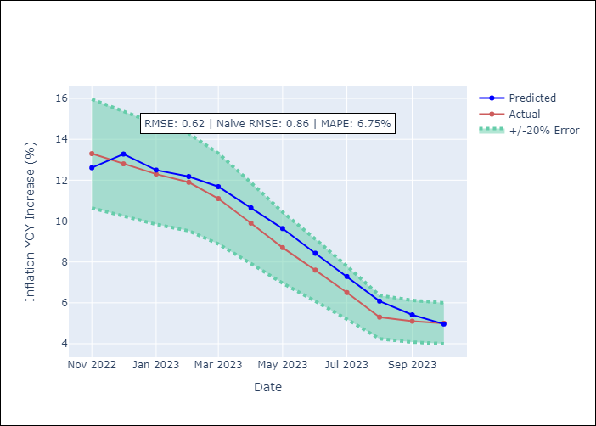

Appendix A: Model Summary
Model | VARMA(3,3)
Sample | - 10-01-2023opg
No. of Observations | 406
Terms | P-value (Statistical significance)
L1.YoY Increase Inflation | 0.007
L1.PIB | 0.967
L2.YoY Increase Inflation | 0.228
L2.PIB | 0.406
L3.YoY Increase Inflation | 0.192
L3.PIB | 0.069
L1.e(YoY Increase Inflation) | 0.270
L1.e(PIB) | 0.937
L2.e(YoY Increase Inflation) | 0.370
L2.e(PIB) | 0.003
L3.e(YoY Increase Inflation) | 0.994
L3.e(PIB) | 0.013
Assumptions | P-value
Ljung-Box (L1) | 0.85, nan
Heteroskedasticity | 0.00, nan
Jarque-Bera | 0.00, 0.00
Skew | -0.46, -0.56
Kurtosis | 7.22, 5.79

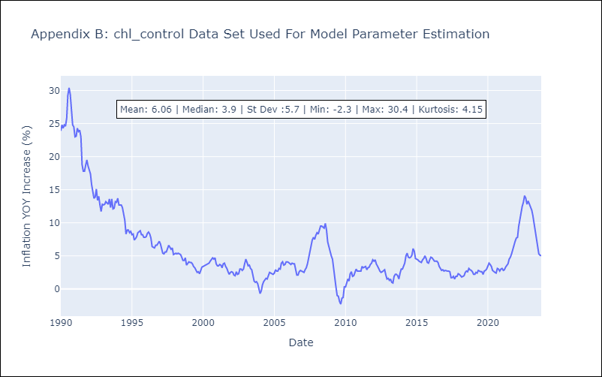

Appendix C: Residuals Analysis
Mean | 0.06
White Noise? | Yes
Normal? | Yes

