chl
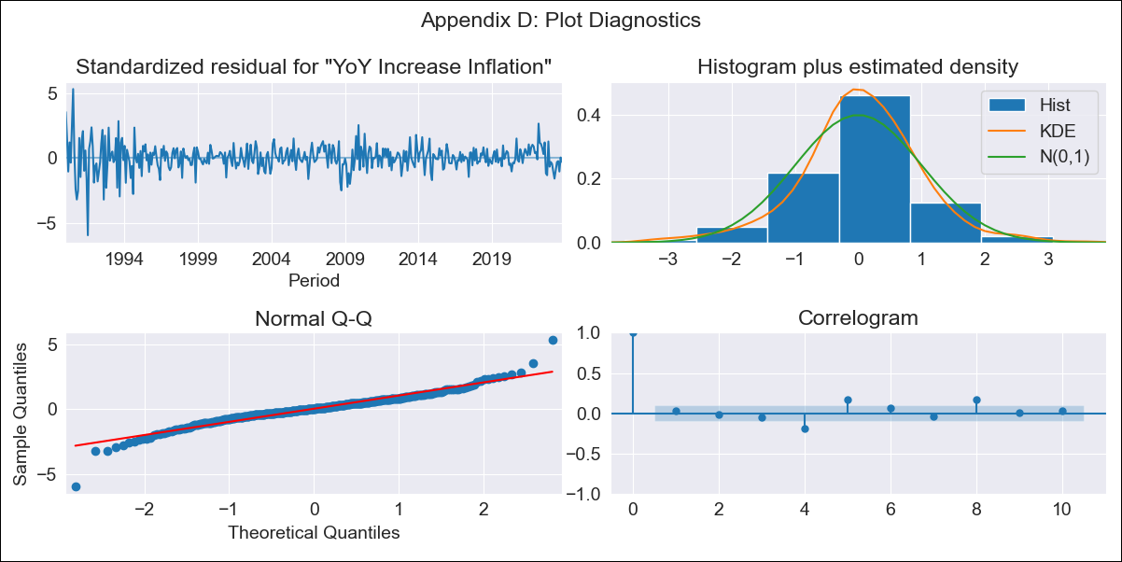
chl - Inflation - Next 12 months forecast as of: 2023-10-01

Model | VARMAX - (3, 2, 3, 2, 0, 0, 12) | Exogenous Variables | Consumo Final Efectivo
Training Data | 1990-01-01 to 2022-11-01
Test Data | 2022-11-01 to 2023-10-01

Date | Inflation Change YoY % | Lower Bound - 95% Confidence Interval | Upper Bound - 95% Confidence Interval
2023-11-01 | 4.95 | 3.76 | 6.14
2023-12-01 | 4.9 | 2.95 | 6.84
2024-01-01 | 4.83 | 2.25 | 7.41
2024-02-01 | 4.76 | 1.56 | 7.96
2024-03-01 | 4.67 | 0.93 | 8.41
2024-04-01 | 4.59 | 0.38 | 8.8
2024-05-01 | 4.52 | -0.1 | 9.15
2024-06-01 | 4.46 | -0.53 | 9.46
2024-07-01 | 4.41 | -0.93 | 9.74
2024-08-01 | 4.35 | -1.29 | 10
2024-09-01 | 4.3 | -1.63 | 10.23
2024-10-01 | 4.25 | -1.95 | 10.45

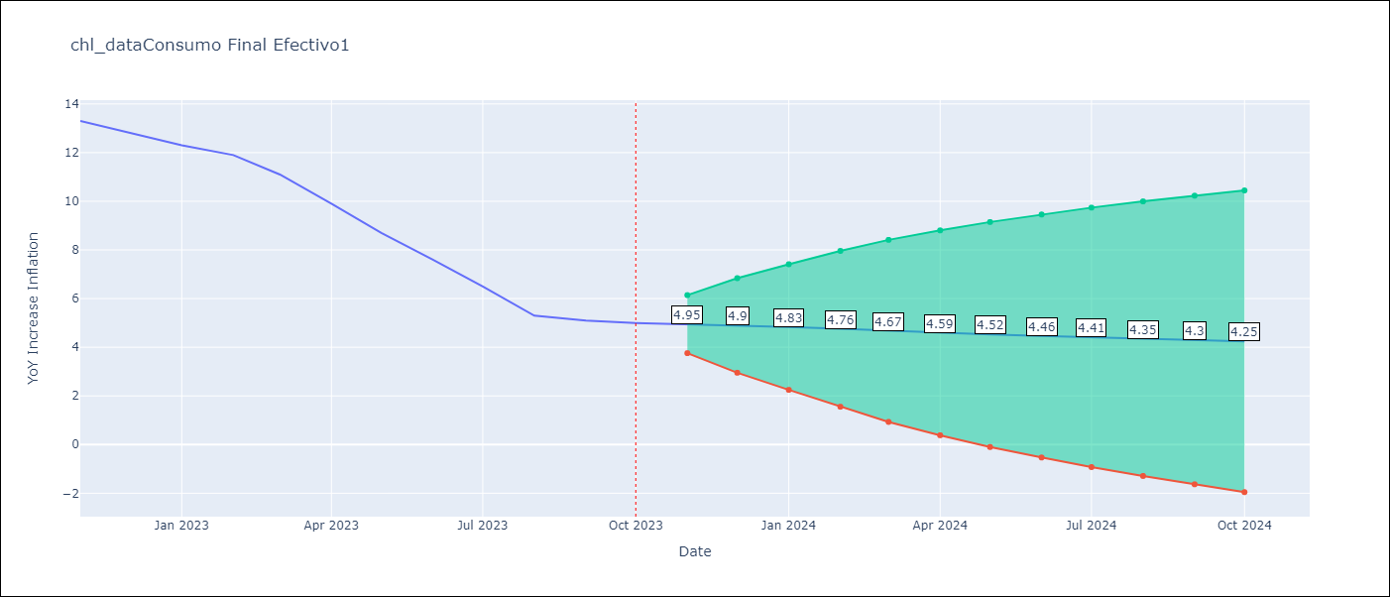

Test Metrics
RMSE | 0.71
Naive RMSE | 0.86
MAPE | 7.55%

Test Predictions
Date | Predicted | Actual
2022-11-01 | 12.43 | 13.3
2022-12-01 | 13.33 | 12.8
2023-01-01 | 12.82 | 12.3
2023-02-01 | 12.12 | 11.9
2023-03-01 | 11.61 | 11.1
2023-04-01 | 10.81 | 9.9
2023-05-01 | 9.69 | 8.7
2023-06-01 | 8.17 | 7.6
2023-07-01 | 7.14 | 6.5
2023-08-01 | 6.7 | 5.3
2023-09-01 | 4.91 | 5.1
2023-10-01 | 4.93 | 5

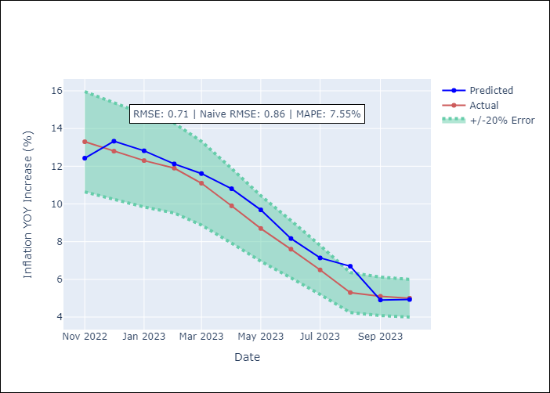

Appendix A: Model Summary
Model | VARMA(3,3)
Sample | - 10-01-2023opg
No. of Observations | 406
Terms | P-value (Statistical significance)
L1.YoY Increase Inflation | 0.010
L1.Consumo Final Efectivo | 0.832
L2.YoY Increase Inflation | 0.786
L2.Consumo Final Efectivo | 0.984
L3.YoY Increase Inflation | 0.860
L3.Consumo Final Efectivo | 0.777
L1.e(YoY Increase Inflation) | 0.976
L1.e(Consumo Final Efectivo) | 0.966
L2.e(YoY Increase Inflation) | 0.996
L2.e(Consumo Final Efectivo) | 0.978
L3.e(YoY Increase Inflation) | 0.107
L3.e(Consumo Final Efectivo) | 0.995
Assumptions | P-value
Ljung-Box (L1) | 0.54, nan
Heteroskedasticity | 0.00, nan
Jarque-Bera | 0.00, 0.00
Skew | -0.28, 1.20
Kurtosis | 8.03, 27.37

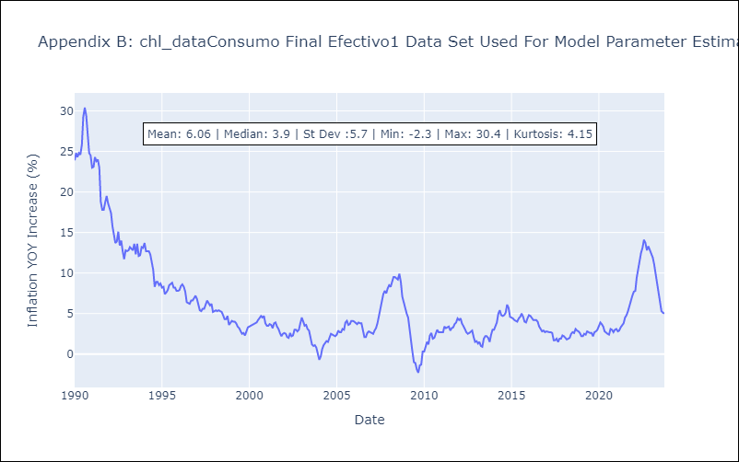

Appendix C: Residuals Analysis
Mean | 0.07
White Noise? | Yes
Normal? | Yes

