chl
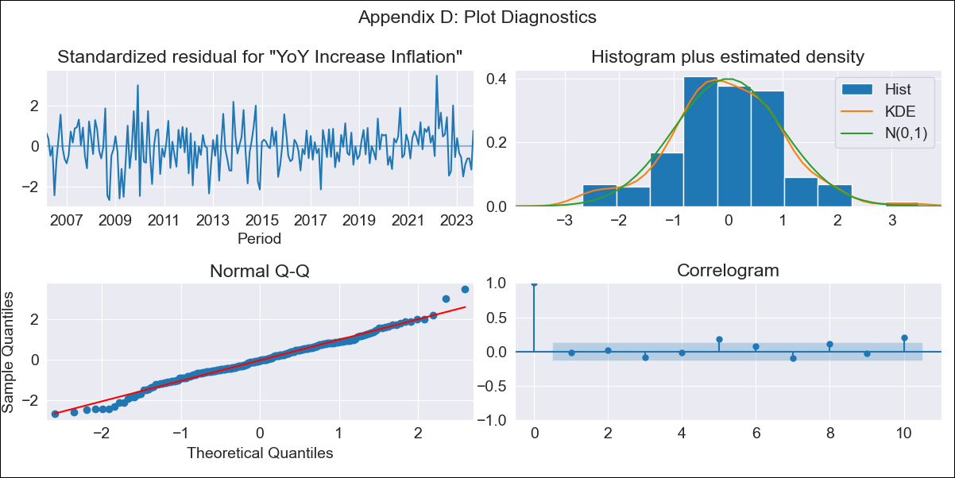
chl - Inflation - Next 12 months forecast as of: 2023-09-01

Model | VARMAX - (3, 2, 3, 2, 0, 0, 12) | Exogenous Variables | Consumo Final Efectivo
Training Data | 2006-03-01 to 2022-10-01
Test Data | 2022-10-01 to 2023-09-01

Date | Inflation Change YoY % | Lower Bound - 95% Confidence Interval | Upper Bound - 95% Confidence Interval
2023-10-01 | 4.97 | 4.08 | 5.87
2023-11-01 | 4.78 | 3.23 | 6.32
2023-12-01 | 4.84 | 2.78 | 6.91
2024-01-01 | 4.91 | 2.27 | 7.56
2024-02-01 | 5.04 | 1.88 | 8.21
2024-03-01 | 5.19 | 1.56 | 8.83
2024-04-01 | 5.35 | 1.32 | 9.39
2024-05-01 | 5.52 | 1.14 | 9.9
2024-06-01 | 5.67 | 1 | 10.35
2024-07-01 | 5.82 | 0.9 | 10.74
2024-08-01 | 5.96 | 0.82 | 11.09
2024-09-01 | 6.08 | 0.77 | 11.39

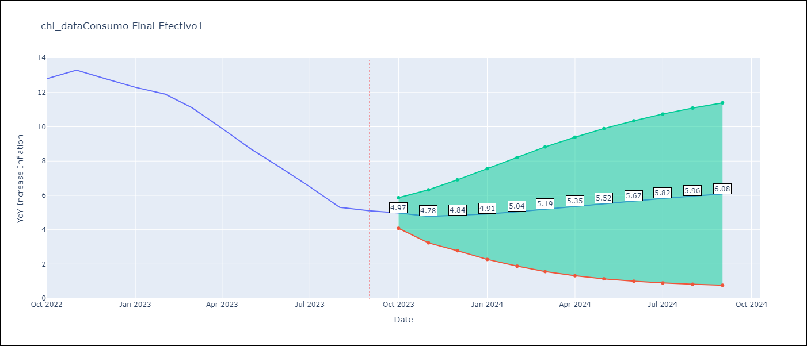

Test Metrics
RMSE | 0.48
Naive RMSE | 0.87
MAPE | 4.63%

Test Predictions
Date | Predicted | Actual
2022-10-01 | 13.56 | 12.8
2022-11-01 | 12.64 | 13.3
2022-12-01 | 12.81 | 12.8
2023-01-01 | 12.24 | 12.3
2023-02-01 | 12.13 | 11.9
2023-03-01 | 11.35 | 11.1
2023-04-01 | 10.71 | 9.9
2023-05-01 | 8.5 | 8.7
2023-06-01 | 7.4 | 7.6
2023-07-01 | 6.58 | 6.5
2023-08-01 | 6.01 | 5.3
2023-09-01 | 4.47 | 5.1

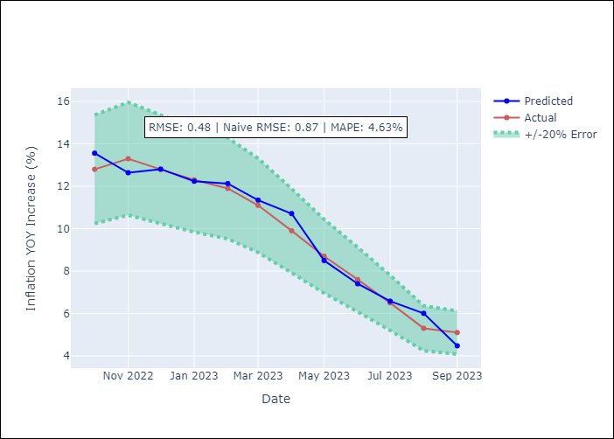

Appendix A: Model Summary
Model | VARMA(3,3)
Sample | - 09-01-2023opg
No. of Observations | 211
Terms | P-value (Statistical significance)
L1.YoY Increase Inflation | 0.000
L1.Consumo Final Efectivo | 0.977
L2.YoY Increase Inflation | 0.618
L2.Consumo Final Efectivo | 0.970
L3.YoY Increase Inflation | 0.296
L3.Consumo Final Efectivo | 0.938
L1.e(YoY Increase Inflation) | 0.878
L1.e(Consumo Final Efectivo) | 0.949
L2.e(YoY Increase Inflation) | 0.152
L2.e(Consumo Final Efectivo) | 0.980
L3.e(YoY Increase Inflation) | 0.038
L3.e(Consumo Final Efectivo) | 0.988
Assumptions | P-value
Ljung-Box (L1) | 0.76, 0.17
Heteroskedasticity | 0.04, 0.00
Jarque-Bera | 0.15, 0.00
Skew | 0.00, 1.18
Kurtosis | 3.66, 29.25

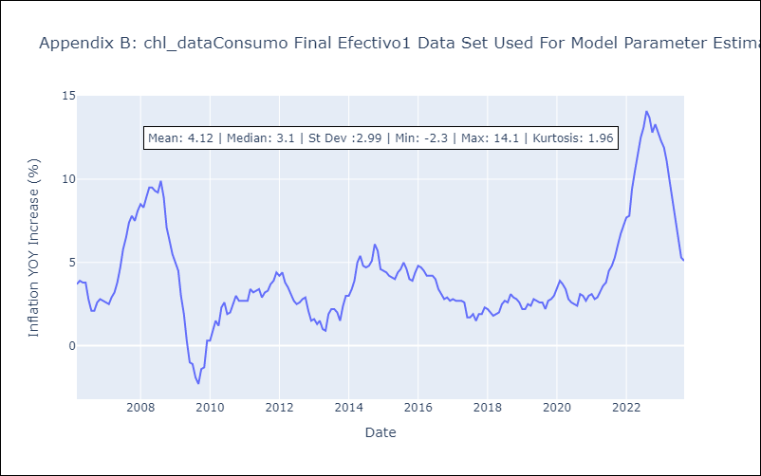

Appendix C: Residuals Analysis
Mean | -0.0
White Noise? | No - Correlation at Lags [12]
Normal? | No

