chl
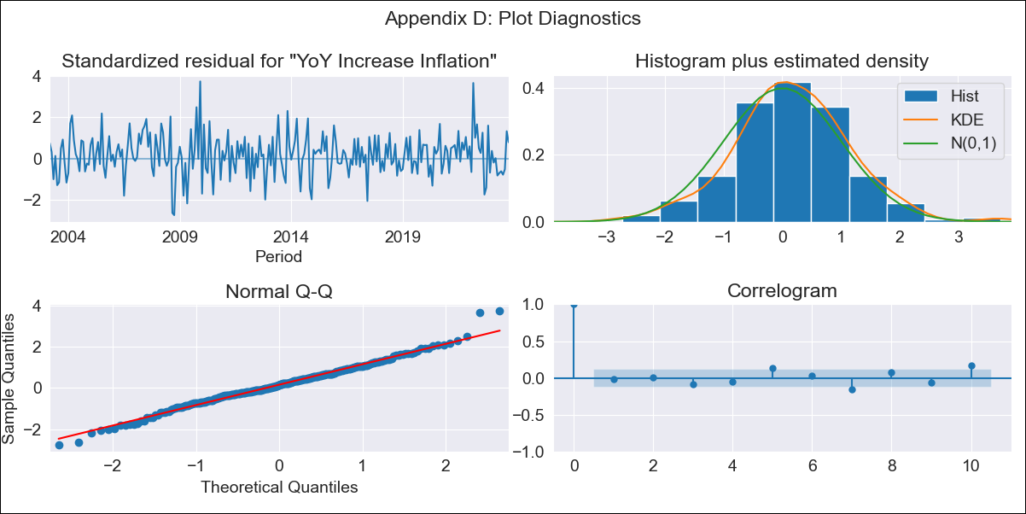
chl - Inflation - Next 12 months forecast as of: 2023-10-01

Model | VARMAX - (3, 2, 3, 2, 0, 0, 12) | Exogenous Variables | Current Account
Training Data | 2003-03-01 to 2022-11-01
Test Data | 2022-11-01 to 2023-10-01

Date | Inflation Change YoY % | Lower Bound - 95% Confidence Interval | Upper Bound - 95% Confidence Interval
2023-11-01 | 4.52 | 3.63 | 5.4
2023-12-01 | 4.15 | 2.62 | 5.68
2024-01-01 | 3.81 | 1.79 | 5.83
2024-02-01 | 3.49 | 0.91 | 6.07
2024-03-01 | 3.19 | 0.08 | 6.29
2024-04-01 | 2.9 | -0.72 | 6.53
2024-05-01 | 2.64 | -1.48 | 6.76
2024-06-01 | 2.4 | -2.19 | 6.99
2024-07-01 | 2.17 | -2.86 | 7.2
2024-08-01 | 1.96 | -3.49 | 7.41
2024-09-01 | 1.77 | -4.07 | 7.61
2024-10-01 | 1.6 | -4.6 | 7.79

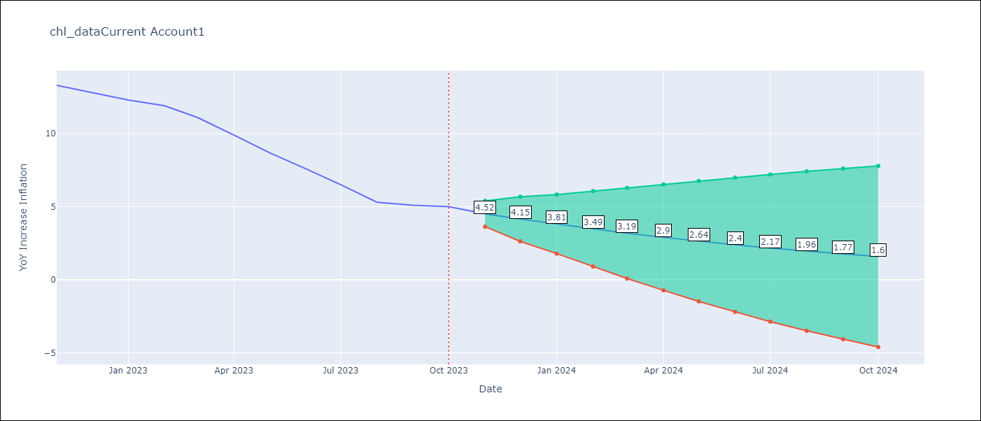

Test Metrics
RMSE | 0.49
Naive RMSE | 0.86
MAPE | 5.58%

Test Predictions
Date | Predicted | Actual
2022-11-01 | 12.6 | 13.3
2022-12-01 | 13.49 | 12.8
2023-01-01 | 12.36 | 12.3
2023-02-01 | 12.02 | 11.9
2023-03-01 | 11.32 | 11.1
2023-04-01 | 10.54 | 9.9
2023-05-01 | 9.29 | 8.7
2023-06-01 | 8.01 | 7.6
2023-07-01 | 6.82 | 6.5
2023-08-01 | 5.7 | 5.3
2023-09-01 | 4.35 | 5.1
2023-10-01 | 4.64 | 5

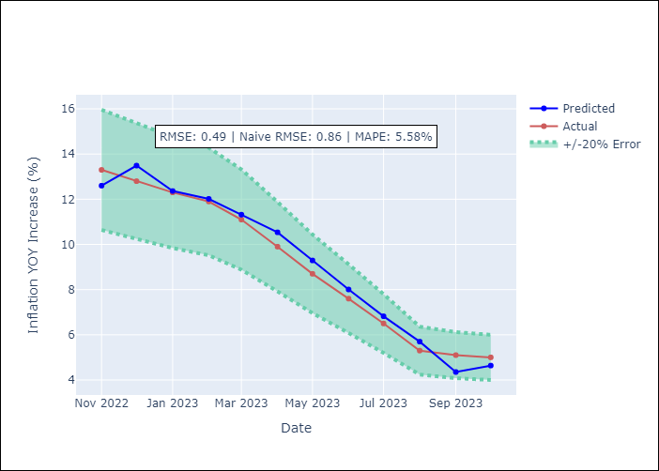

Appendix A: Model Summary
Model | VARMA(3,3)
Sample | - 10-01-2023opg
No. of Observations | 248
Terms | P-value (Statistical significance)
L1.YoY Increase Inflation | 0.038
L1.Current Account | 0.877
L2.YoY Increase Inflation | 0.875
L2.Current Account | 0.820
L3.YoY Increase Inflation | 0.023
L3.Current Account | 0.681
L1.e(YoY Increase Inflation) | 0.878
L1.e(Current Account) | 0.888
L2.e(YoY Increase Inflation) | 0.000
L2.e(Current Account) | 0.979
L3.e(YoY Increase Inflation) | 0.571
L3.e(Current Account) | 0.977
Assumptions | P-value
Ljung-Box (L1) | 0.75, 0.77
Heteroskedasticity | 0.03, 0.00
Jarque-Bera | 0.01, 0.00
Skew | 0.12, 0.14
Kurtosis | 3.91, 8.84

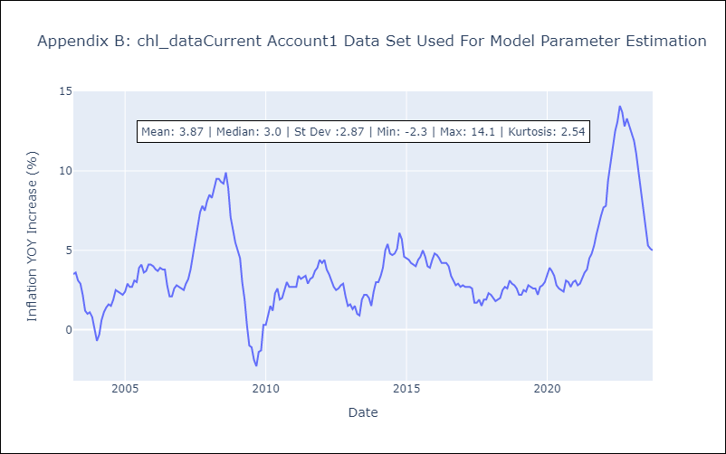

Appendix C: Residuals Analysis
Mean | 0.09
White Noise? | No - Correlation at Lags [12]
Normal? | No

