chl
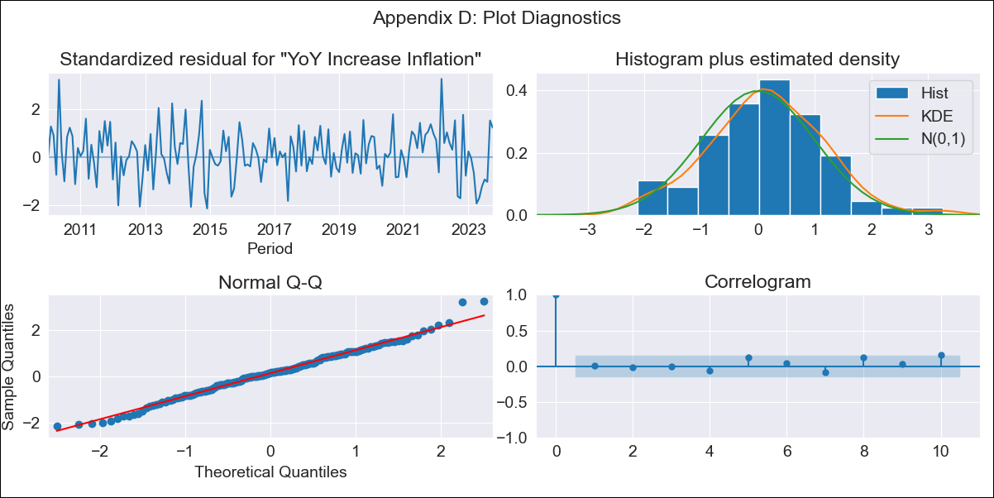
chl - Inflation - Next 12 months forecast as of: 2023-10-01

Model | VARMAX - (2, 1, 2, 0, 0, 1, 12) | Exogenous Variables | 2.CPI without volatiles
Training Data | 2010-01-01 to 2022-11-01
Test Data | 2022-11-01 to 2023-10-01

Date | Inflation Change YoY % | Lower Bound - 95% Confidence Interval | Upper Bound - 95% Confidence Interval
2023-11-01 | 4.38 | 3.57 | 5.2
2023-12-01 | 3.99 | 2.64 | 5.34
2024-01-01 | 3.74 | 1.97 | 5.5
2024-02-01 | 3.47 | 1.25 | 5.68
2024-03-01 | 3.23 | 0.58 | 5.87
2024-04-01 | 3 | -0.07 | 6.06
2024-05-01 | 2.79 | -0.68 | 6.25
2024-06-01 | 2.59 | -1.25 | 6.43
2024-07-01 | 2.4 | -1.79 | 6.59
2024-08-01 | 2.23 | -2.29 | 6.75
2024-09-01 | 2.06 | -2.76 | 6.89
2024-10-01 | 1.91 | -3.2 | 7.02

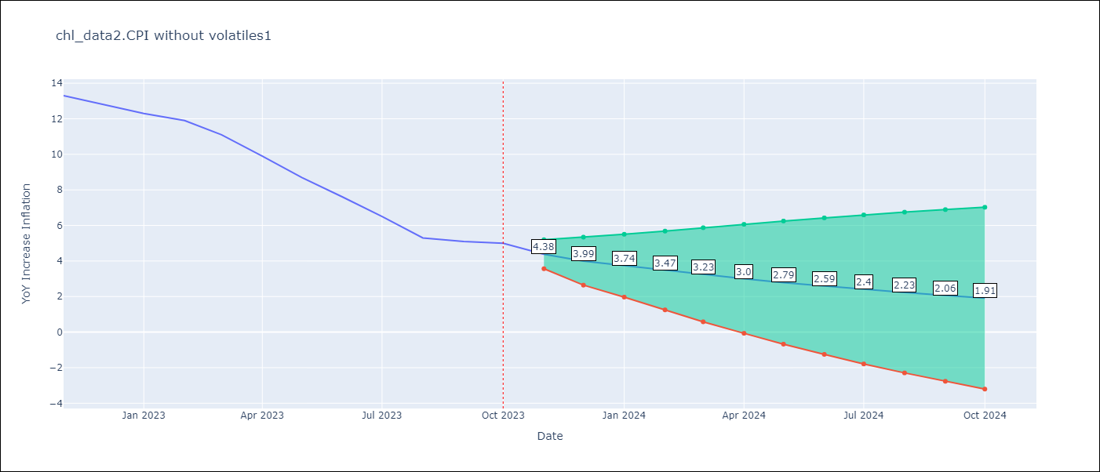

Test Metrics
RMSE | 0.62
Naive RMSE | 0.86
MAPE | 7.2%

Test Predictions
Date | Predicted | Actual
2022-11-01 | 12.67 | 13.3
2022-12-01 | 13.16 | 12.8
2023-01-01 | 12.8 | 12.3
2023-02-01 | 12.03 | 11.9
2023-03-01 | 11.77 | 11.1
2023-04-01 | 10.89 | 9.9
2023-05-01 | 9.59 | 8.7
2023-06-01 | 8.21 | 7.6
2023-07-01 | 6.85 | 6.5
2023-08-01 | 5.69 | 5.3
2023-09-01 | 4.32 | 5.1
2023-10-01 | 4.43 | 5

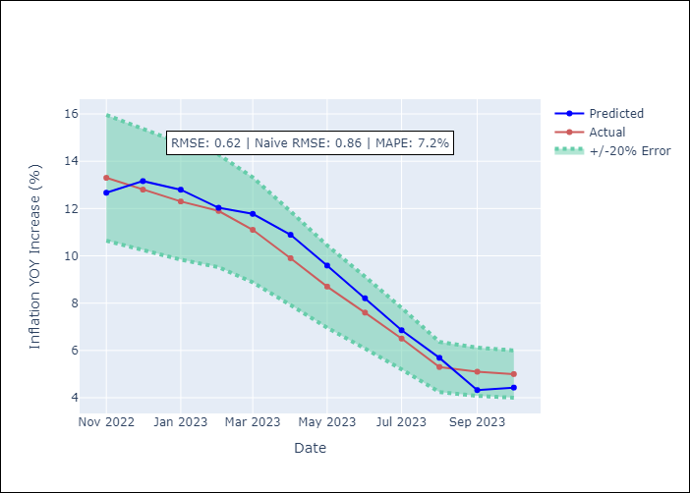

Appendix A: Model Summary
Model | VARMA(2,2)
Sample | - 10-01-2023opg
No. of Observations | 166
Terms | P-value (Statistical significance)
L1.YoY Increase Inflation | 0.010
L1.2.CPI without volatiles | 0.057
L2.YoY Increase Inflation | 0.654
L2.2.CPI without volatiles | 0.050
L1.e(YoY Increase Inflation) | 0.556
L1.e(2.CPI without volatiles) | 0.103
L2.e(YoY Increase Inflation) | 0.283
L2.e(2.CPI without volatiles) | 0.101
Assumptions | P-value
Ljung-Box (L1) | 0.93, 0.94
Heteroskedasticity | 0.86, 0.04
Jarque-Bera | 0.60, 0.00
Skew | 0.12, -0.48
Kurtosis | 3.30, 3.93

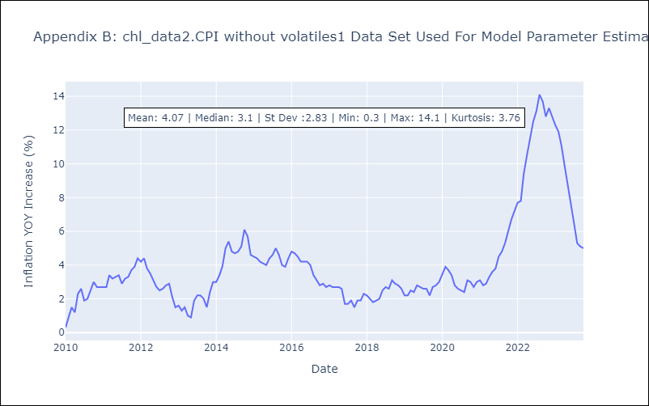

Appendix C: Residuals Analysis
Mean | 0.06
White Noise? | No - Correlation at Lags [12]
Normal? | No

