chl

chl - Inflation - Next 12 months forecast as of: 2023-10-01

Model | VARMAX - (2, 1, 2, 0, 0, 1, 12) | Exogenous Variables | 5.CPI Volatile
Training Data | 2010-01-01 to 2022-11-01
Test Data | 2022-11-01 to 2023-10-01

Date | Inflation Change YoY % | Lower Bound - 95% Confidence Interval | Upper Bound - 95% Confidence Interval
2023-11-01 | 4.47 | 3.6 | 5.35
2023-12-01 | 3.93 | 2.44 | 5.42
2024-01-01 | 3.47 | 1.49 | 5.45
2024-02-01 | 3.07 | 0.62 | 5.51
2024-03-01 | 2.7 | -0.19 | 5.59
2024-04-01 | 2.37 | -0.94 | 5.67
2024-05-01 | 2.06 | -1.64 | 5.76
2024-06-01 | 1.78 | -2.3 | 5.85
2024-07-01 | 1.52 | -2.91 | 5.94
2024-08-01 | 1.28 | -3.47 | 6.02
2024-09-01 | 1.05 | -4 | 6.11
2024-10-01 | 0.85 | -4.49 | 6.18

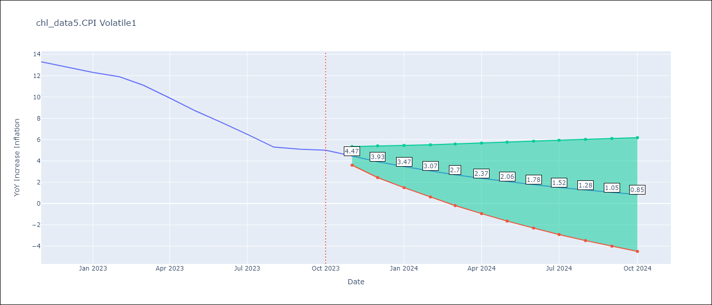

Test Metrics
RMSE | 0.63
Naive RMSE | 0.86
MAPE | 7.15%

Test Predictions
Date | Predicted | Actual
2022-11-01 | 12.57 | 13.3
2022-12-01 | 13.5 | 12.8 | 13.3 | 0.5 | #NAME?
2023-01-01 | 12.65 | 12.3 | 12.8 | 0.5
2023-02-01 | 12.42 | 11.9 | 12.3 | 0.4
2023-03-01 | 11.59 | 11.1 | 11.9 | 0.8
2023-04-01 | 11.03 | 9.9 | 11.1 | 1.2
2023-05-01 | 9.42 | 8.7 | 9.9 | 1.2
2023-06-01 | 8.2 | 7.6 | 8.7 | 1.1
2023-07-01 | 7.04 | 6.5 | 7.6 | 1.1
2023-08-01 | 5.86 | 5.3 | 6.5 | 1.2
2023-09-01 | 4.56 | 5.1 | 5.3 | 0.2
2023-10-01 | 4.69 | 5 | 5.1 | 0.1

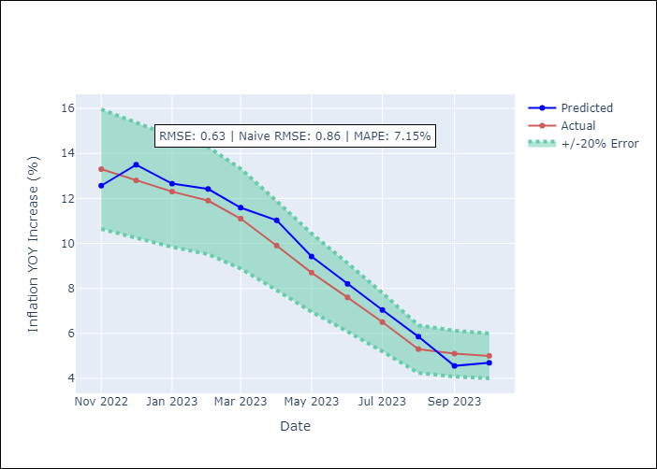

Appendix A: Model Summary
Model | VARMA(2,2)
Sample | - 10-01-2023opg
No. of Observations | 166
Terms | P-value (Statistical significance)
L1.YoY Increase Inflation | 0.001
L1.5.CPI Volatile | 0.341
L2.YoY Increase Inflation | 0.233
L2.5.CPI Volatile | 0.368
L1.e(YoY Increase Inflation) | 0.635
L1.e(5.CPI Volatile) | 0.468
L2.e(YoY Increase Inflation) | 0.926
L2.e(5.CPI Volatile) | 0.162
Assumptions | P-value
Ljung-Box (L1) | 0.65, 0.27
Heteroskedasticity | 0.72, 0.00
Jarque-Bera | 0.14, 0.00
Skew | 0.33, 1.75
Kurtosis | 3.38, 11.61

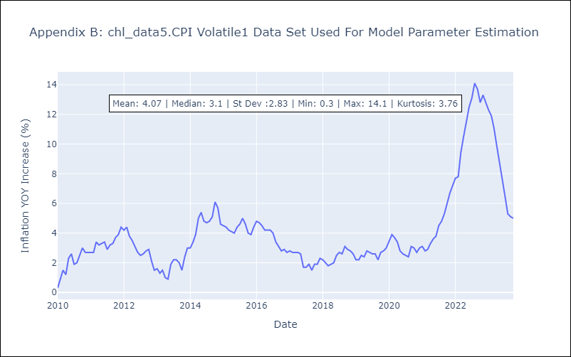

Appendix C: Residuals Analysis
Mean | 0.08
White Noise? | No - Correlation at Lags [ 8 9 10 11 12]
Normal? | No

