chl
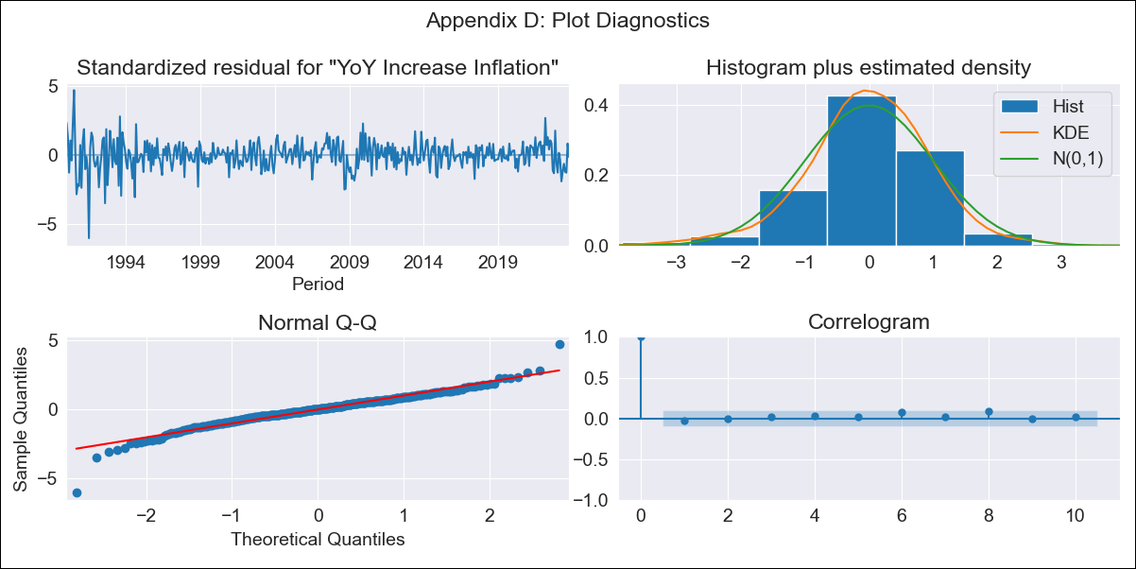
chl - Inflation - Next 12 months forecast as of: 2023-10-01

Model | VARMAX - (3, 2, 3, 2, 0, 0, 12) | Exogenous Variables | Real Exchange Rate
Training Data | 1990-01-01 to 2022-11-01
Test Data | 2022-11-01 to 2023-10-01

Date | Inflation Change YoY % | Lower Bound - 95% Confidence Interval | Upper Bound - 95% Confidence Interval
2023-11-01 | 5.11 | 3.97 | 6.26
2023-12-01 | 5.38 | 3.44 | 7.33
2024-01-01 | 5.1 | 2.47 | 7.74
2024-02-01 | 5.22 | 1.97 | 8.47
2024-03-01 | 5.15 | 1.48 | 8.81
2024-04-01 | 5.09 | 1 | 9.18
2024-05-01 | 5.09 | 0.64 | 9.54
2024-06-01 | 5.04 | 0.26 | 9.82
2024-07-01 | 5.02 | -0.07 | 10.12
2024-08-01 | 5 | -0.39 | 10.39
2024-09-01 | 4.98 | -0.69 | 10.64
2024-10-01 | 4.96 | -0.97 | 10.89

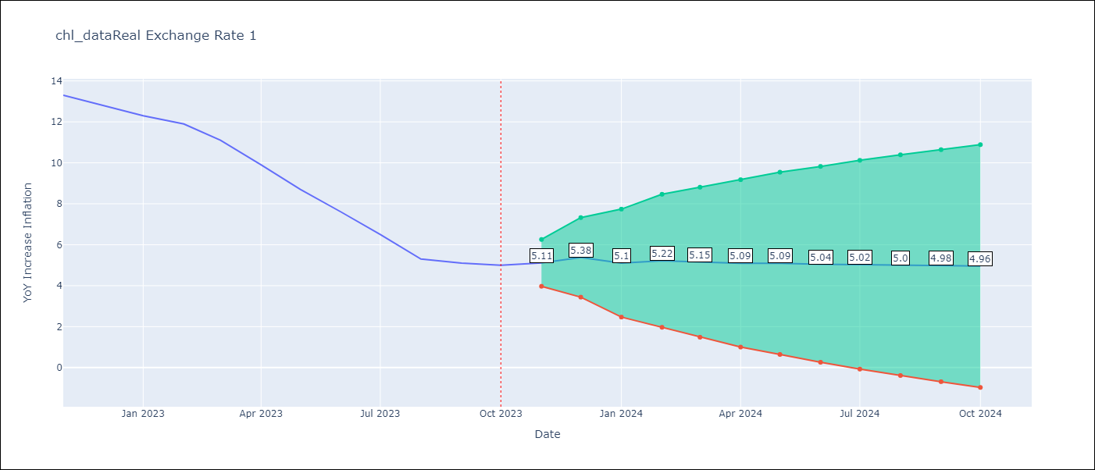

Test Metrics
RMSE | 0.66
Naive RMSE | 0.86
MAPE | 6.54%

Test Predictions
Date | Predicted | Actual
2022-11-01 | 12.23 | 13.3
2022-12-01 | 13.02 | 12.8
2023-01-01 | 13.07 | 12.3
2023-02-01 | 11.67 | 11.9
2023-03-01 | 11.34 | 11.1
2023-04-01 | 11.21 | 9.9
2023-05-01 | 9.1 | 8.7
2023-06-01 | 7.98 | 7.6
2023-07-01 | 7.44 | 6.5
2023-08-01 | 5.62 | 5.3
2023-09-01 | 4.59 | 5.1
2023-10-01 | 5.25 | 5

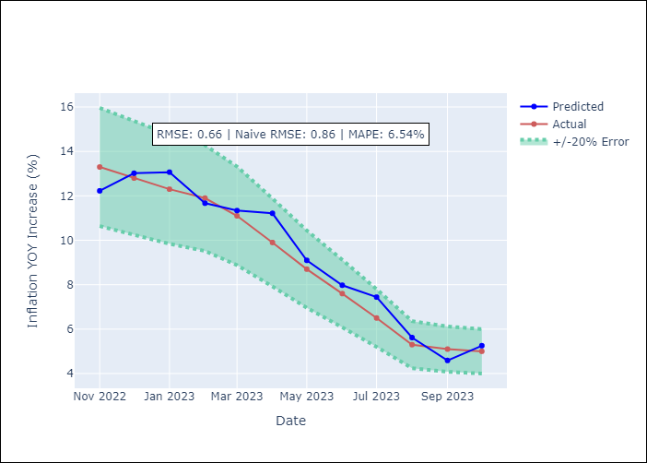

Appendix A: Model Summary
Model | VARMA(3,3)
Sample | - 10-01-2023opg
No. of Observations | 406
Terms | P-value (Statistical significance)
L1.YoY Increase Inflation | 0.177
L1.Real Exchange Rate | 0.165
L2.YoY Increase Inflation | 0.922
L2.Real Exchange Rate | 0.190
L3.YoY Increase Inflation | 0.882
L3.Real Exchange Rate | 0.229
L1.e(YoY Increase Inflation) | 0.595
L1.e(Real Exchange Rate ) | 0.164
L2.e(YoY Increase Inflation) | 0.781
L2.e(Real Exchange Rate ) | 0.287
L3.e(YoY Increase Inflation) | 0.887
L3.e(Real Exchange Rate ) | 0.438
Assumptions | P-value
Ljung-Box (L1) | 0.64, 0.95
Heteroskedasticity | 0.00, 0.01
Jarque-Bera | 0.00, 0.00
Skew | -0.52, -0.04
Kurtosis | 7.16, 4.53

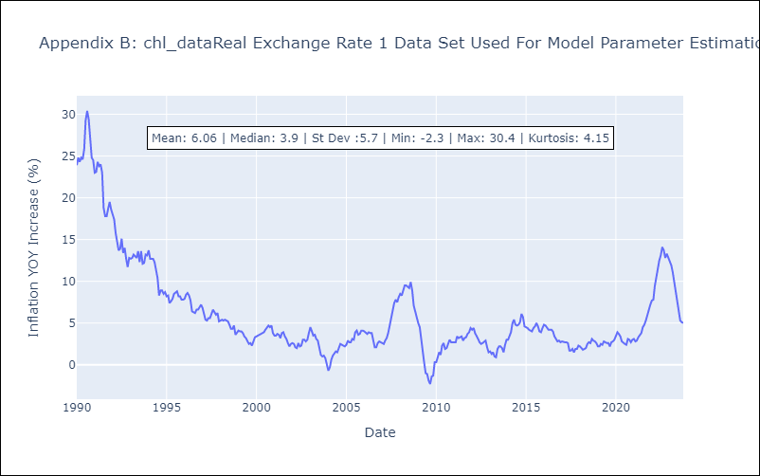

Appendix C: Residuals Analysis
Mean | 0.04
White Noise? | Yes
Normal? | No

