chl
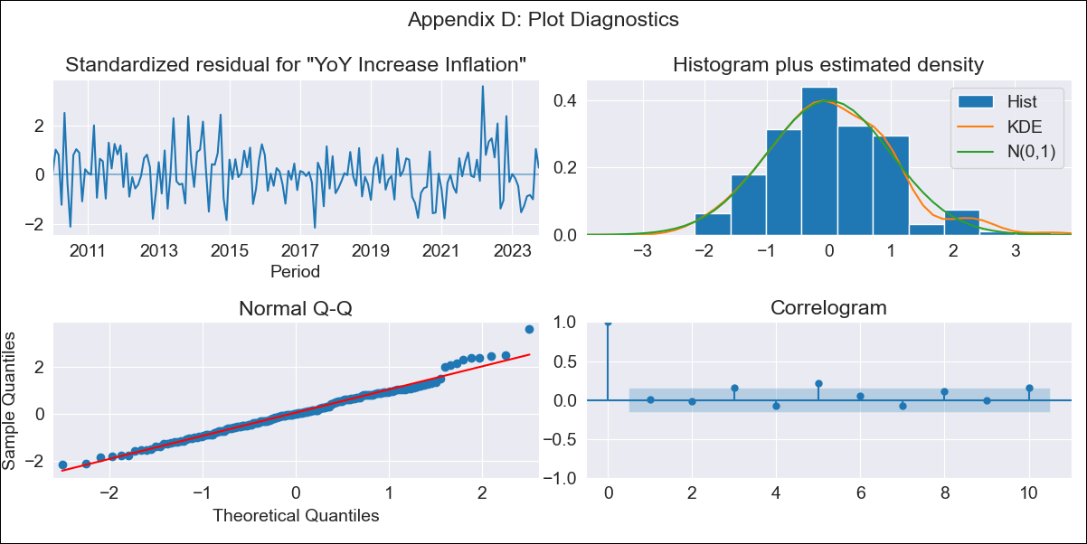
chl - Inflation - Next 12 months forecast as of: 2023-10-01

Model | VARMAX - (2, 1, 2, 0, 0, 1, 12) | Exogenous Variables | Uncertainty Index_Chile
Training Data | 2010-01-01 to 2022-11-01
Test Data | 2022-11-01 to 2023-10-01

Date | Inflation Change YoY % | Lower Bound - 95% Confidence Interval | Upper Bound - 95% Confidence Interval
2023-11-01 | 4.67 | 3.86 | 5.49
2023-12-01 | 4.53 | 3.2 | 5.86
2024-01-01 | 4.18 | 2.45 | 5.91
2024-02-01 | 4.01 | 1.97 | 6.05
2024-03-01 | 3.92 | 1.63 | 6.21
2024-04-01 | 3.91 | 1.42 | 6.41
2024-05-01 | 3.95 | 1.29 | 6.61
2024-06-01 | 4.02 | 1.23 | 6.82
2024-07-01 | 4.11 | 1.2 | 7.03
2024-08-01 | 4.21 | 1.2 | 7.23
2024-09-01 | 4.31 | 1.2 | 7.43
2024-10-01 | 4.41 | 1.19 | 7.63

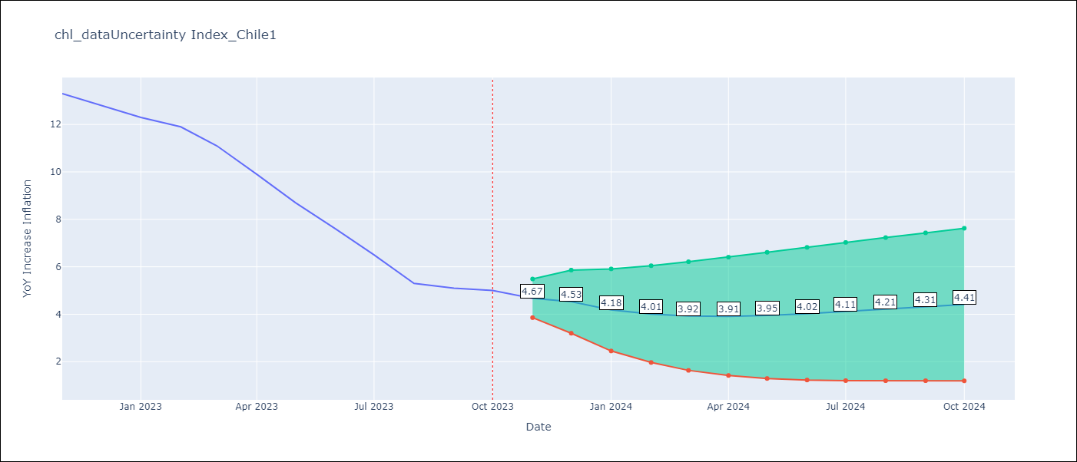

Test Metrics
RMSE | 0.55
Naive RMSE | 0.86
MAPE | 5.09%

Test Predictions
Date | Predicted | Actual
2022-11-01 | 12.48 | 13.3
2022-12-01 | 13.1 | 12.8
2023-01-01 | 12.47 | 12.3
2023-02-01 | 12.28 | 11.9
2023-03-01 | 11.31 | 11.1
2023-04-01 | 11.18 | 9.9
2023-05-01 | 9.37 | 8.7
2023-06-01 | 7.91 | 7.6
2023-07-01 | 6.63 | 6.5
2023-08-01 | 5.51 | 5.3
2023-09-01 | 4.5 | 5.1
2023-10-01 | 4.82 | 5

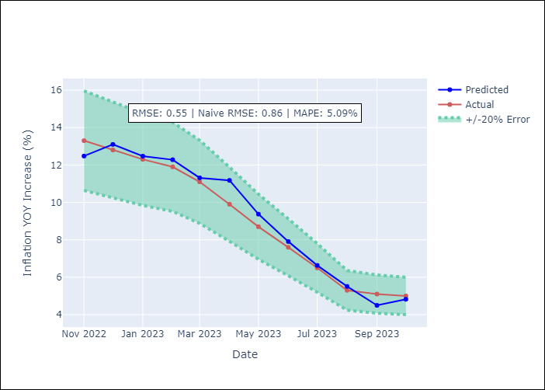

Appendix A: Model Summary
Model | VARMA(2,2)
Sample | - 10-01-2023opg
No. of Observations | 166
Terms | P-value (Statistical significance)
L1.YoY Increase Inflation | 0.000
L1.Uncertainty Index_Chile | 0.079
L2.YoY Increase Inflation | 0.008
L2.Uncertainty Index_Chile | 0.098
L1.e(YoY Increase Inflation) | 0.301
L1.e(Uncertainty Index_Chile) | 0.097
L2.e(YoY Increase Inflation) | 0.247
L2.e(Uncertainty Index_Chile) | 0.258
Assumptions | P-value
Ljung-Box (L1) | 0.92, 0.89
Heteroskedasticity | 0.94, 0.00
Jarque-Bera | 0.02, 0.00
Skew | 0.43, 0.45
Kurtosis | 3.61, 4.39

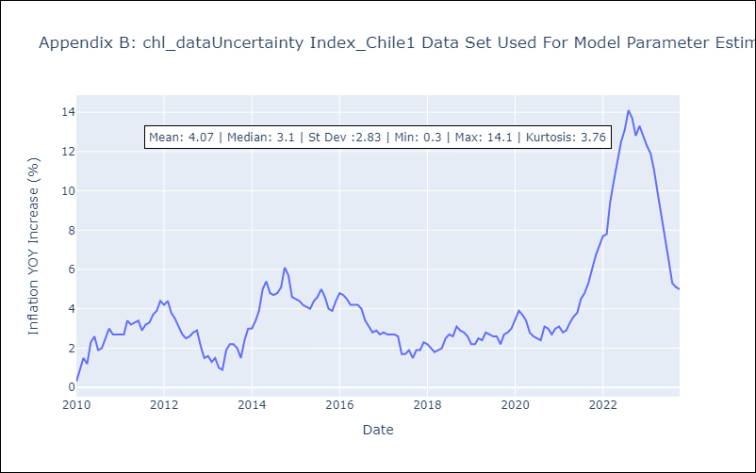

Appendix C: Residuals Analysis
Mean | 0.02
White Noise? | No - Correlation at Lags [ 5 6 8 10 11 12]
Normal? | No

