chl

chl - Inflation - Next 12 months forecast as of: 2023-10-01

Model | VARMAX - (3, 2, 3, 2, 0, 0, 12) | Exogenous Variables | Consumo Final Efectivo, Current Account, Real Exchange Rate , Expectativas de inflación en 11 meses, Uncertainty Index_Chile, Price of Gold dollars per ounce, Price of Silver dollars per ounce, Price of Copper dollars per pound, CPI_United States, General wage index, Unemployment rate
Training Data | 1990-01-01 to 2022-11-01
Test Data | 2022-11-01 to 2023-10-01

Date | Inflation Change YoY % | Lower Bound - 95% Confidence Interval | Upper Bound - 95% Confidence Interval
2023-11-01 | 4.37 | 3.18 | 5.55
2023-12-01 | 4.03 | 2.15 | 5.91
2024-01-01 | 3.52 | 1.07 | 5.97
2024-02-01 | 3.13 | 0.16 | 6.09
2024-03-01 | 2.85 | -0.57 | 6.26
2024-04-01 | 2.67 | -1.14 | 6.49
2024-05-01 | 2.59 | -1.57 | 6.76
2024-06-01 | 2.56 | -1.92 | 7.04
2024-07-01 | 2.55 | -2.2 | 7.31
2024-08-01 | 2.56 | -2.44 | 7.56
2024-09-01 | 2.58 | -2.65 | 7.8
2024-10-01 | 2.61 | -2.82 | 8.03

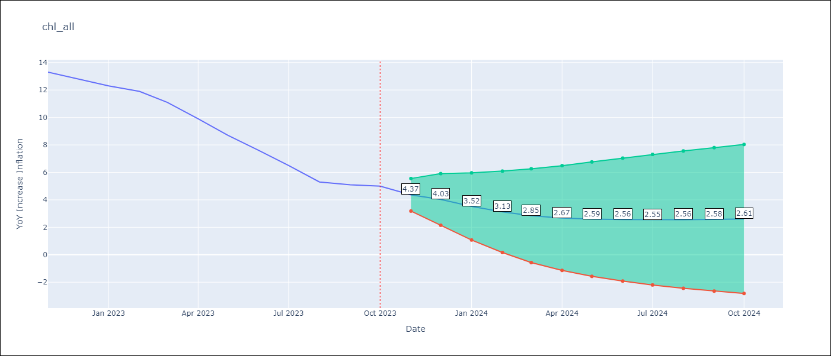

Test Metrics
RMSE | 1.23
Naive RMSE | 0.86
MAPE | 11.08%

Test Predictions
Date | Predicted | Actual
2022-11-01 | 12.41 | 13.3
2022-12-01 | 11.28 | 12.8
2023-01-01 | 12.53 | 12.3
2023-02-01 | 11.99 | 11.9
2023-03-01 | 13.02 | 11.1
2023-04-01 | 12.53 | 9.9
2023-05-01 | 9.96 | 8.7
2023-06-01 | 7.17 | 7.6
2023-07-01 | 6.22 | 6.5
2023-08-01 | 3.88 | 5.3
2023-09-01 | 4.36 | 5.1
2023-10-01 | 4.89 | 5

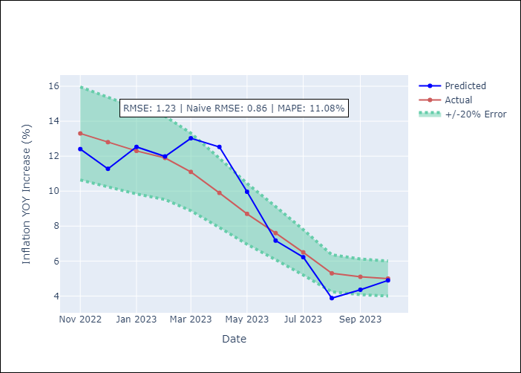

Appendix A: Model Summary
Model | VARMA(3,3)
Sample | - 10-01-2023opg
No. of Observations | 406
Terms | P-value (Statistical significance)
L1.YoY Increase Inflation | 0.217
L1.Consumo Final Efectivo | 0.009
L1.Current Account | 0.997
L1.Real Exchange Rate | 0.998
L1.Expectativas de inflación en 11 meses | 0.802
L1.Uncertainty Index_Chile | 0.996
L1.Price of Gold dollars per ounce | 0.990
L1.Price of Silver dollars per ounce | 0.999
L1.Price of Copper dollars per pound | 0.988
L1.CPI_United States | 0.341
L1.General wage index | 0.983
L1.Unemployment rate | 0.956
L2.YoY Increase Inflation | 0.851
L2.Consumo Final Efectivo | 0.000
L2.Current Account | 0.995
L2.Real Exchange Rate | 0.989
L2.Expectativas de inflación en 11 meses | 0.737
L2.Uncertainty Index_Chile | 0.998
L2.Price of Gold dollars per ounce | 0.986
L2.Price of Silver dollars per ounce | 0.996
L2.Price of Copper dollars per pound | 0.996
L2.CPI_United States | 0.624
L2.General wage index | 0.866
L2.Unemployment rate | 0.908
L3.YoY Increase Inflation | 0.913
L3.Consumo Final Efectivo | 0.000
L3.Current Account | 0.984
L3.Real Exchange Rate | 0.994
L3.Expectativas de inflación en 11 meses | 0.872
L3.Uncertainty Index_Chile | 0.993
L3.Price of Gold dollars per ounce | 0.996
L3.Price of Silver dollars per ounce | 0.999
L3.Price of Copper dollars per pound | 0.994
L3.CPI_United States | 0.997
L3.General wage index | 0.939
L3.Unemployment rate | 0.973
L1.e(YoY Increase Inflation) | 0.989
L1.e(Consumo Final Efectivo) | 0.000
L1.e(Current Account) | 0.999
L1.e(Real Exchange Rate ) | 0.999
L1.e(Expectativas de inflación en 11 meses) | 0.389
L1.e(Uncertainty Index_Chile) | 0.999
L1.e(Price of Gold dollars per ounce) | 0.995
L1.e(Price of Silver dollars per ounce) | 0.999
L1.e(Price of Copper dollars per pound) | 0.998
L1.e(CPI_United States) | 0.662
L1.e(General wage index) | 0.978
L1.e(Unemployment rate) | 0.989
L2.e(YoY Increase Inflation) | 0.994
L2.e(Consumo Final Efectivo) | 0.000
L2.e(Current Account) | 0.995
L2.e(Real Exchange Rate ) | 0.998
L2.e(Expectativas de inflación en 11 meses) | 0.763
L2.e(Uncertainty Index_Chile) | 0.999
L2.e(Price of Gold dollars per ounce) | 0.996
L2.e(Price of Silver dollars per ounce) | 0.996
L2.e(Price of Copper dollars per pound) | 1.000
L2.e(CPI_United States) | 0.886
L2.e(General wage index) | 0.991
L2.e(Unemployment rate) | 0.996
L3.e(YoY Increase Inflation) | 0.976
L3.e(Consumo Final Efectivo) | 0.000
L3.e(Current Account) | 0.993
L3.e(Real Exchange Rate ) | 0.986
L3.e(Expectativas de inflación en 11 meses) | 0.000
L3.e(Uncertainty Index_Chile) | 0.997
L3.e(Price of Gold dollars per ounce) | 0.995
L3.e(Price of Silver dollars per ounce) | 0.995
L3.e(Price of Copper dollars per pound) | 0.992
L3.e(CPI_United States) | 0.741
L3.e(General wage index) | 0.845
L3.e(Unemployment rate) | 0.940
Assumptions | P-value
Ljung-Box (L1) | 0.76, nan, nan, 0.70, nan, nan, nan, nan, nan, nan, 0.93, 0.41
Heteroskedasticity | 0.00, nan, nan, 0.00, nan, nan, nan, nan, nan, nan, 0.00, 0.13
Jarque-Bera | 0.00, 0.00, 0.00, 0.02, 0.00, 0.00, 0.81, 0.00, 0.00, 0.39, 0.00, 0.00
Skew | 0.20, 0.44, -0.29, 0.07, 0.61, 0.83, -0.03, 0.61, -0.37, -0.02, 0.19, 0.26
Kurtosis | 9.13, 18.66, 4.31, 3.67, 4.90, 4.36, 2.76, 4.81, 4.69, 2.48, 6.76, 3.76

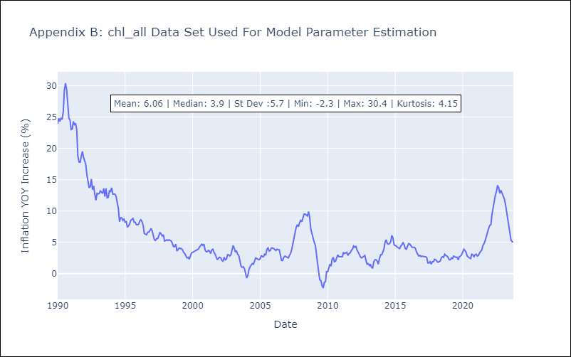

Appendix C: Residuals Analysis
Mean | 0.08
White Noise? | No - Correlation at Lags [12]
Normal? | Yes

