chl
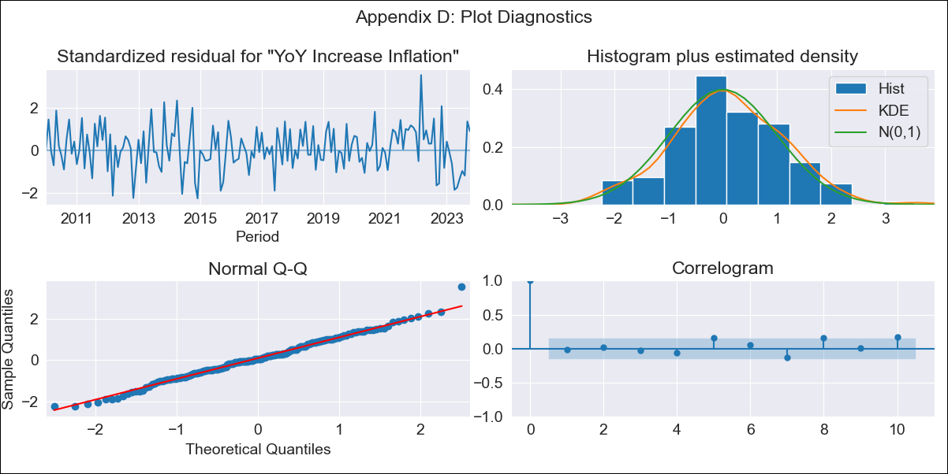
chl - Inflation - Next 12 months forecast as of: 2023-10-01

Model | VARMAX - (3, 2, 3, 2, 0, 0, 12) | Exogenous Variables | 2.CPI without volatiles, 5.CPI Volatile
Training Data | 2010-01-01 to 2022-11-01
Test Data | 2022-11-01 to 2023-10-01

Date | Inflation Change YoY % | Lower Bound - 95% Confidence Interval | Upper Bound - 95% Confidence Interval
2023-11-01 | 4.46 | 3.68 | 5.24
2023-12-01 | 4.06 | 2.74 | 5.38
2024-01-01 | 3.91 | 2.18 | 5.64
2024-02-01 | 3.8 | 1.63 | 5.98
2024-03-01 | 3.7 | 1.07 | 6.33
2024-04-01 | 3.64 | 0.58 | 6.69
2024-05-01 | 3.58 | 0.13 | 7.04
2024-06-01 | 3.53 | -0.29 | 7.36
2024-07-01 | 3.5 | -0.68 | 7.67
2024-08-01 | 3.46 | -1.03 | 7.95
2024-09-01 | 3.43 | -1.36 | 8.21
2024-10-01 | 3.4 | -1.66 | 8.45

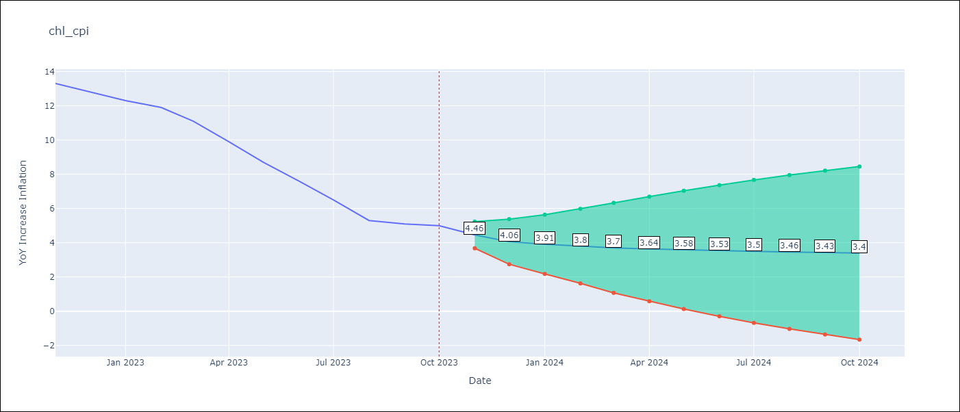

Test Metrics
RMSE | 2.63
Naive RMSE | 0.86
MAPE | 44.2%

Test Predictions
Date | Predicted | Actual
2022-11-01 | 12.28 | 13.3
2022-12-01 | 12.06 | 12.8
2023-01-01 | 11.35 | 12.3
2023-02-01 | 11.19 | 11.9
2023-03-01 | 11.21 | 11.1
2023-04-01 | 10.77 | 9.9
2023-05-01 | 10.66 | 8.7
2023-06-01 | 10.35 | 7.6
2023-07-01 | 9.96 | 6.5
2023-08-01 | 9.78 | 5.3
2023-09-01 | 9.43 | 5.1
2023-10-01 | 9.12 | 5

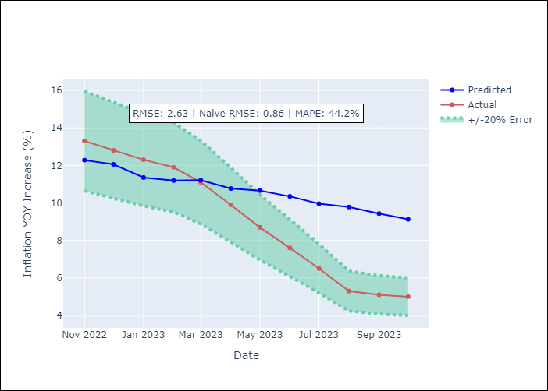

Appendix A: Model Summary
Model | VARMA(3,3)
Sample | - 10-01-2023opg
No. of Observations | 166
Terms | P-value (Statistical significance)
L1.YoY Increase Inflation | 0.556
L1.2.CPI without volatiles | 0.892
L1.5.CPI Volatile | 0.826
L2.YoY Increase Inflation | 0.953
L2.2.CPI without volatiles | 0.997
L2.5.CPI Volatile | 0.726
L3.YoY Increase Inflation | 0.918
L3.2.CPI without volatiles | 0.839
L3.5.CPI Volatile | 0.973
L1.e(YoY Increase Inflation) | 0.921
L1.e(2.CPI without volatiles) | 0.993
L1.e(5.CPI Volatile) | 0.678
L2.e(YoY Increase Inflation) | 0.511
L2.e(2.CPI without volatiles) | 0.962
L2.e(5.CPI Volatile) | 0.736
L3.e(YoY Increase Inflation) | 0.900
L3.e(2.CPI without volatiles) | 0.921
L3.e(5.CPI Volatile) | 0.910
Assumptions | P-value
Ljung-Box (L1) | 0.87, 0.92, 0.03
Heteroskedasticity | 0.93, 0.01, 0.00
Jarque-Bera | 0.72, 0.02, 0.00
Skew | 0.11, -0.45, -0.20
Kurtosis | 3.21, 3.58, 9.32

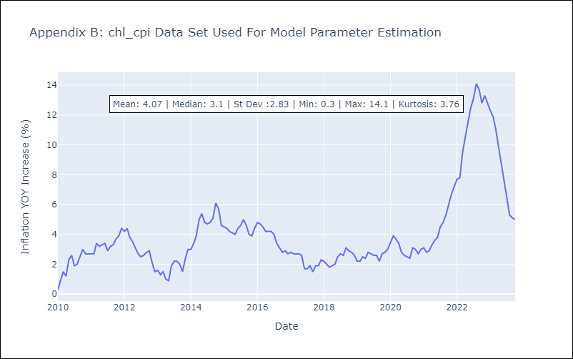

Appendix C: Residuals Analysis
Mean | 0.04
White Noise? | No - Correlation at Lags [11 12]
Normal? | No

