chl
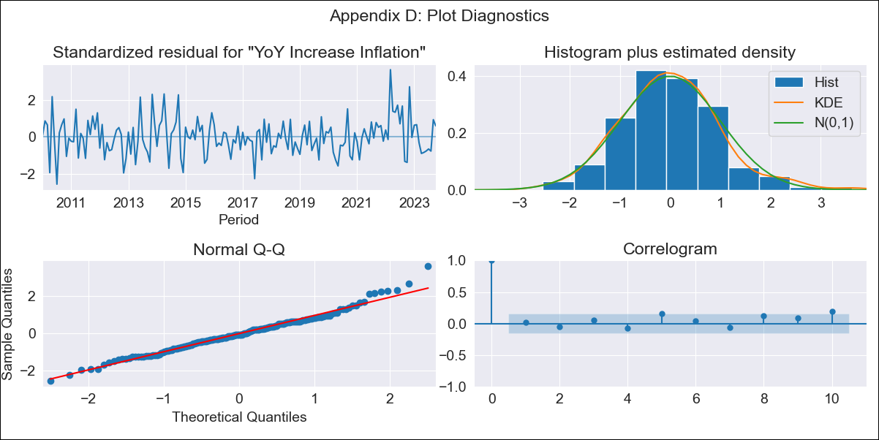
chl - Inflation - Next 12 months forecast as of: 2023-10-01

Model | VARMAX - (2, 1, 2, 0, 0, 1, 12) | Exogenous Variables | Expectativas de inflación en 11 meses, Uncertainty Index_Chile
Training Data | 2010-01-01 to 2022-11-01
Test Data | 2022-11-01 to 2023-10-01

Date | Inflation Change YoY % | Lower Bound - 95% Confidence Interval | Upper Bound - 95% Confidence Interval
2023-11-01 | 4.76 | 3.94 | 5.58
2023-12-01 | 4.58 | 3.28 | 5.88
2024-01-01 | 4.42 | 2.74 | 6.11
2024-02-01 | 4.27 | 2.25 | 6.29
2024-03-01 | 4.17 | 1.86 | 6.48
2024-04-01 | 4.12 | 1.55 | 6.68
2024-05-01 | 4.09 | 1.3 | 6.88
2024-06-01 | 4.08 | 1.1 | 7.06
2024-07-01 | 4.09 | 0.94 | 7.24
2024-08-01 | 4.1 | 0.8 | 7.41
2024-09-01 | 4.12 | 0.67 | 7.56
2024-10-01 | 4.13 | 0.56 | 7.7

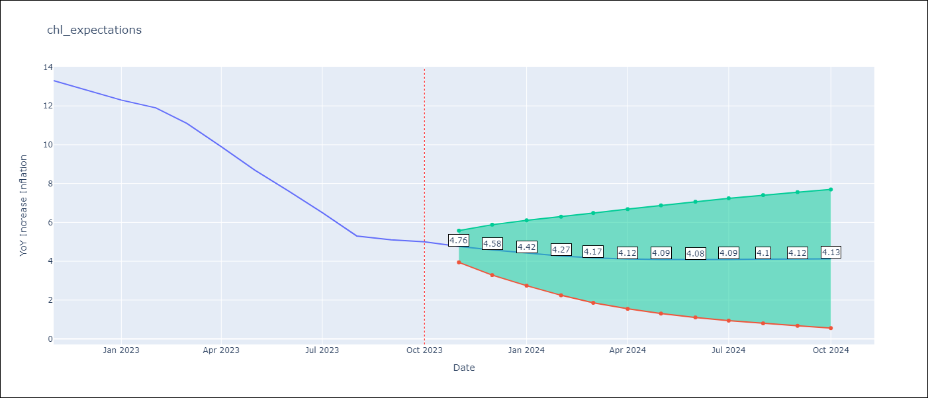

Test Metrics
RMSE | 2.53
Naive RMSE | 0.86
MAPE | 43.44%

Test Predictions
Date | Predicted | Actual
2022-11-01 | 12.34 | 13.3
2022-12-01 | 11.64 | 12.8
2023-01-01 | 11.52 | 12.3
2023-02-01 | 11.16 | 11.9
2023-03-01 | 10.93 | 11.1
2023-04-01 | 10.65 | 9.9
2023-05-01 | 10.39 | 8.7
2023-06-01 | 10.12 | 7.6
2023-07-01 | 9.85 | 6.5
2023-08-01 | 9.57 | 5.3
2023-09-01 | 9.3 | 5.1
2023-10-01 | 9.03 | 5

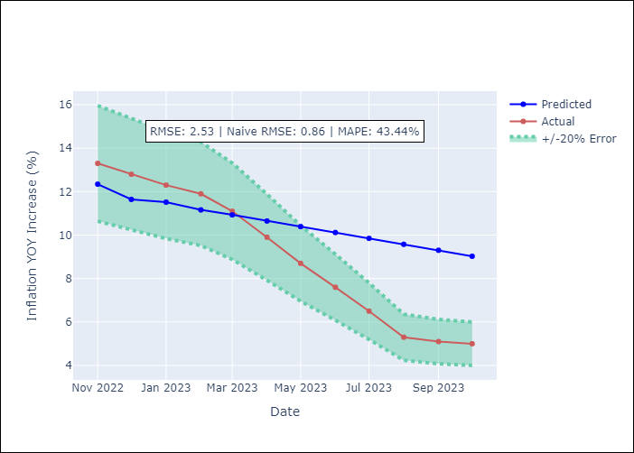

Appendix A: Model Summary
Model | VARMA(2,2)
Sample | - 10-01-2023opg
No. of Observations | 166
Terms | P-value (Statistical significance)
L1.YoY Increase Inflation | 0.082
L1.Expectativas de inflación en 11 meses | 0.559
L1.Uncertainty Index_Chile | 0.923
L2.YoY Increase Inflation | 0.594
L2.Expectativas de inflación en 11 meses | 0.562
L2.Uncertainty Index_Chile | 0.962
L1.e(YoY Increase Inflation) | 0.835
L1.e(Expectativas de inflación en 11 meses) | 0.681
L1.e(Uncertainty Index_Chile) | 0.999
L2.e(YoY Increase Inflation) | 0.689
L2.e(Expectativas de inflación en 11 meses) | 0.447
L2.e(Uncertainty Index_Chile) | 0.906
Assumptions | P-value
Ljung-Box (L1) | 0.78, 0.69, 0.97
Heteroskedasticity | 0.76, 0.13, 0.00
Jarque-Bera | 0.01, 0.00, 0.00
Skew | 0.41, 0.46, 0.58
Kurtosis | 3.89, 4.44, 4.31

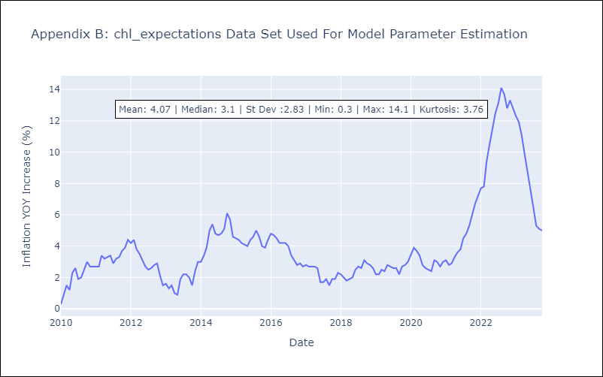

Appendix C: Residuals Analysis
Mean | 0.0
White Noise? | No - Correlation at Lags [12]
Normal? | No

