chl
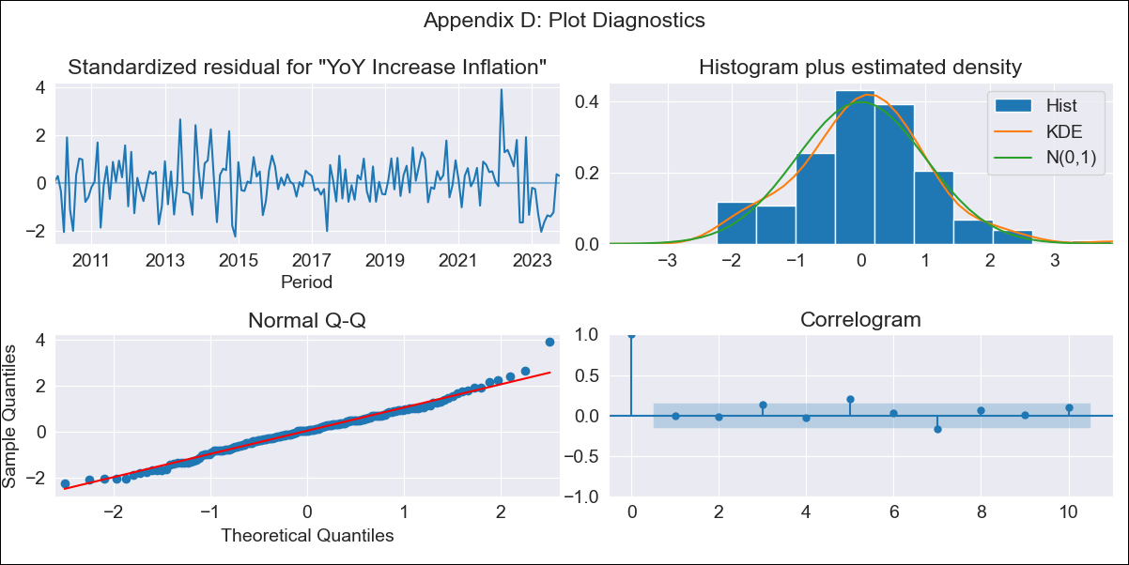
chl - Inflation - Next 12 months forecast as of: 2023-10-01

Model | VARMAX - (2, 1, 2, 0, 0, 1, 12) | Exogenous Variables | Price of Gold dollars per ounce, Price of Silver dollars per ounce, Price of Copper dollars per pound
Training Data | 2010-01-01 to 2022-11-01
Test Data | 2022-11-01 to 2023-10-01

Date | Inflation Change YoY % | Lower Bound - 95% Confidence Interval | Upper Bound - 95% Confidence Interval
2023-11-01 | 4.8 | 3.99 | 5.62
2023-12-01 | 4.68 | 3.3 | 6.07
2024-01-01 | 4.6 | 2.75 | 6.45
2024-02-01 | 4.52 | 2.27 | 6.77
2024-03-01 | 4.44 | 1.84 | 7.05
2024-04-01 | 4.37 | 1.45 | 7.28
2024-05-01 | 4.29 | 1.08 | 7.49
2024-06-01 | 4.21 | 0.74 | 7.69
2024-07-01 | 4.14 | 0.42 | 7.87
2024-08-01 | 4.08 | 0.11 | 8.05
2024-09-01 | 4.01 | -0.19 | 8.21
2024-10-01 | 3.96 | -0.46 | 8.38

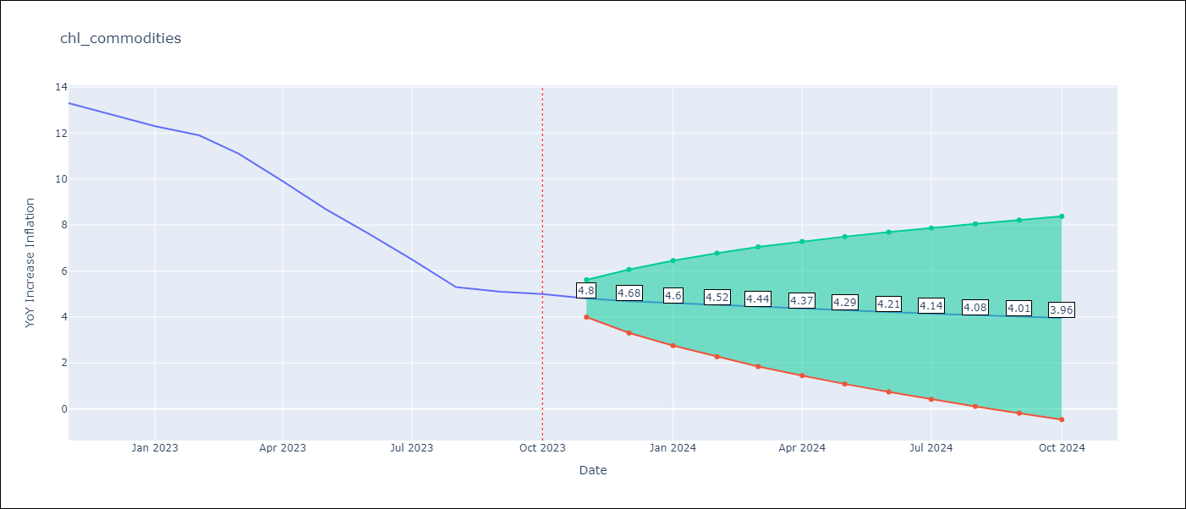

Test Metrics
RMSE | 3.1
Naive RMSE | 0.86
MAPE | 48.16%

Test Predictions
Date | Predicted | Actual
2022-11-01 | 12.64 | 13.3
2022-12-01 | 12.3 | 12.8
2023-01-01 | 12.19 | 12.3
2023-02-01 | 11.98 | 11.9
2023-03-01 | 11.72 | 11.1
2023-04-01 | 11.5 | 9.9
2023-05-01 | 11.24 | 8.7
2023-06-01 | 10.99 | 7.6
2023-07-01 | 10.72 | 6.5
2023-08-01 | 10.45 | 5.3
2023-09-01 | 10.17 | 5.1
2023-10-01 | 9.89 | 5

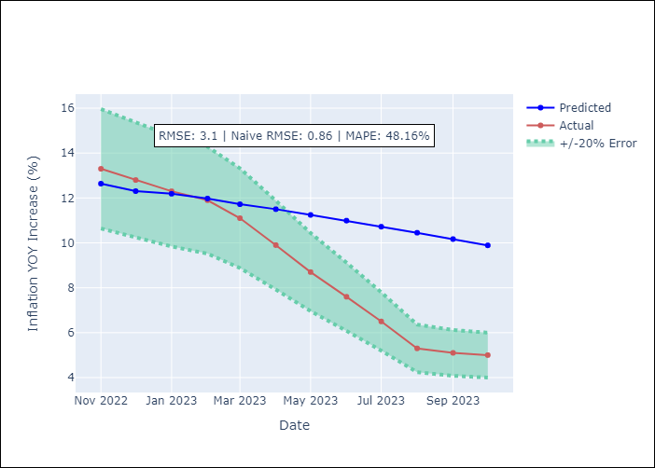

Appendix A: Model Summary
Model | VARMA(2,2)
Sample | - 10-01-2023opg
No. of Observations | 166
Terms | P-value (Statistical significance)
L1.YoY Increase Inflation | 0.020
L1.Price of Gold dollars per ounce | 0.839
L1.Price of Silver dollars per ounce | 0.994
L1.Price of Copper dollars per pound | 0.931
L2.YoY Increase Inflation | 0.473
L2.Price of Gold dollars per ounce | 0.826
L2.Price of Silver dollars per ounce | 0.955
L2.Price of Copper dollars per pound | 0.991
L1.e(YoY Increase Inflation) | 0.928
L1.e(Price of Gold dollars per ounce) | 0.639
L1.e(Price of Silver dollars per ounce) | 0.872
L1.e(Price of Copper dollars per pound) | 0.838
L2.e(YoY Increase Inflation) | 0.962
L2.e(Price of Gold dollars per ounce) | 0.920
L2.e(Price of Silver dollars per ounce) | 0.703
L2.e(Price of Copper dollars per pound) | 0.748
Assumptions | P-value
Ljung-Box (L1) | 0.95, 0.80, 0.85, 0.42
Heteroskedasticity | 0.99, 0.25, 0.14, 0.36
Jarque-Bera | 0.04, 0.78, 0.00, 0.00
Skew | 0.25, -0.01, 0.83, -0.07
Kurtosis | 3.81, 2.74, 5.61, 4.66

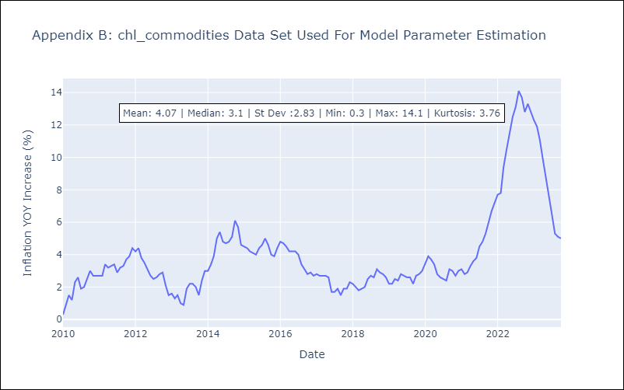

Appendix C: Residuals Analysis
Mean | 0.02
White Noise? | No - Correlation at Lags [ 7 12]
Normal? | No

