chl
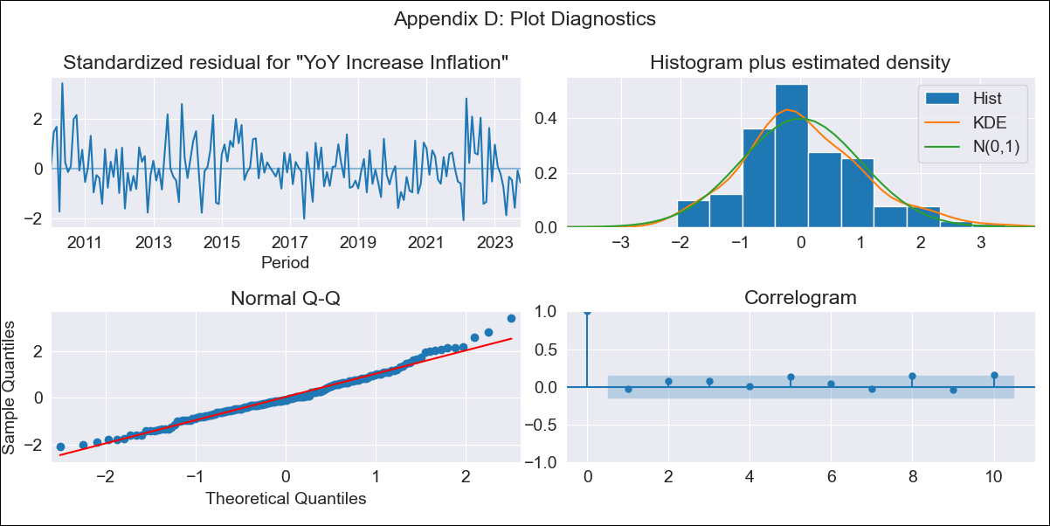
chl - Inflation - Next 12 months forecast as of: 2023-10-01

Model | VARMAX - (2, 1, 2, 0, 0, 1, 12) | Exogenous Variables | CPI_United States, Real Exchange Rate
Training Data | 2010-01-01 to 2022-11-01
Test Data | 2022-11-01 to 2023-10-01

Date | Inflation Change YoY % | Lower Bound - 95% Confidence Interval | Upper Bound - 95% Confidence Interval
2023-11-01 | 4.59 | 3.88 | 5.3
2023-12-01 | 4.41 | 3.24 | 5.58
2024-01-01 | 4.18 | 2.65 | 5.71
2024-02-01 | 4.01 | 2.12 | 5.9
2024-03-01 | 3.85 | 1.61 | 6.08
2024-04-01 | 3.7 | 1.12 | 6.29
2024-05-01 | 3.57 | 0.65 | 6.5
2024-06-01 | 3.46 | 0.21 | 6.71
2024-07-01 | 3.36 | -0.22 | 6.93
2024-08-01 | 3.26 | -0.62 | 7.15
2024-09-01 | 3.18 | -1 | 7.36
2024-10-01 | 3.1 | -1.37 | 7.57

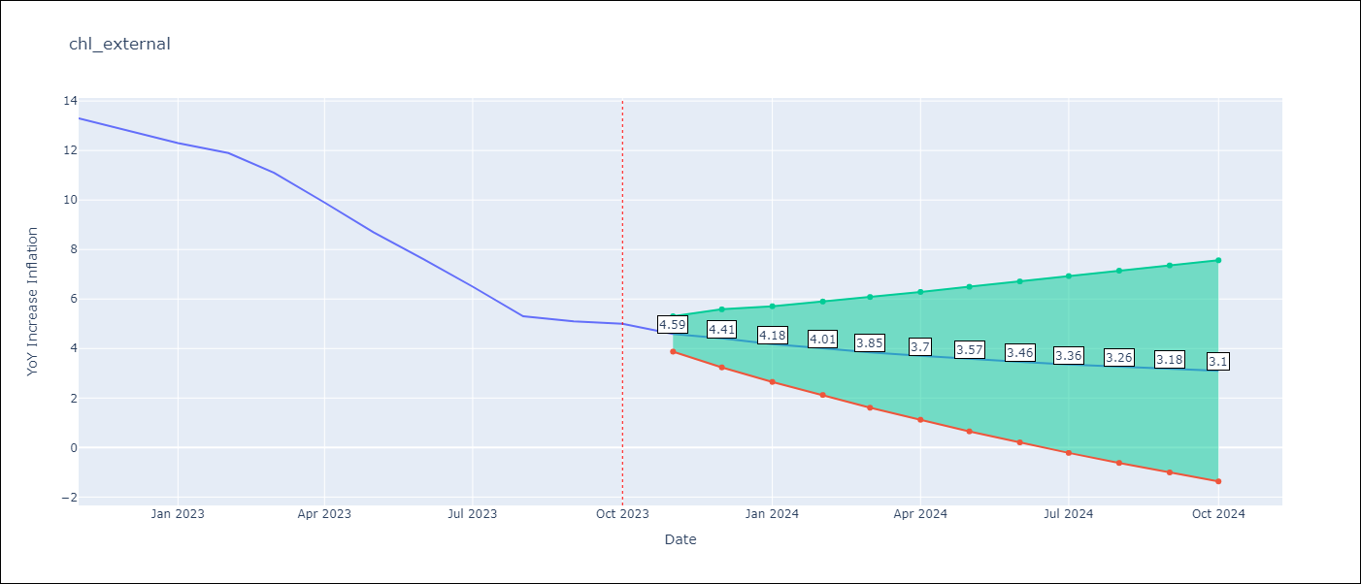

Test Metrics
RMSE | 5.53
Naive RMSE | 0.86
MAPE | 69.31%

Test Predictions
Date | Predicted | Actual
2022-11-01 | 12.88 | 13.3
2022-12-01 | 13.31 | 12.8
2023-01-01 | 13.33 | 12.3
2023-02-01 | 13.55 | 11.9
2023-03-01 | 13.57 | 11.1
2023-04-01 | 13.72 | 9.9
2023-05-01 | 13.72 | 8.7
2023-06-01 | 13.81 | 7.6
2023-07-01 | 13.78 | 6.5
2023-08-01 | 13.82 | 5.3
2023-09-01 | 13.78 | 5.1
2023-10-01 | 13.78 | 5

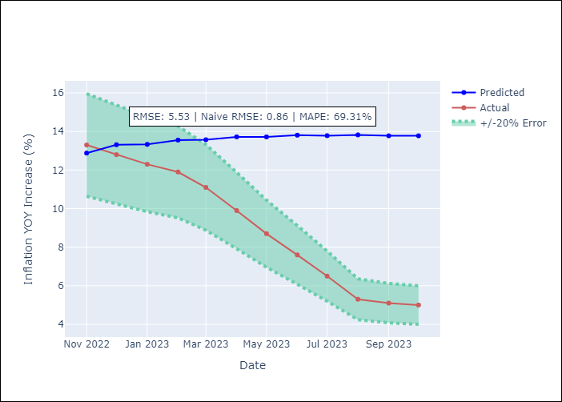

Appendix A: Model Summary
Model | VARMA(2,2)
Sample | - 10-01-2023opg
No. of Observations | 166
Terms | P-value (Statistical significance)
L1.YoY Increase Inflation | 0.212
L1.CPI_United States | 0.400
L1.Real Exchange Rate | 0.755
L2.YoY Increase Inflation | 0.686
L2.CPI_United States | 0.470
L2.Real Exchange Rate | 0.884
L1.e(YoY Increase Inflation) | 0.478
L1.e(CPI_United States) | 0.788
L1.e(Real Exchange Rate ) | 0.894
L2.e(YoY Increase Inflation) | 0.381
L2.e(CPI_United States) | 0.877
L2.e(Real Exchange Rate ) | 0.090
Assumptions | P-value
Ljung-Box (L1) | 0.74, 0.47, 0.57
Heteroskedasticity | 0.47, 0.09, 0.50
Jarque-Bera | 0.02, 0.43, 0.00
Skew | 0.49, -0.14, -0.02
Kurtosis | 3.44, 3.41, 4.32

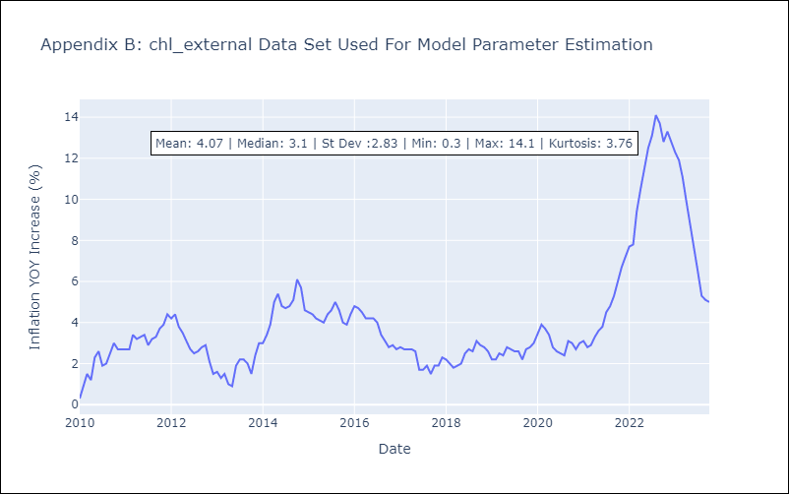

Appendix C: Residuals Analysis
Mean | 0.02
White Noise? | No - Correlation at Lags [12]
Normal? | No

