chl
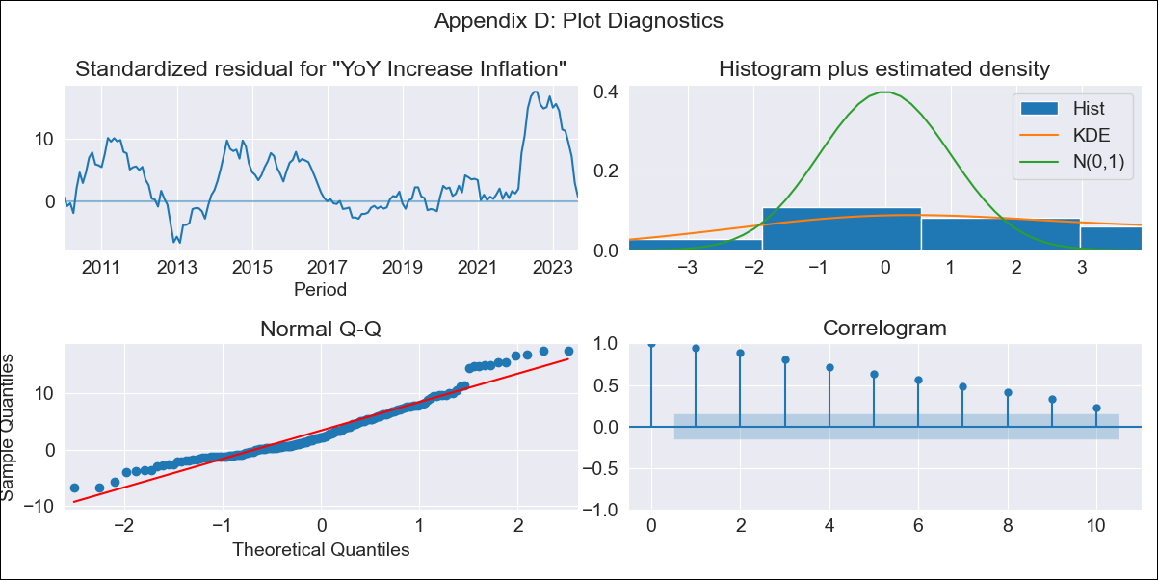
chl - Inflation - Next 12 months forecast as of: 2023-09-01

Model | VARMAX - (3, 2, 3, 2, 0, 0, 12) | Exogenous Variables | Consumo Final Efectivo, Current Account, Real Exchange Rate , Expectativas de inflación en 11 meses, Uncertainty Index_Chile, Price of Gold dollars per ounce, Price of Silver dollars per ounce, Price of Copper dollars per pound, CPI_United States, General wage index, Unemployment rate
Training Data | 2010-01-01 to 2022-10-01
Test Data | 2022-10-01 to 2023-09-01

Date | Inflation Change YoY % | Lower Bound - 95% Confidence Interval | Upper Bound - 95% Confidence Interval
2023-10-01 | 5.4 | 4.63 | 6.16
2023-11-01 | 4.37 | 3.55 | 5.19
2023-12-01 | 2.68 | 1.76 | 3.59
2024-01-01 | 0.47 | -0.48 | 1.42
2024-02-01 | 0.28 | -0.67 | 1.23
2024-03-01 | 0.12 | -0.83 | 1.07
2024-04-01 | 0.04 | -0.91 | 0.99
2024-05-01 | 0.02 | -0.93 | 0.97
2024-06-01 | 0.01 | -0.95 | 0.96
2024-07-01 | 0 | -0.95 | 0.96
2024-08-01 | 0 | -0.95 | 0.96
2024-09-01 | 0 | -0.95 | 0.95

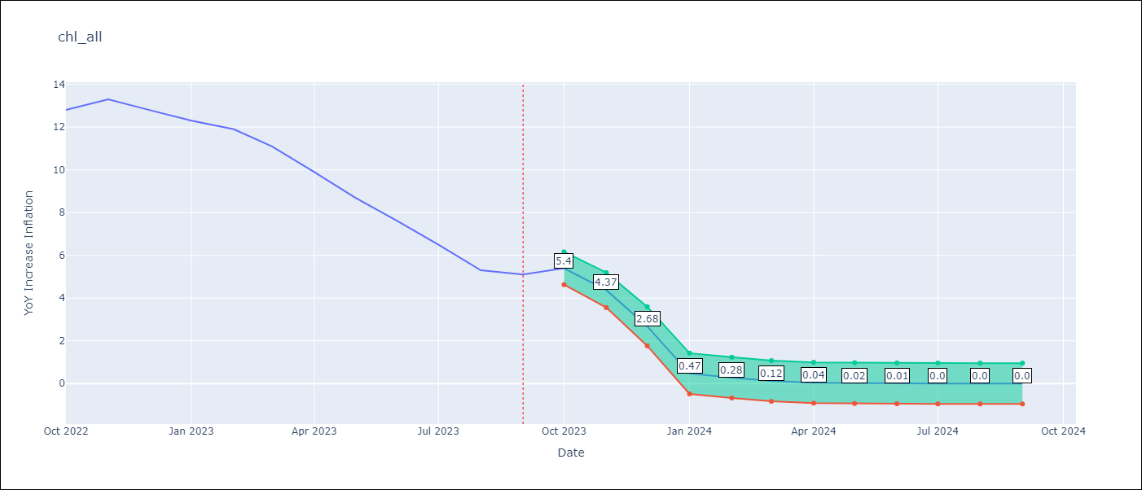

Test Metrics
RMSE | 9.0
Naive RMSE | 0.87
MAPE | 87.86%

Test Predictions
Date | Predicted | Actual
2022-10-01 | 5.3 | 12.8
2022-11-01 | 4.5 | 13.3
2022-12-01 | 2.3 | 12.8
2023-01-01 | 0.38 | 12.3
2023-02-01 | 0.22 | 11.9
2023-03-01 | 0.06 | 11.1
2023-04-01 | 0.02 | 9.9
2023-05-01 | 0.01 | 8.7
2023-06-01 | 0 | 7.6
2023-07-01 | 0 | 6.5
2023-08-01 | 0 | 5.3
2023-09-01 | 0 | 5.1

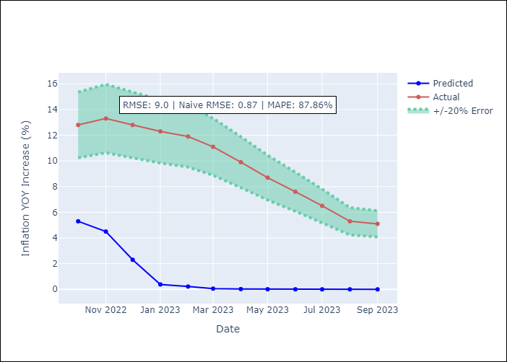

Appendix A: Model Summary
Model | VARMA(3,3)
Sample | - 09-01-2023opg
No. of Observations | 165
Terms | P-value (Statistical significance)
L1.YoY Increase Inflation | nan
L1.Consumo Final Efectivo | 0.975
L1.Current Account | nan
L1.Real Exchange Rate | 0.998
L1.Expectativas de inflación en 11 meses | 0.629
L1.Uncertainty Index_Chile | 0.999
L1.Price of Gold dollars per ounce | 0.999
L1.Price of Silver dollars per ounce | 0.998
L1.Price of Copper dollars per pound | 0.998
L1.CPI_United States | 0.886
L1.General wage index | nan
L1.Unemployment rate | 0.610
L2.YoY Increase Inflation | 0.921
L2.Consumo Final Efectivo | 0.979
L2.Current Account | 0.997
L2.Real Exchange Rate | nan
L2.Expectativas de inflación en 11 meses | 0.817
L2.Uncertainty Index_Chile | 0.999
L2.Price of Gold dollars per ounce | 1.000
L2.Price of Silver dollars per ounce | 0.995
L2.Price of Copper dollars per pound | 0.989
L2.CPI_United States | nan
L2.General wage index | 0.792
L2.Unemployment rate | 0.716
L3.YoY Increase Inflation | 0.887
L3.Consumo Final Efectivo | nan
L3.Current Account | 0.998
L3.Real Exchange Rate | nan
L3.Expectativas de inflación en 11 meses | nan
L3.Uncertainty Index_Chile | 0.998
L3.Price of Gold dollars per ounce | 0.999
L3.Price of Silver dollars per ounce | nan
L3.Price of Copper dollars per pound | nan
L3.CPI_United States | nan
L3.General wage index | 0.185
L3.Unemployment rate | 0.002
L1.e(YoY Increase Inflation) | 0.000
L1.e(Consumo Final Efectivo) | 0.000
L1.e(Current Account) | 0.888
L1.e(Real Exchange Rate ) | 0.752
L1.e(Expectativas de inflación en 11 meses) | 0.000
L1.e(Uncertainty Index_Chile) | 0.957
L1.e(Price of Gold dollars per ounce) | nan
L1.e(Price of Silver dollars per ounce) | 0.544
L1.e(Price of Copper dollars per pound) | 0.840
L1.e(CPI_United States) | 0.000
L1.e(General wage index) | 0.000
L1.e(Unemployment rate) | 0.000
L2.e(YoY Increase Inflation) | 0.000
L2.e(Consumo Final Efectivo) | nan
L2.e(Current Account) | 0.914
L2.e(Real Exchange Rate ) | nan
L2.e(Expectativas de inflación en 11 meses) | 0.000
L2.e(Uncertainty Index_Chile) | 0.873
L2.e(Price of Gold dollars per ounce) | nan
L2.e(Price of Silver dollars per ounce) | 0.989
L2.e(Price of Copper dollars per pound) | 0.908
L2.e(CPI_United States) | nan
L2.e(General wage index) | 0.000
L2.e(Unemployment rate) | 0.000
L3.e(YoY Increase Inflation) | nan
L3.e(Consumo Final Efectivo) | nan
L3.e(Current Account) | 0.921
L3.e(Real Exchange Rate ) | 0.000
L3.e(Expectativas de inflación en 11 meses) | 0.000
L3.e(Uncertainty Index_Chile) | nan
L3.e(Price of Gold dollars per ounce) | 0.777
L3.e(Price of Silver dollars per ounce) | 0.606
L3.e(Price of Copper dollars per pound) | nan
L3.e(CPI_United States) | nan
L3.e(General wage index) | 0.000
L3.e(Unemployment rate) | 0.000
Assumptions | P-value
Ljung-Box (L1) | 0.00, 0.00, 0.00, 0.00, 0.00, 0.00, 0.00, 0.00, 0.00, 0.00, 0.00, 0.00
Heteroskedasticity | 0.00, 0.00, 0.00, 0.00, 0.00, 0.00, 0.01, 0.92, 0.01, 0.00, 0.16, 0.35
Jarque-Bera | 0.00, 0.00, 0.00, 0.00, 0.63, 0.01, 0.00, 0.00, 0.00, 0.00, 0.03, 0.44
Skew | 0.82, 0.21, -0.81, 0.92, 0.12, 0.52, 0.66, 1.09, 0.91, 1.44, -0.49, 0.02
Kurtosis | 3.40, 4.19, 4.03, 4.20, 3.29, 3.50, 2.83, 4.99, 3.79, 4.88, 3.24, 2.51

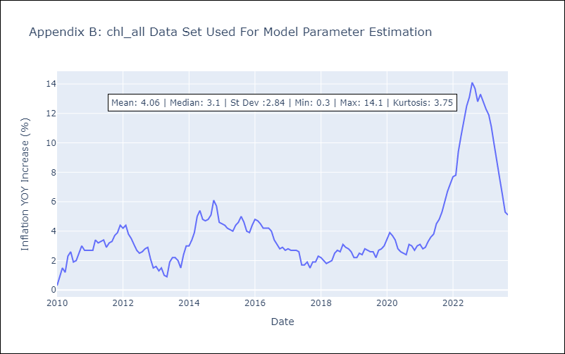

Appendix C: Residuals Analysis
Mean | 1.34
White Noise? | No - Correlation at Lags [ 1 2 3 4 5 6 7 8 9 10 11 12]
Normal? | No

