chlConsumo Final Efectivo
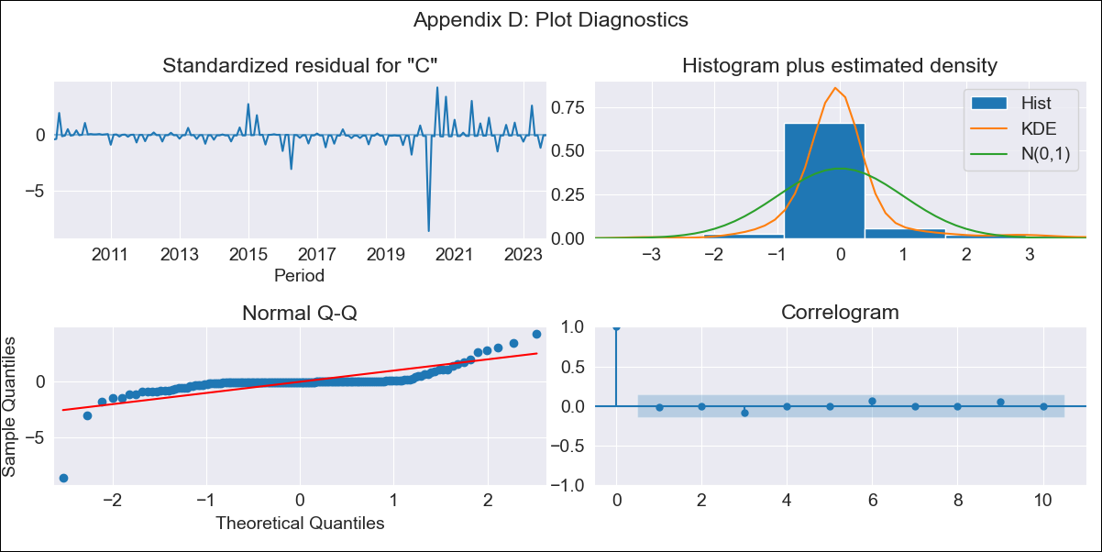
chlConsumo Final Efectivo - Inflation - Next 12 months forecast as of: 2023-09-01

Model | ARIMA - [(1, 1, 3), (3, 0, 0, 12)]
Training Data | 2006-03-01 to 2022-10-01
Test Data | 2022-10-01 to 2023-09-01

Date | Inflation Change YoY % | Lower Bound - 95% Confidence Interval | Upper Bound - 95% Confidence Interval
2023-10-01 | 0.42 | 0.41 | 0.44
2023-11-01 | 0.38 | 0.34 | 0.42
2023-12-01 | 0.34 | 0.28 | 0.4
2024-01-01 | 0.33 | 0.25 | 0.41
2024-02-01 | 0.32 | 0.22 | 0.41
2024-03-01 | 0.3 | 0.2 | 0.41
2024-04-01 | 0.28 | 0.16 | 0.39
2024-05-01 | 0.25 | 0.12 | 0.37
2024-06-01 | 0.22 | 0.08 | 0.35
2024-07-01 | 0.19 | 0.05 | 0.34
2024-08-01 | 0.17 | 0.02 | 0.32
2024-09-01 | 0.14 | -0.02 | 0.3

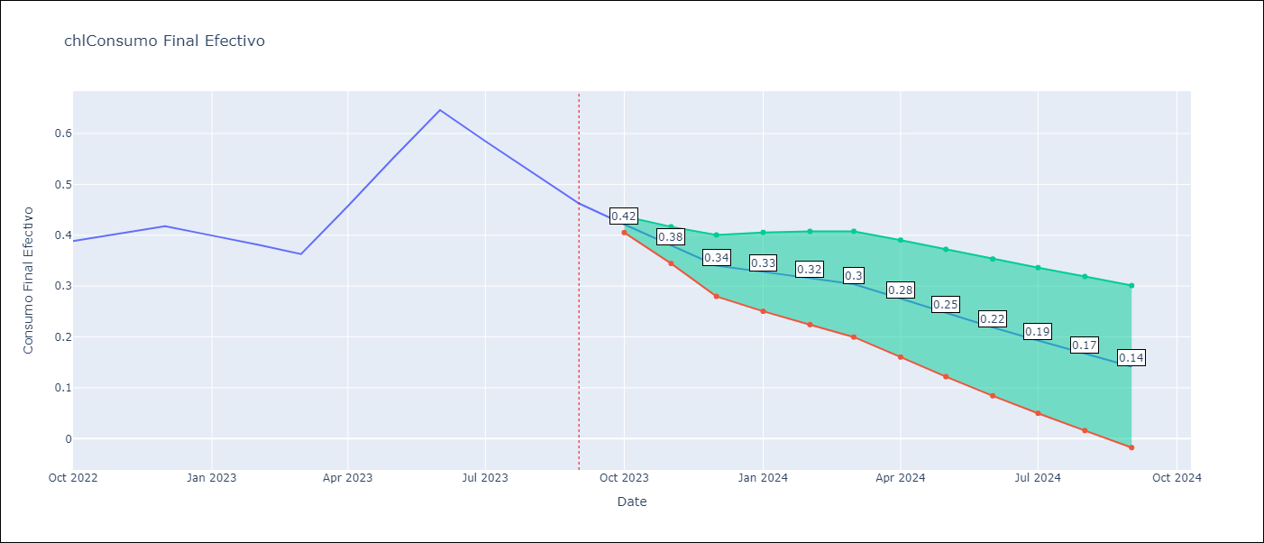

Test Metrics
RMSE | 0.02
Naive RMSE | 0.06
MAPE | 1.8%

Test Predictions
Date | Predicted | Actual
2022-10-01 | 0.38 | 0.39
2022-11-01 | 0.4 | 0.4
2022-12-01 | 0.42 | 0.42
2023-01-01 | 0.41 | 0.4
2023-02-01 | 0.38 | 0.38
2023-03-01 | 0.36 | 0.36
2023-04-01 | 0.4 | 0.46
2023-05-01 | 0.55 | 0.55
2023-06-01 | 0.65 | 0.65
2023-07-01 | 0.6 | 0.58
2023-08-01 | 0.52 | 0.52
2023-09-01 | 0.46 | 0.46

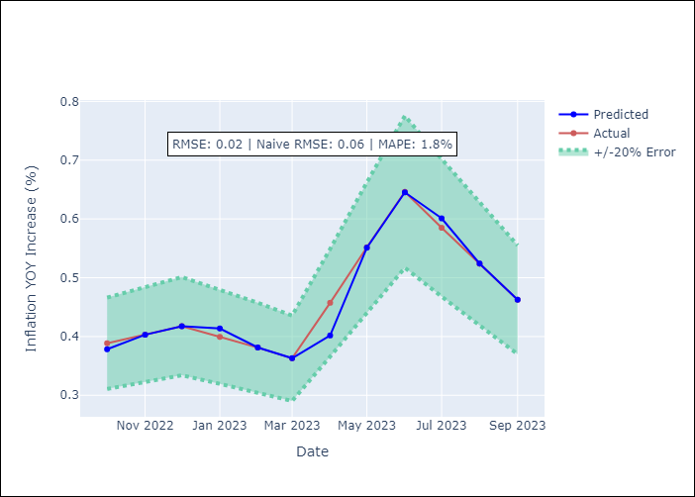

Appendix A: Model Summary
Model | ARIMA(1, 1, 3)x(3, 0, [], 12)
Sample | 03-01-2006- 09-01-2023
No. of Observations | 211
Terms | P-value (Statistical significance)
ar.L1 | 0.363
ma.L1 | 0.711
ma.L2 | 0.724
ma.L3 | 0.408
ar.S.L12 | 0.003
ar.S.L24 | 0.002
ar.S.L36 | 0.000
sigma2 | 0.027
Assumptions | P-value
Ljung-Box (L1) | 0.86
Heteroskedasticity | 0.00
Jarque-Bera | 0.00
Skew | -2.66
Kurtosis | 35.79

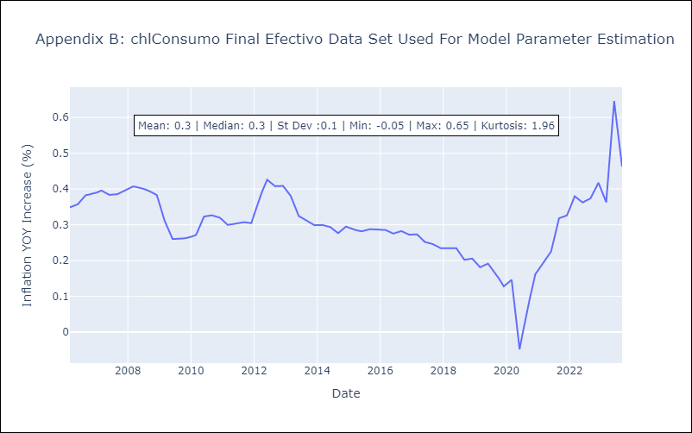

Appendix C: Residuals Analysis
Mean | 0.0
White Noise? | No - Correlation at Lags [ 1 2 3 4 5 6 7 8 9 10 11 12]
Normal? | No

