chlConsumo Final Efectivo

chlConsumo Final Efectivo - Inflation - Next 12 months forecast as of: 2023-09-01

Model | ARIMA - [(1, 1, 3), (3, 0, 0, 12)]
Training Data | 2006-03-01 to 2022-10-01
Test Data | 2022-10-01 to 2023-09-01

Date | Inflation Change YoY % | Lower Bound - 95% Confidence Interval | Upper Bound - 95% Confidence Interval
2023-10-01 | 5.08 | 4.27 | 5.89
2023-11-01 | 4.46 | 3.2 | 5.73
2023-12-01 | 4.39 | 2.71 | 6.08
2024-01-01 | 4.38 | 2.25 | 6.5
2024-02-01 | 4.45 | 1.89 | 7.02
2024-03-01 | 4.41 | 1.42 | 7.4
2024-04-01 | 4.66 | 1.26 | 8.06
2024-05-01 | 4.95 | 1.16 | 8.74
2024-06-01 | 5.21 | 1.04 | 9.38
2024-07-01 | 5.53 | 1 | 10.06
2024-08-01 | 5.85 | 0.98 | 10.72
2024-09-01 | 5.98 | 0.78 | 11.17

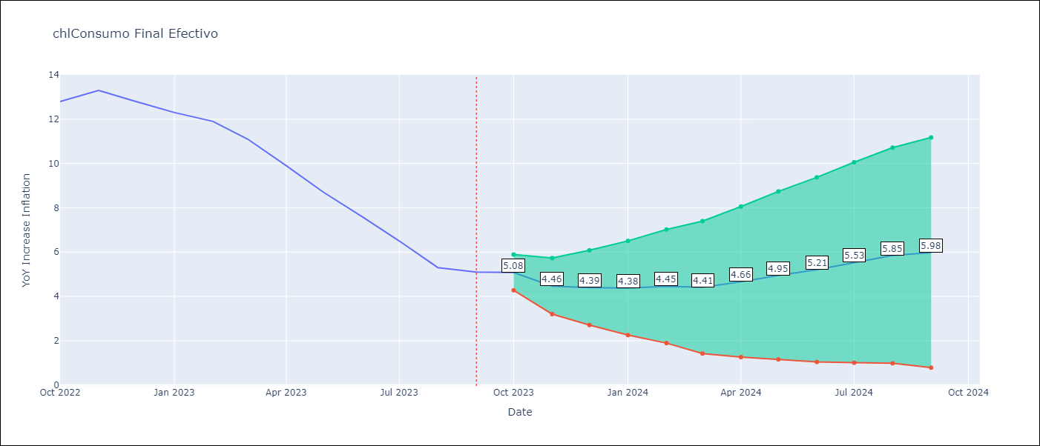

Test Metrics
RMSE | 0.48
Naive RMSE | 0.87
MAPE | 4.36%

Test Predictions
Date | Predicted | Actual
2022-10-01 | 13.77 | 12.8
2022-11-01 | 12.62 | 13.3
2022-12-01 | 13.24 | 12.8
2023-01-01 | 12.54 | 12.3
2023-02-01 | 12.29 | 11.9
2023-03-01 | 11.1 | 11.1
2023-04-01 | 10.47 | 9.9
2023-05-01 | 9.23 | 8.7
2023-06-01 | 7.96 | 7.6
2023-07-01 | 6.87 | 6.5
2023-08-01 | 5.61 | 5.3
2023-09-01 | 4.95 | 5.1

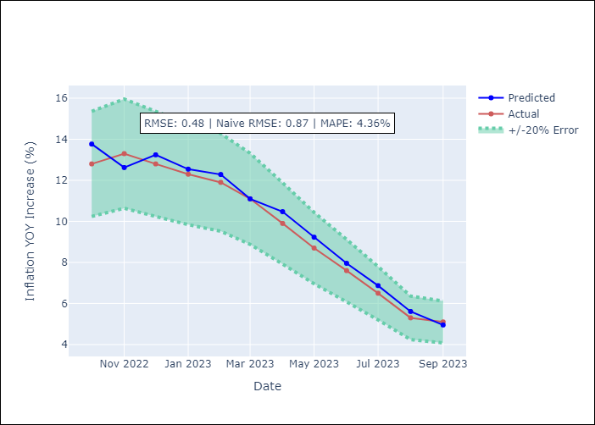

Appendix A: Model Summary
Model | ARIMA(1, 1, 3)x(3, 0, [], 12)
Sample | 03-01-2006- 09-01-2023
No. of Observations | 211
Terms | P-value (Statistical significance)
ar.L1 | 0.000
ma.L1 | 0.000
ma.L2 | 0.812
ma.L3 | 0.326
ar.S.L12 | 0.000
ar.S.L24 | 0.007
ar.S.L36 | 0.475
sigma2 | 0.000
Assumptions | P-value
Ljung-Box (L1) | 0.98
Heteroskedasticity | 0.12
Jarque-Bera | 0.04
Skew | 0.27
Kurtosis | 3.76

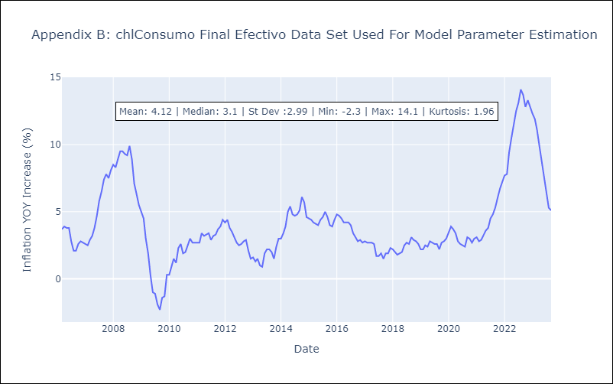

Appendix C: Residuals Analysis
Mean | 0.02
White Noise? | Yes
Normal? | No

