chlCurrent Account
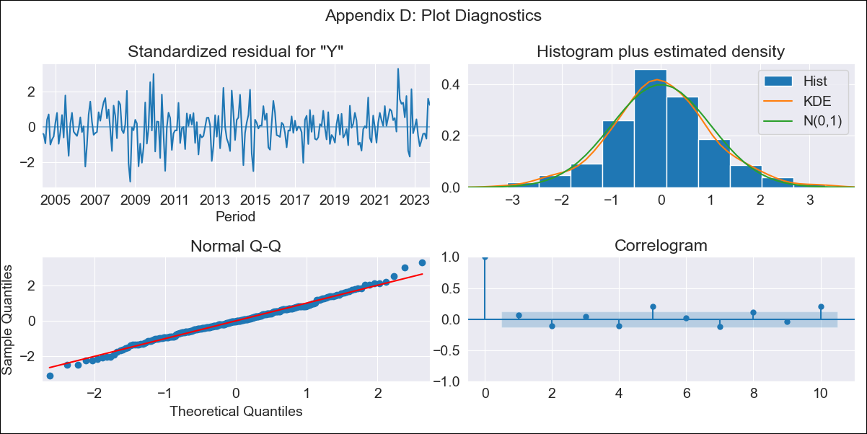
chlCurrent Account - Inflation - Next 12 months forecast as of: 2023-10-01

Model | ARIMA - [(2, 0, 1), (0, 0, 1, 12)]
Training Data | 2003-03-01 to 2022-11-01
Test Data | 2022-11-01 to 2023-10-01

Date | Inflation Change YoY % | Lower Bound - 95% Confidence Interval | Upper Bound - 95% Confidence Interval
2023-11-01 | 4.57 | 3.69 | 5.46
2023-12-01 | 4.16 | 2.75 | 5.58
2024-01-01 | 3.8 | 1.91 | 5.69
2024-02-01 | 3.48 | 1.13 | 5.83
2024-03-01 | 3.2 | 0.42 | 5.98
2024-04-01 | 2.95 | -0.22 | 6.12
2024-05-01 | 2.75 | -0.78 | 6.28
2024-06-01 | 2.59 | -1.25 | 6.44
2024-07-01 | 2.47 | -1.65 | 6.6
2024-08-01 | 2.39 | -1.98 | 6.76
2024-09-01 | 2.36 | -2.21 | 6.94
2024-10-01 | 2.37 | -2.37 | 7.12

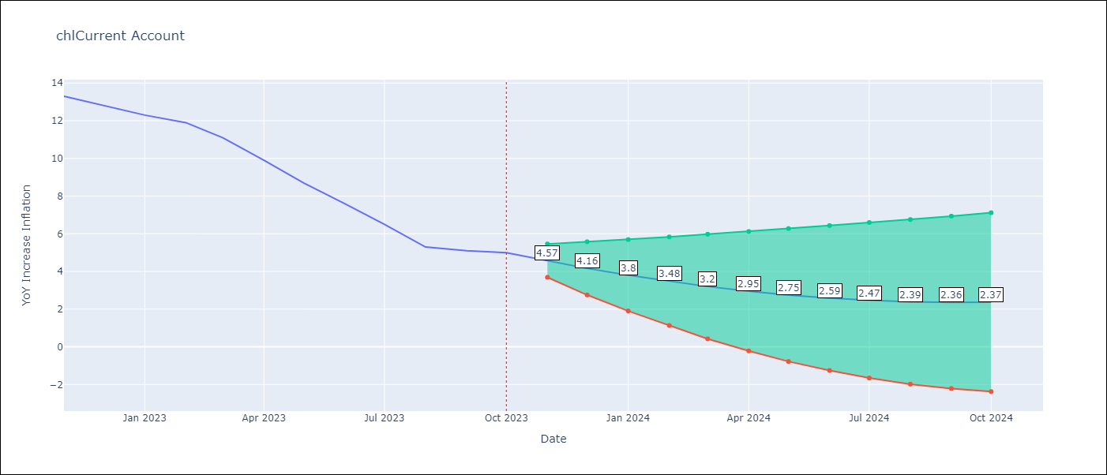

Test Metrics
RMSE | 0.49
Naive RMSE | 0.86
MAPE | 4.78%

Test Predictions
Date | Predicted | Actual
2022-11-01 | 12.3 | 13.3
2022-12-01 | 12.99 | 12.8
2023-01-01 | 12.31 | 12.3
2023-02-01 | 11.68 | 11.9
2023-03-01 | 11.35 | 11.1
2023-04-01 | 10.35 | 9.9
2023-05-01 | 9.02 | 8.7
2023-06-01 | 7.62 | 7.6
2023-07-01 | 6.48 | 6.5
2023-08-01 | 5.46 | 5.3
2023-09-01 | 4.15 | 5.1
2023-10-01 | 4.31 | 5

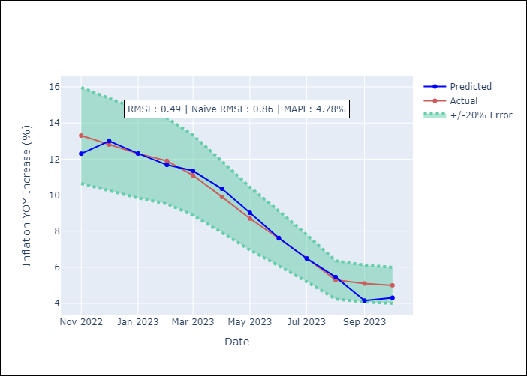

Appendix A: Model Summary
Model | ARIMA(2, 0, 1)x(0, 0, 1, 12)
Sample | 03-01-2003- 10-01-2023
No. of Observations | 248
Terms | P-value (Statistical significance)
const | 0.000
ar.L1 | 0.000
ar.L2 | 0.000
ma.L1 | 0.000
ma.S.L12 | 0.672
sigma2 | 0.833
Assumptions | P-value
Ljung-Box (L1) | 0.35
Heteroskedasticity | 0.08
Jarque-Bera | 0.15
Skew | 0.09
Kurtosis | 3.60

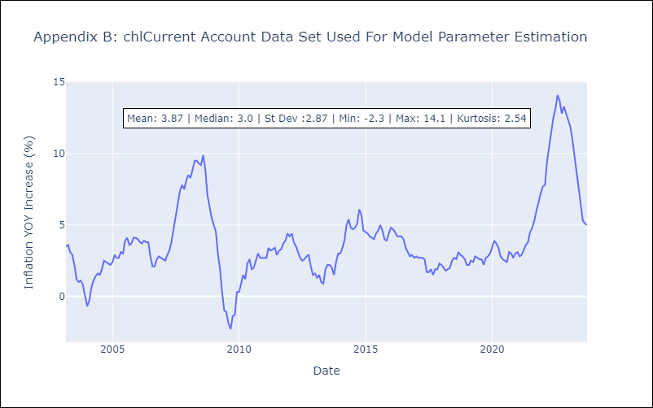

Appendix C: Residuals Analysis
Mean | -0.0
White Noise? | No - Correlation at Lags [ 5 6 7 8 9 10 11 12]
Normal? | Yes

