chl
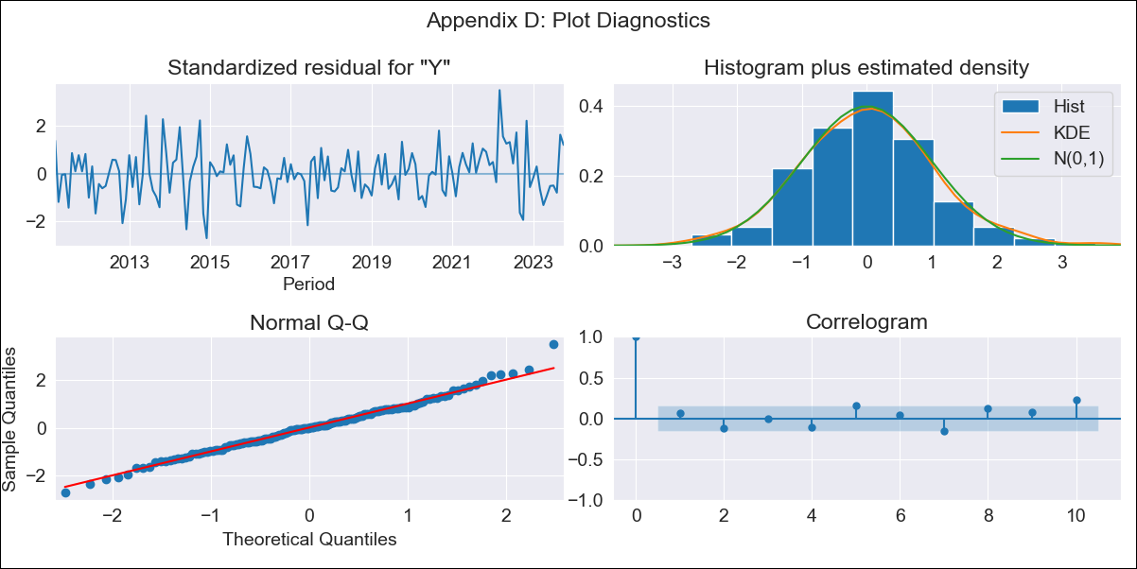
chl - Inflation - Next 12 months forecast as of: 2023-10-01

Model | ARIMA - [(2, 0, 1), (0, 0, 1, 12)]
Training Data | 2010-01-01 to 2022-11-01
Test Data | 2022-11-01 to 2023-10-01

Date | Inflation Change YoY % | Lower Bound - 95% Confidence Interval | Upper Bound - 95% Confidence Interval
2023-11-01 | 4.62 | 3.8 | 5.44
2023-12-01 | 4.26 | 2.94 | 5.59
2024-01-01 | 3.95 | 2.15 | 5.75
2024-02-01 | 3.68 | 1.43 | 5.92
2024-03-01 | 3.44 | 0.76 | 6.11
2024-04-01 | 3.23 | 0.16 | 6.29
2024-05-01 | 3.06 | -0.37 | 6.48
2024-06-01 | 2.92 | -0.84 | 6.68
2024-07-01 | 2.82 | -1.24 | 6.87
2024-08-01 | 2.74 | -1.57 | 7.05
2024-09-01 | 2.71 | -1.83 | 7.25
2024-10-01 | 2.7 | -2.04 | 7.43

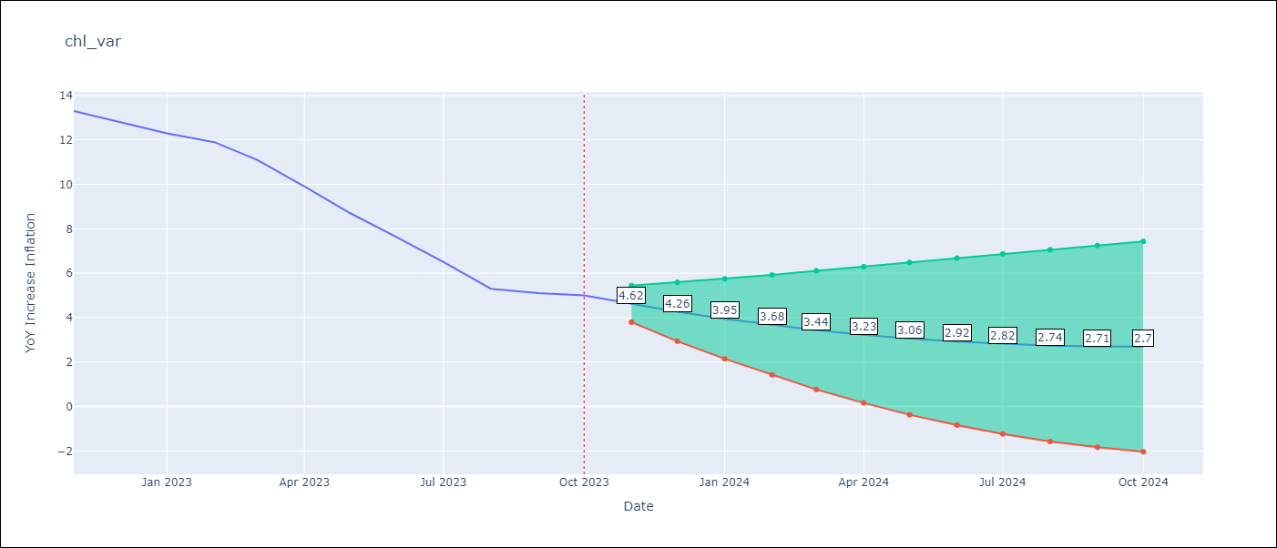

Test Metrics
RMSE | 0.62
Naive RMSE | 0.86
MAPE | 6.18%

Test Predictions
Date | Predicted | Actual
2022-11-01 | 12.57 | 13.3
2022-12-01 | 13.7 | 12.8
2023-01-01 | 12.63 | 12.3
2023-02-01 | 12.36 | 11.9
2023-03-01 | 11.84 | 11.1
2023-04-01 | 10.58 | 9.9
2023-05-01 | 9.1 | 8.7
2023-06-01 | 7.59 | 7.6
2023-07-01 | 6.52 | 6.5
2023-08-01 | 5.32 | 5.3
2023-09-01 | 4.04 | 5.1
2023-10-01 | 4.24 | 5

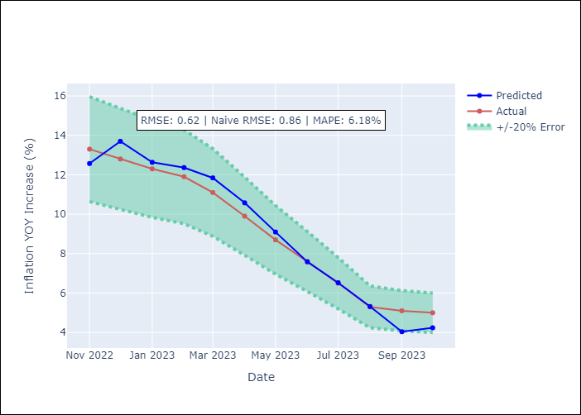

Appendix A: Model Summary
Model | ARIMA(2, 0, 1)x(0, 0, 1, 12)
Sample | 01-01-2010- 10-01-2023
No. of Observations | 166
Terms | P-value (Statistical significance)
const | 0.000
ar.L1 | 0.000
ar.L2 | 0.000
ma.L1 | 0.000
ma.S.L12 | 0.000
sigma2 | 0.000
Assumptions | P-value
Ljung-Box (L1) | 0.43
Heteroskedasticity | 0.89
Jarque-Bera | 0.21
Skew | 0.22
Kurtosis | 3.55

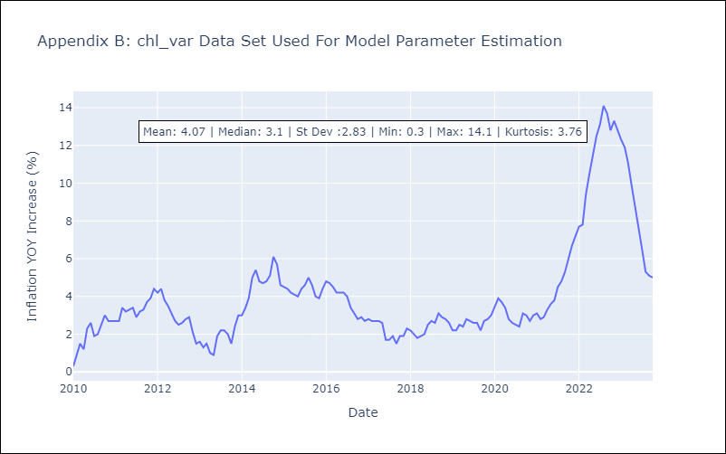

Appendix C: Residuals Analysis
Mean | 0.0
White Noise? | No - Correlation at Lags [ 1 2 3 4 5 6 7 8 9 10 11 12]
Normal? | No

