chl
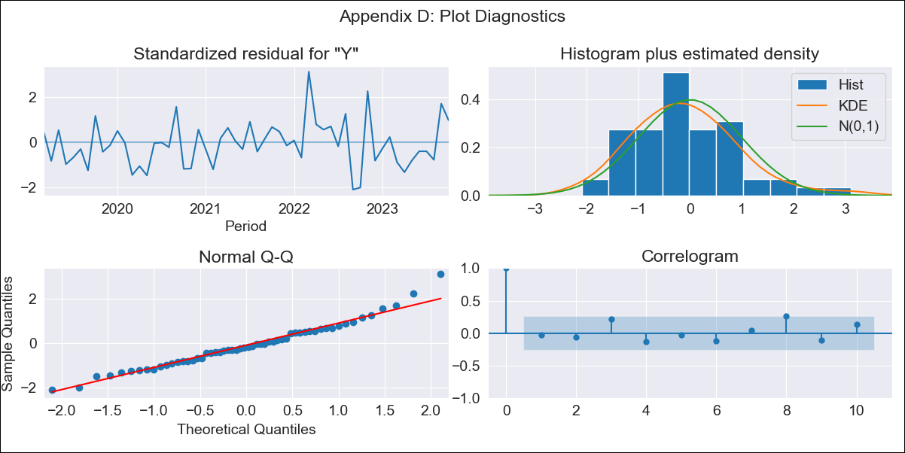
chl - Inflation - Next 12 months forecast as of: 2023-10-01

Model | ARIMA - [(2, 0, 1), (0, 0, 1, 12)]
Training Data | 2018-01-01 to 2022-11-01
Test Data | 2022-11-01 to 2023-10-01

Date | Inflation Change YoY % | Lower Bound - 95% Confidence Interval | Upper Bound - 95% Confidence Interval
2023-11-01 | 4.82 | 3.97 | 5.68
2023-12-01 | 4.66 | 3.19 | 6.14
2024-01-01 | 4.57 | 2.47 | 6.66
2024-02-01 | 4.53 | 1.83 | 7.24
2024-03-01 | 4.53 | 1.23 | 7.83
2024-04-01 | 4.55 | 0.68 | 8.42
2024-05-01 | 4.62 | 0.22 | 9.02
2024-06-01 | 4.72 | -0.16 | 9.6
2024-07-01 | 4.85 | -0.46 | 10.17
2024-08-01 | 5 | -0.7 | 10.7
2024-09-01 | 5.22 | -0.81 | 11.26
2024-10-01 | 5.46 | -0.86 | 11.78

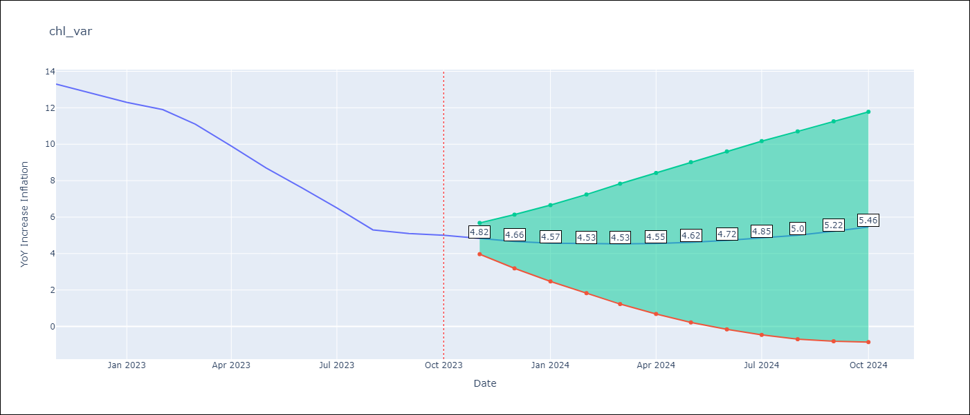

Test Metrics
RMSE | 0.67
Naive RMSE | 0.86
MAPE | 6.3%

Test Predictions
Date | Predicted | Actual
2022-11-01 | 11.71 | 13.3
2022-12-01 | 13.3 | 12.8
2023-01-01 | 12.16 | 12.3
2023-02-01 | 11.49 | 11.9
2023-03-01 | 11.41 | 11.1
2023-04-01 | 10.19 | 9.9
2023-05-01 | 8.59 | 8.7
2023-06-01 | 7.24 | 7.6
2023-07-01 | 6.14 | 6.5
2023-08-01 | 5.29 | 5.3
2023-09-01 | 3.84 | 5.1
2023-10-01 | 4.36 | 5

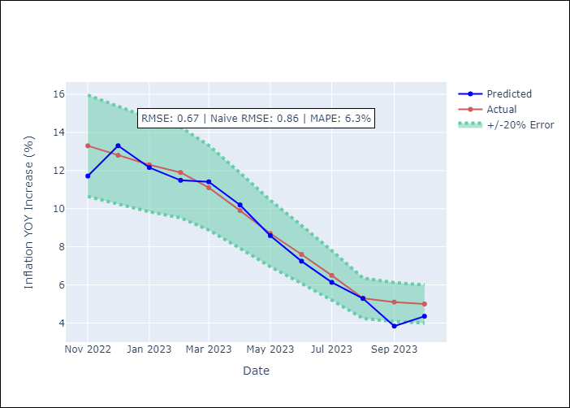

Appendix A: Model Summary
Model | ARIMA(2, 0, 1)x(0, 0, 1, 12)
Sample | 01-01-2018- 10-01-2023
No. of Observations | 70
Terms | P-value (Statistical significance)
const | 0.001
ar.L1 | 0.000
ar.L2 | 0.000
ma.L1 | 0.003
ma.S.L12 | 0.758
sigma2 | 0.878
Assumptions | P-value
Ljung-Box (L1) | 0.80
Heteroskedasticity | 0.20
Jarque-Bera | 0.08
Skew | 0.60
Kurtosis | 3.81

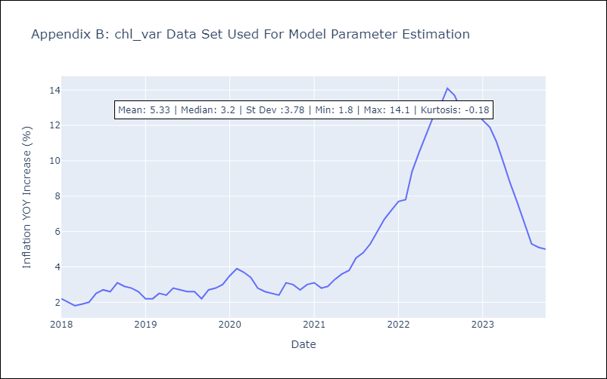

Appendix C: Residuals Analysis
Mean | -0.05
White Noise? | No - Correlation at Lags [1 2 3 4 5]
Normal? | No

