chl
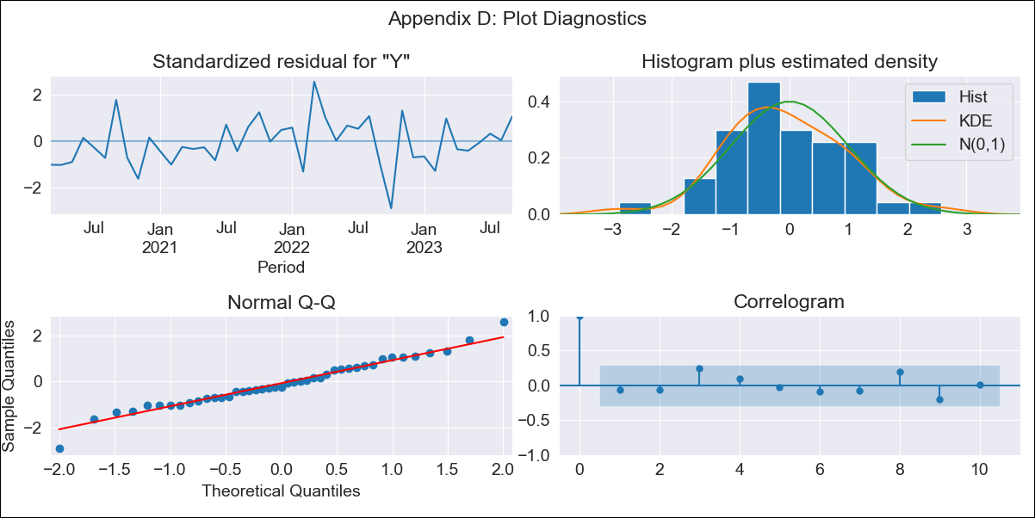
chl - Inflation - Next 12 months forecast as of: 2023-09-01

Model | ARIMA - [(2, 0, 1), (2, 0, 0, 12)]
Training Data | 2018-01-01 to 2022-10-01
Test Data | 2022-10-01 to 2023-09-01

Date | Inflation Change YoY % | Lower Bound - 95% Confidence Interval | Upper Bound - 95% Confidence Interval
2023-10-01 | 4.7 | 3.95 | 5.44
2023-11-01 | 3.48 | 2.32 | 4.65
2023-12-01 | 2.92 | 1.35 | 4.48
2024-01-01 | 2.33 | 0.37 | 4.28
2024-02-01 | 1.91 | -0.43 | 4.25
2024-03-01 | 0.77 | -1.95 | 3.49
2024-04-01 | 0.16 | -2.93 | 3.26
2024-05-01 | -0.38 | -3.83 | 3.07
2024-06-01 | -0.98 | -4.77 | 2.82
2024-07-01 | -1.3 | -5.43 | 2.82
2024-08-01 | -1.81 | -6.24 | 2.63
2024-09-01 | -1.96 | -6.68 | 2.75

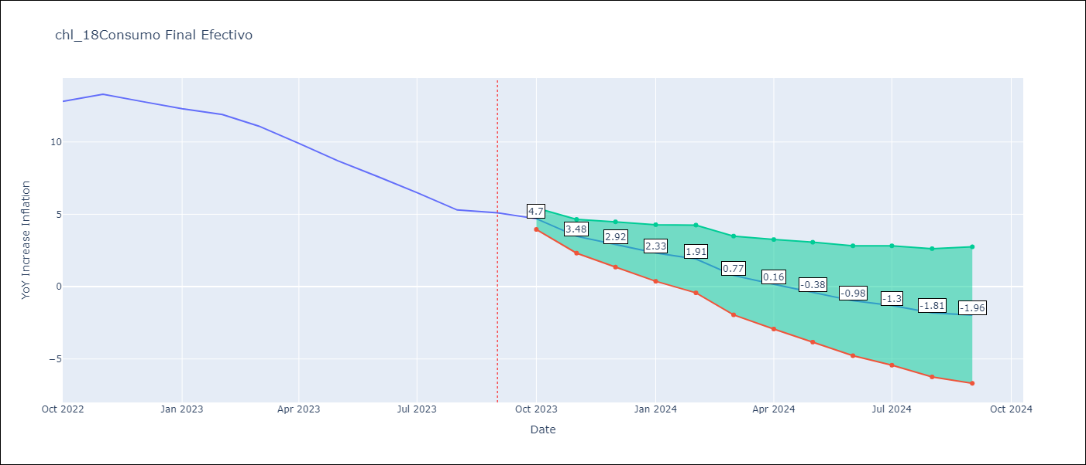

Test Metrics
RMSE | 0.63
Naive RMSE | 0.87
MAPE | 5.56%

Test Predictions
Date | Predicted | Actual
2022-10-01 | 14.23 | 12.8
2022-11-01 | 12.96 | 13.3
2022-12-01 | 13.21 | 12.8
2023-01-01 | 12.66 | 12.3
2023-02-01 | 12.65 | 11.9
2023-03-01 | 10.32 | 11.1
2023-04-01 | 9.75 | 9.9
2023-05-01 | 8.68 | 8.7
2023-06-01 | 7.28 | 7.6
2023-07-01 | 6.09 | 6.5
2023-08-01 | 5.04 | 5.3
2023-09-01 | 4.26 | 5.1

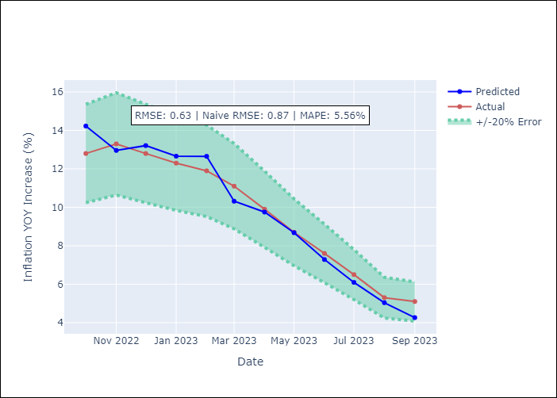

Appendix A: Model Summary
Model | ARIMA(2, 0, 1)x(2, 0, [], 12)
Sample | 01-01-2018- 09-01-2023
No. of Observations | 69
Terms | P-value (Statistical significance)
const | 0.002
ar.L1 | 0.000
ar.L2 | 0.000
ma.L1 | 0.001
ar.S.L12 | 0.005
ar.S.L24 | 0.003
sigma2 | 0.000
Assumptions | P-value
Ljung-Box (L1) | 0.69
Heteroskedasticity | 0.42
Jarque-Bera | 0.67
Skew | 0.05
Kurtosis | 3.66

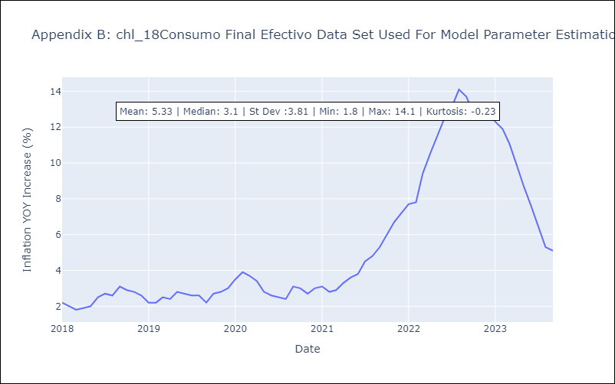

Appendix C: Residuals Analysis
Mean | -0.03
White Noise? | No - Correlation at Lags [ 1 2 3 4 5 6 7 12]
Normal? | No

