chl
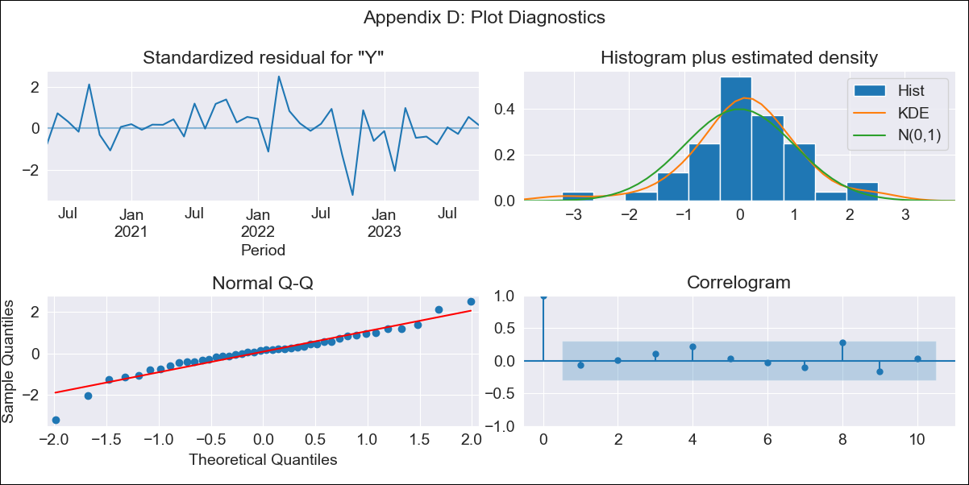
chl - Inflation - Next 12 months forecast as of: 2023-10-01

Model | ARIMA - [(3, 1, 0), (2, 0, 0, 12)]
Training Data | 2018-01-01 to 2022-11-01
Test Data | 2022-11-01 to 2023-10-01

Date | Inflation Change YoY % | Lower Bound - 95% Confidence Interval | Upper Bound - 95% Confidence Interval
2023-11-01 | 4.01 | 3.25 | 4.76
2023-12-01 | 3.83 | 2.61 | 5.05
2024-01-01 | 3.65 | 1.97 | 5.33
2024-02-01 | 3.67 | 1.39 | 5.95
2024-03-01 | 2.93 | 0.04 | 5.82
2024-04-01 | 2.76 | -0.74 | 6.27
2024-05-01 | 2.67 | -1.48 | 6.83
2024-06-01 | 2.54 | -2.28 | 7.36
2024-07-01 | 2.68 | -2.8 | 8.17
2024-08-01 | 2.61 | -3.55 | 8.78
2024-09-01 | 2.93 | -3.91 | 9.77
2024-10-01 | 3.54 | -3.99 | 11.06

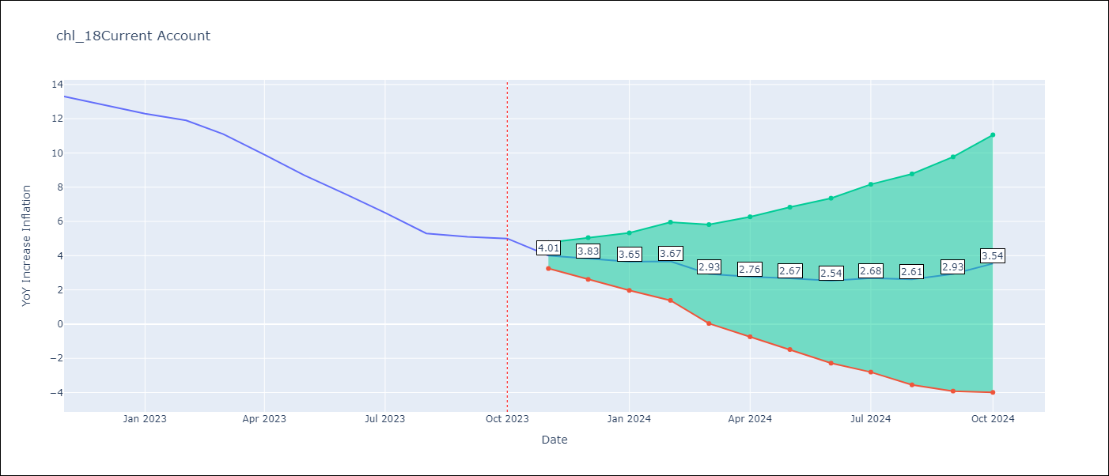

Test Metrics
RMSE | 0.38
Naive RMSE | 0.86
MAPE | 3.09%

Test Predictions
Date | Predicted | Actual
2022-11-01 | 12.91 | 13.3
2022-12-01 | 13.18 | 12.8
2023-01-01 | 12.24 | 12.3
2023-02-01 | 12.91 | 11.9
2023-03-01 | 10.69 | 11.1
2023-04-01 | 10.16 | 9.9
2023-05-01 | 8.89 | 8.7
2023-06-01 | 7.9 | 7.6
2023-07-01 | 6.46 | 6.5
2023-08-01 | 5.41 | 5.3
2023-09-01 | 4.81 | 5.1
2023-10-01 | 4.93 | 5

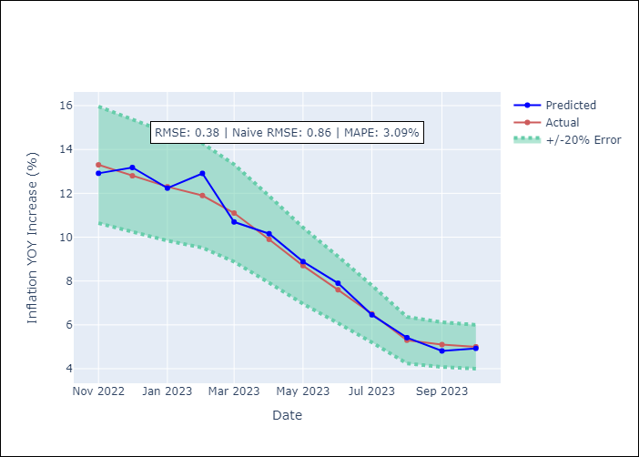

Appendix A: Model Summary
Model | ARIMA(3, 1, 0)x(2, 0, 0, 12)
Sample | 01-01-2018- 10-01-2023
No. of Observations | 70
Terms | P-value (Statistical significance)
ar.L1 | 0.155
ar.L2 | 0.302
ar.L3 | 0.026
ar.S.L12 | 0.001
ar.S.L24 | 0.001
sigma2 | 0.000
Assumptions | P-value
Ljung-Box (L1) | 0.66
Heteroskedasticity | 0.08
Jarque-Bera | 0.01
Skew | -0.56
Kurtosis | 5.09

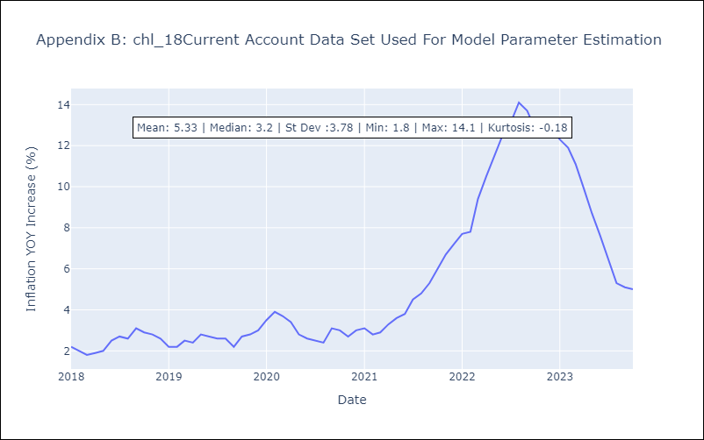

Appendix C: Residuals Analysis
Mean | 0.04
White Noise? | Yes
Normal? | No

