chl
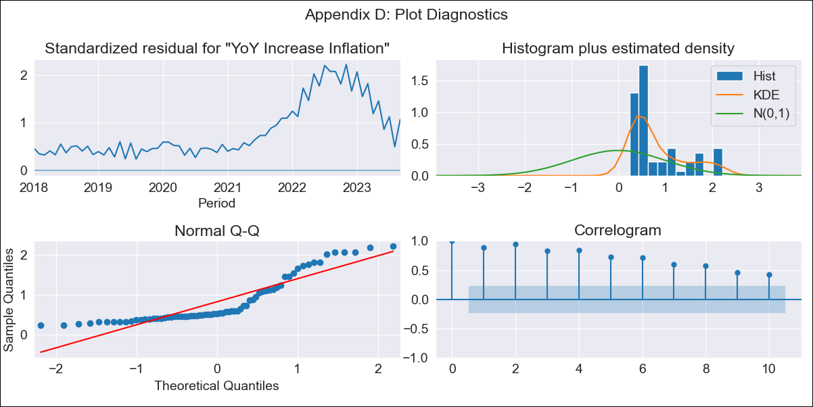
chl - Inflation - Next 12 months forecast as of: 2023-09-01

Model | VARMAX - (0, 2, 1, 0, 0, 1, 12) | Exogenous Variables | Consumo Final Efectivo
Training Data | 2018-01-01 to 2022-10-01
Test Data | 2022-10-01 to 2023-09-01

Date | Inflation Change YoY % | Lower Bound - 95% Confidence Interval | Upper Bound - 95% Confidence Interval
2023-10-01 | 3.47 | -3.01 | 9.94
2023-11-01 | 0 | -9.12 | 9.12
2023-12-01 | 0 | -9.12 | 9.12
2024-01-01 | 0 | -9.12 | 9.12
2024-02-01 | 0 | -9.12 | 9.12
2024-03-01 | 0 | -9.12 | 9.12
2024-04-01 | 0 | -9.12 | 9.12
2024-05-01 | 0 | -9.12 | 9.12
2024-06-01 | 0 | -9.12 | 9.12
2024-07-01 | 0 | -9.12 | 9.12
2024-08-01 | 0 | -9.12 | 9.12
2024-09-01 | 0 | -9.12 | 9.12

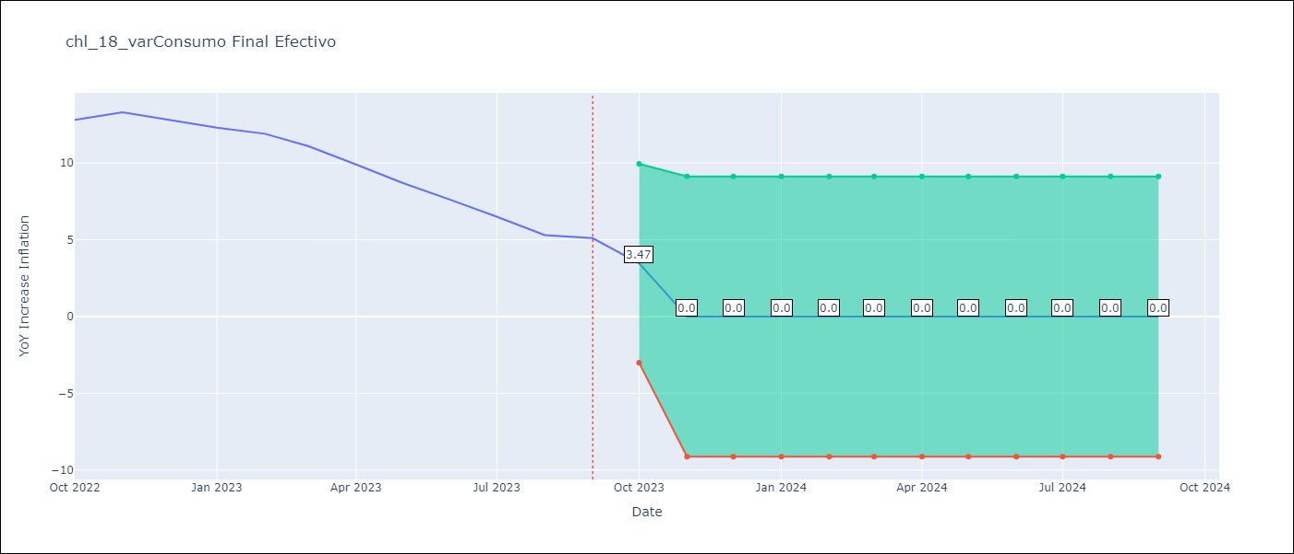

Test Metrics
RMSE | 5.09
Naive RMSE | 0.87
MAPE | 49.37%

Test Predictions
Date | Predicted | Actual
2022-10-01 | 6.68 | 12.8
2022-11-01 | 6.03 | 13.3
2022-12-01 | 7.13 | 12.8
2023-01-01 | 5.27 | 12.3
2023-02-01 | 6.68 | 11.9
2023-03-01 | 5.18 | 11.1
2023-04-01 | 5.82 | 9.9
2023-05-01 | 3.88 | 8.7
2023-06-01 | 4.62 | 7.6
2023-07-01 | 2.74 | 6.5
2023-08-01 | 3.7 | 5.3
2023-09-01 | 1.65 | 5.1

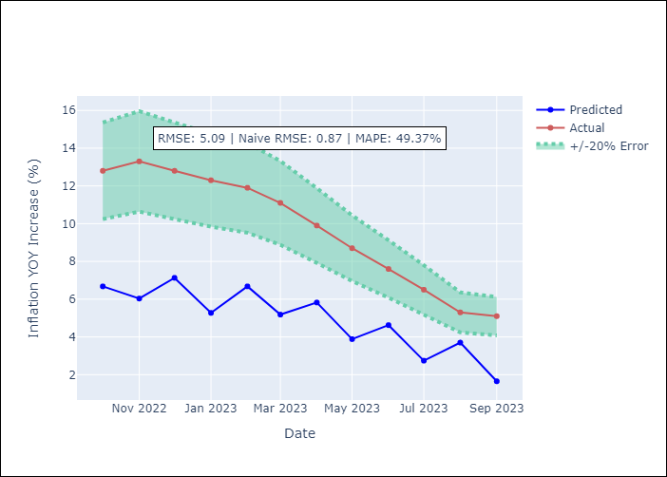

Appendix A: Model Summary
Model | VMA(1)
Sample | - 09-01-2023opg
No. of Observations | 69
Terms | P-value (Statistical significance)
L1.e(YoY Increase Inflation) | 0.839
L1.e(Consumo Final Efectivo) | 1.000
Assumptions | P-value
Ljung-Box (L1) | 0.00, 0.00
Heteroskedasticity | 0.00, 0.03
Jarque-Bera | 0.00, 0.33
Skew | 1.13, 0.15
Kurtosis | 2.91, 3.83

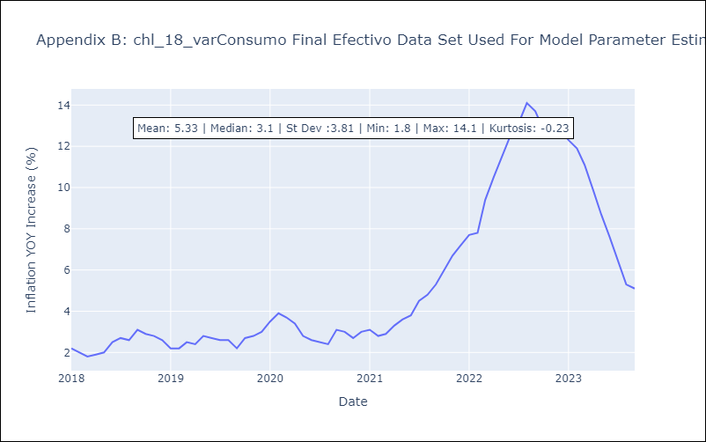

Appendix C: Residuals Analysis
Mean | 2.76
White Noise? | No - Correlation at Lags [ 1 2 3 4 5 6 7 8 9 10 11 12]
Normal? | No

