chl
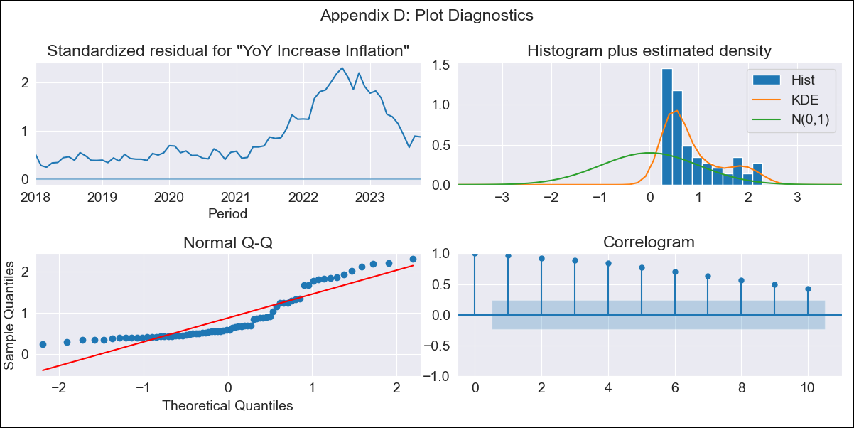
chl - Inflation - Next 12 months forecast as of: 2023-10-01

Model | VARMAX - (0, 2, 2, 0, 0, 1, 12) | Exogenous Variables | Uncertainty Index_Chile
Training Data | 2018-01-01 to 2022-11-01
Test Data | 2022-11-01 to 2023-10-01

Date | Inflation Change YoY % | Lower Bound - 95% Confidence Interval | Upper Bound - 95% Confidence Interval
2023-11-01 | 2.02 | -5.55 | 9.58
2023-12-01 | 0.81 | -7.17 | 8.78
2024-01-01 | 0 | -8.31 | 8.31
2024-02-01 | 0 | -8.31 | 8.31
2024-03-01 | 0 | -8.31 | 8.31
2024-04-01 | 0 | -8.31 | 8.31
2024-05-01 | 0 | -8.31 | 8.31
2024-06-01 | 0 | -8.31 | 8.31
2024-07-01 | 0 | -8.31 | 8.31
2024-08-01 | 0 | -8.31 | 8.31
2024-09-01 | 0 | -8.31 | 8.31
2024-10-01 | 0 | -8.31 | 8.31

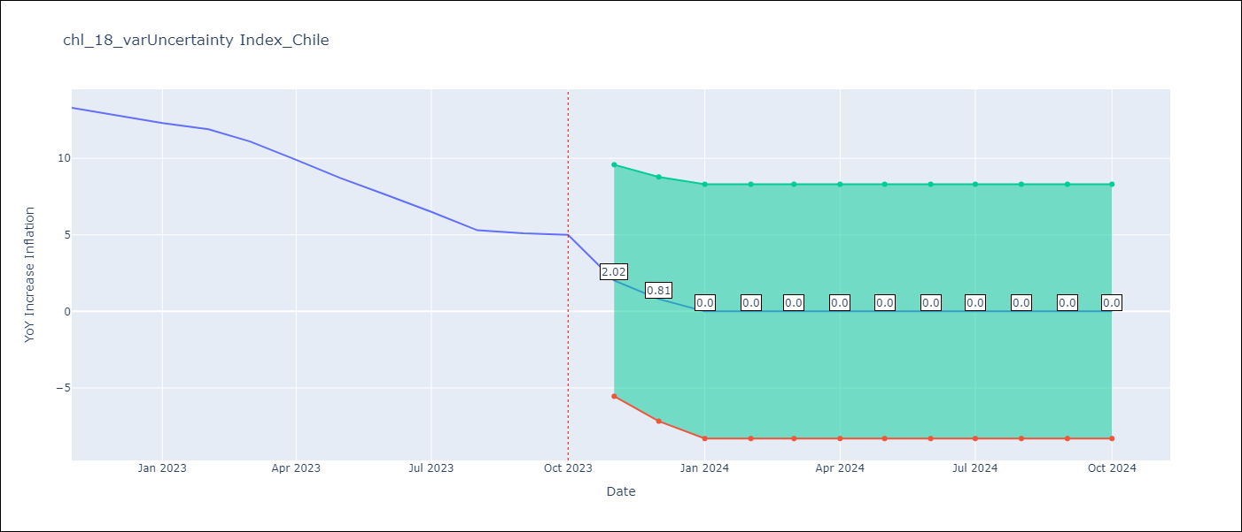

Test Metrics
RMSE | 3.71
Naive RMSE | 0.86
MAPE | 38.26%

Test Predictions
Date | Predicted | Actual
2022-11-01 | 6.24 | 13.3
2022-12-01 | 12.21 | 12.8
2023-01-01 | 6.33 | 12.3
2023-02-01 | 7.75 | 11.9
2023-03-01 | 10.83 | 11.1
2023-04-01 | 8.47 | 9.9
2023-05-01 | 4.78 | 8.7
2023-06-01 | 4.39 | 7.6
2023-07-01 | 3.7 | 6.5
2023-08-01 | 1.77 | 5.3
2023-09-01 | 2.38 | 5.1
2023-10-01 | 2.46 | 5

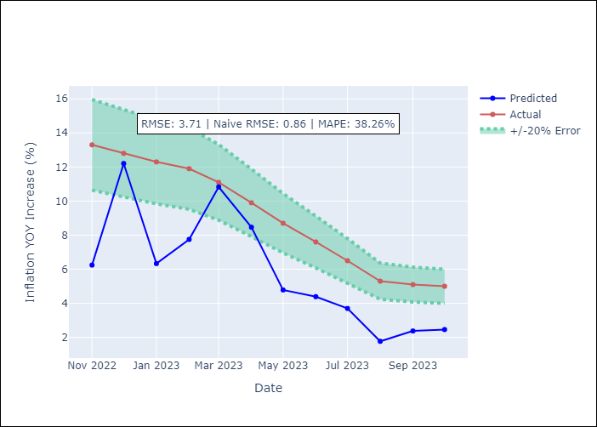

Appendix A: Model Summary
Model | VMA(2)
Sample | - 10-01-2023opg
No. of Observations | 70
Terms | P-value (Statistical significance)
L1.e(YoY Increase Inflation) | 0.125
L1.e(Uncertainty Index_Chile) | 0.791
L2.e(YoY Increase Inflation) | 0.376
L2.e(Uncertainty Index_Chile) | 0.203
Assumptions | P-value
Ljung-Box (L1) | 0.00, 0.34
Heteroskedasticity | 0.00, 0.08
Jarque-Bera | 0.00, 0.12
Skew | 1.08, -0.60
Kurtosis | 2.81, 3.08

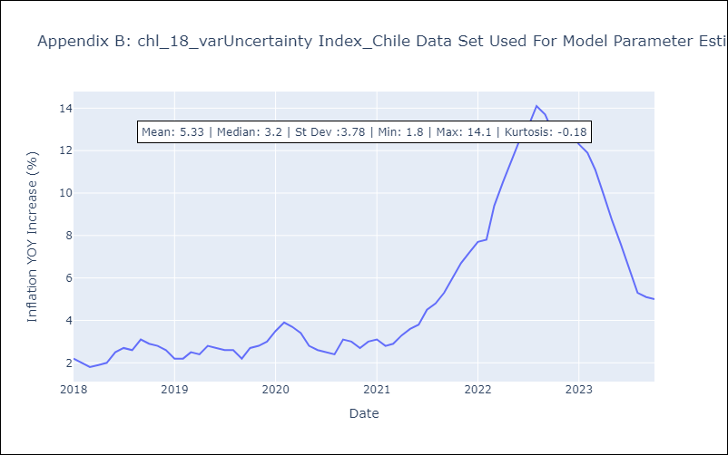

Appendix C: Residuals Analysis
Mean | 3.37
White Noise? | No - Correlation at Lags [ 1 2 3 4 5 6 7 8 9 10 11 12]
Normal? | No

