chl
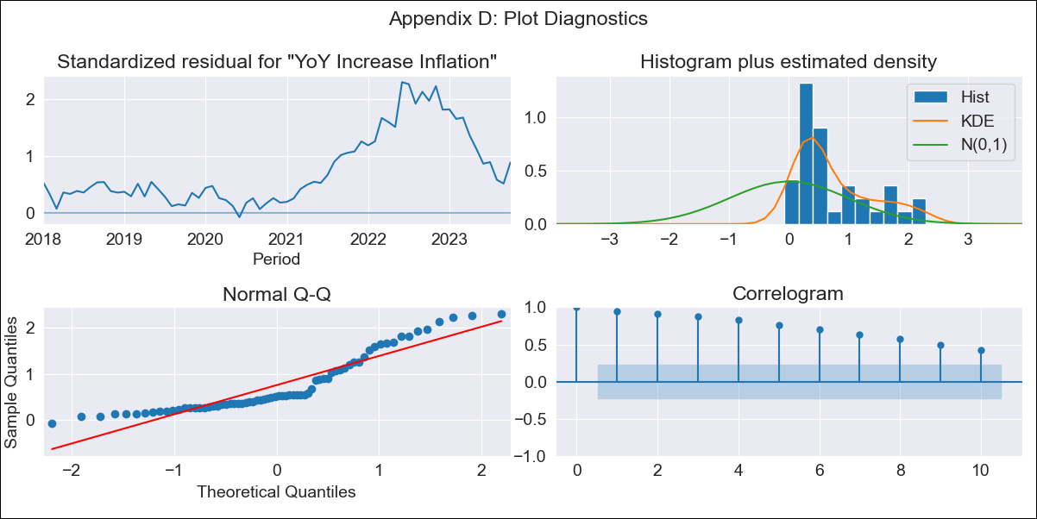
chl - Inflation - Next 12 months forecast as of: 2023-10-01

Model | VARMAX - (0, 2, 2, 0, 0, 1, 12) | Exogenous Variables | Price of Gold dollars per ounce
Training Data | 2018-01-01 to 2022-11-01
Test Data | 2022-11-01 to 2023-10-01

Date | Inflation Change YoY % | Lower Bound - 95% Confidence Interval | Upper Bound - 95% Confidence Interval
2023-11-01 | 3.64 | -1.95 | 9.23
2023-12-01 | 2.29 | -4.48 | 9.07
2024-01-01 | 0 | -7.85 | 7.85
2024-02-01 | 0 | -7.85 | 7.85
2024-03-01 | 0 | -7.85 | 7.85
2024-04-01 | 0 | -7.85 | 7.85
2024-05-01 | 0 | -7.85 | 7.85
2024-06-01 | 0 | -7.85 | 7.85
2024-07-01 | 0 | -7.85 | 7.85
2024-08-01 | 0 | -7.85 | 7.85
2024-09-01 | 0 | -7.85 | 7.85
2024-10-01 | 0 | -7.85 | 7.85

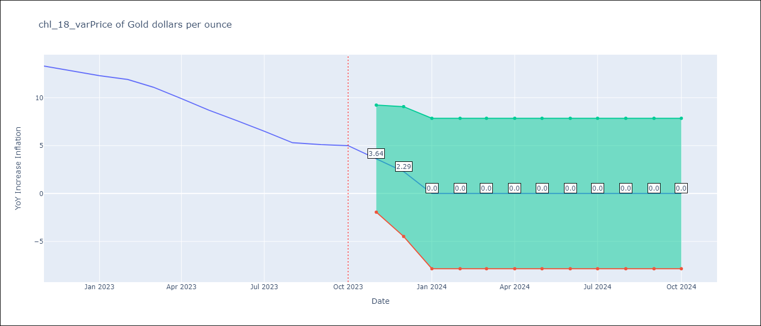

Test Metrics
RMSE | 3.77
Naive RMSE | 0.86
MAPE | 34.09%

Test Predictions
Date | Predicted | Actual
2022-11-01 | 6.25 | 13.3
2022-12-01 | 7.68 | 12.8
2023-01-01 | 8.46 | 12.3
2023-02-01 | 7.1 | 11.9
2023-03-01 | 5.98 | 11.1
2023-04-01 | 7.33 | 9.9
2023-05-01 | 5.73 | 8.7
2023-06-01 | 5.08 | 7.6
2023-07-01 | 5.01 | 6.5
2023-08-01 | 4.33 | 5.3
2023-09-01 | 2.98 | 5.1
2023-10-01 | 3.87 | 5

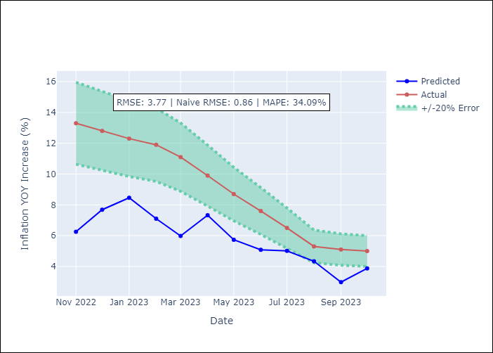

Appendix A: Model Summary
Model | VMA(2)
Sample | - 10-01-2023opg
No. of Observations | 70
Terms | P-value (Statistical significance)
L1.e(YoY Increase Inflation) | 0.118
L1.e(Price of Gold dollars per ounce) | 0.711
L2.e(YoY Increase Inflation) | 0.149
L2.e(Price of Gold dollars per ounce) | 0.072
Assumptions | P-value
Ljung-Box (L1) | 0.00, 0.00
Heteroskedasticity | 0.00, 0.19
Jarque-Bera | 0.00, 0.13
Skew | 1.01, 0.43
Kurtosis | 2.82, 2.19

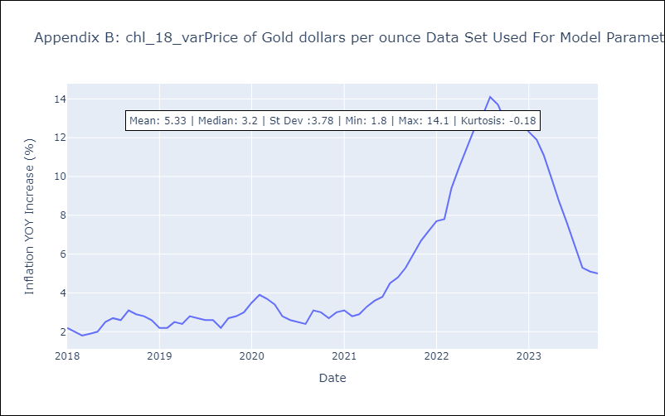

Appendix C: Residuals Analysis
Mean | 2.17
White Noise? | No - Correlation at Lags [ 1 2 3 4 5 6 7 8 9 10 11 12]
Normal? | No

