chl
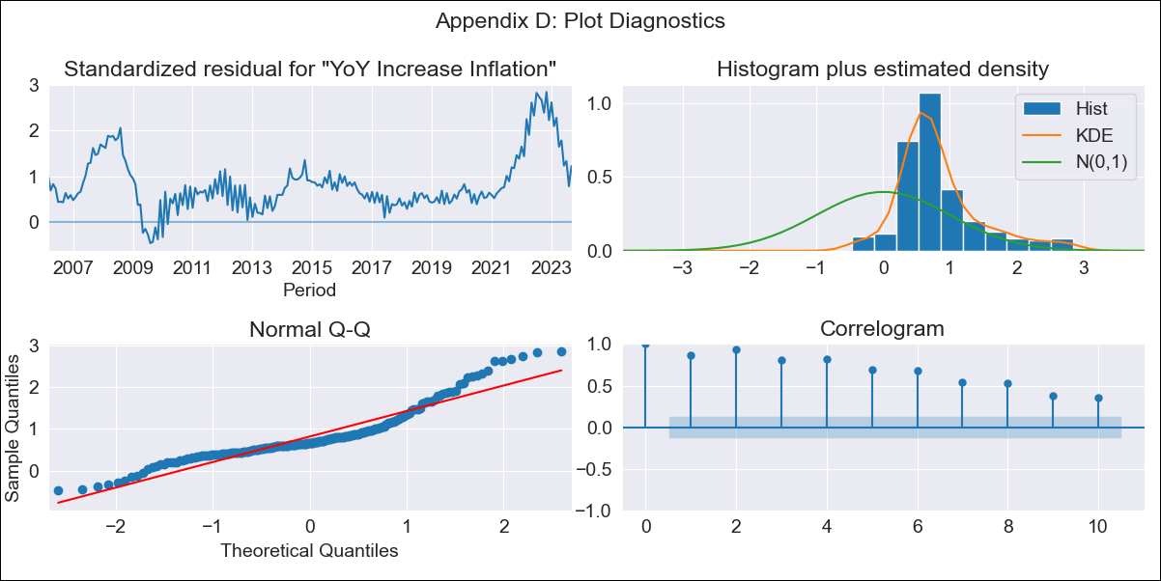
chl - Inflation - Next 12 months forecast as of: 2023-09-01

Model | VARMAX - (0, 2, 1, 0, 0, 1, 12) | Exogenous Variables | Consumo Final Efectivo
Training Data | 2006-03-01 to 2022-10-01
Test Data | 2022-10-01 to 2023-09-01

Date | Inflation Change YoY % | Lower Bound - 95% Confidence Interval | Upper Bound - 95% Confidence Interval
2023-10-01 | 3 | -2.11 | 8.1
2023-11-01 | 0 | -7.01 | 7.01
2023-12-01 | 0 | -7.01 | 7.01
2024-01-01 | 0 | -7.01 | 7.01
2024-02-01 | 0 | -7.01 | 7.01
2024-03-01 | 0 | -7.01 | 7.01
2024-04-01 | 0 | -7.01 | 7.01
2024-05-01 | 0 | -7.01 | 7.01
2024-06-01 | 0 | -7.01 | 7.01
2024-07-01 | 0 | -7.01 | 7.01
2024-08-01 | 0 | -7.01 | 7.01
2024-09-01 | 0 | -7.01 | 7.01

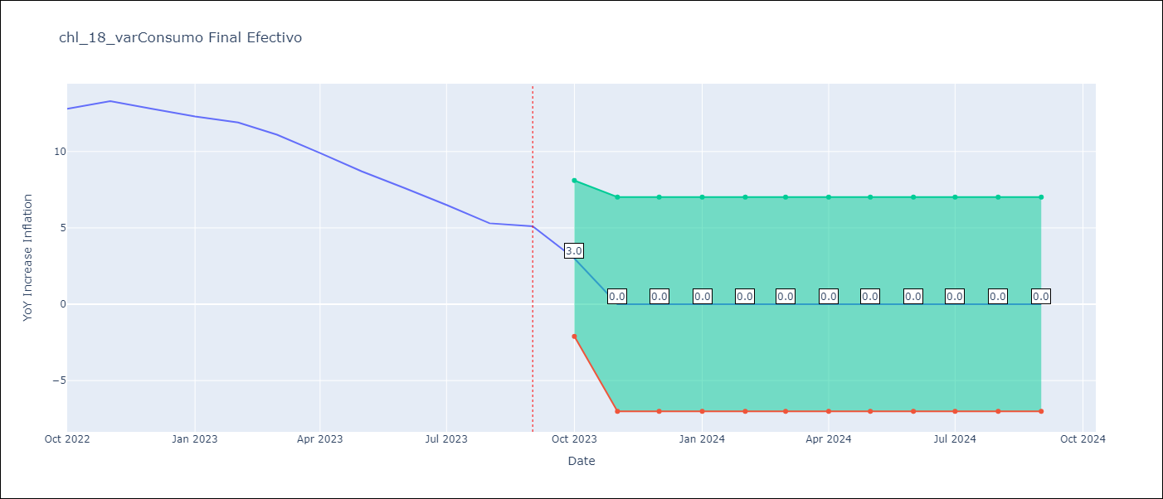

Test Metrics
RMSE | 5.11
Naive RMSE | 0.87
MAPE | 49.46%

Test Predictions
Date | Predicted | Actual
2022-10-01 | 6.59 | 12.8
2022-11-01 | 5.86 | 13.3
2022-12-01 | 7.1 | 12.8
2023-01-01 | 5.43 | 12.3
2023-02-01 | 6.55 | 11.9
2023-03-01 | 5.09 | 11.1
2023-04-01 | 5.74 | 9.9
2023-05-01 | 3.97 | 8.7
2023-06-01 | 4.59 | 7.6
2023-07-01 | 2.96 | 6.5
2023-08-01 | 3.44 | 5.3
2023-09-01 | 1.83 | 5.1

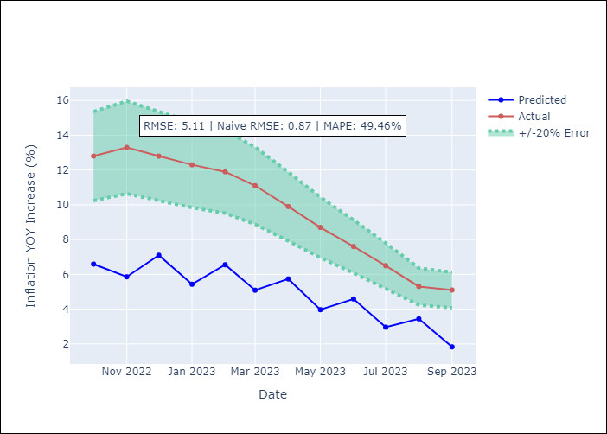

Appendix A: Model Summary
Model | VMA(1)
Sample | - 09-01-2023opg
No. of Observations | 211
Terms | P-value (Statistical significance)
L1.e(YoY Increase Inflation) | 0.000
L1.e(Consumo Final Efectivo) | 0.997
Assumptions | P-value
Ljung-Box (L1) | 0.00, 0.00
Heteroskedasticity | 0.02, 0.11
Jarque-Bera | 0.00, 0.00
Skew | 1.19, -0.57
Kurtosis | 4.80, 3.71

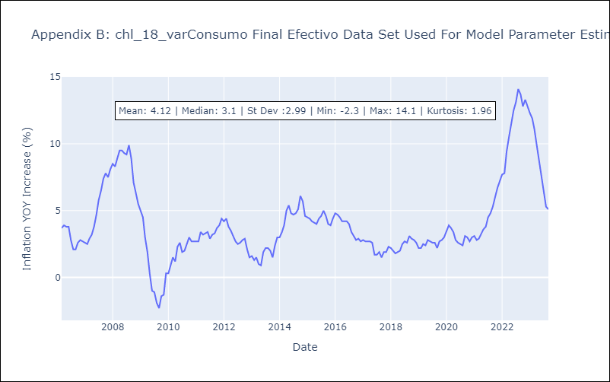

Appendix C: Residuals Analysis
Mean | 2.14
White Noise? | No - Correlation at Lags [ 1 2 3 4 5 6 7 8 9 10 11 12]
Normal? | No

