chl
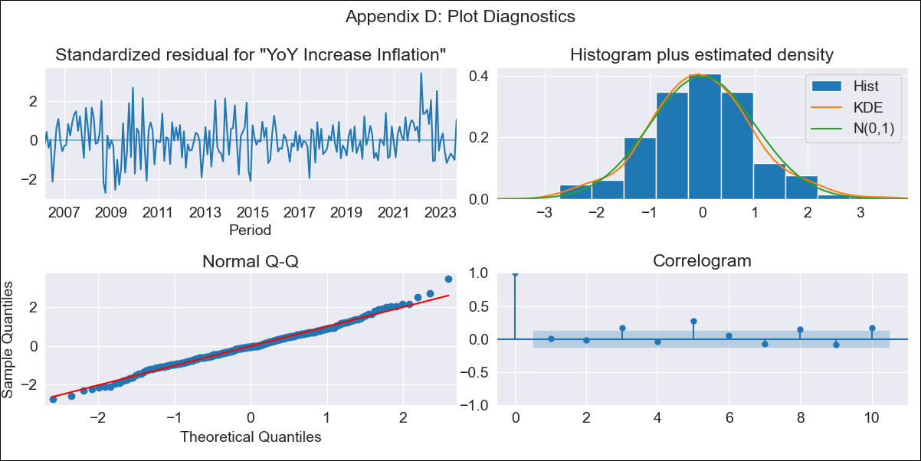
chl - Inflation - Next 12 months forecast as of: 2023-09-01

Model | VARMAX - (2, 0, 1, 0, 0, 1, 12) | Exogenous Variables | Consumo Final Efectivo
Training Data | 2006-03-01 to 2022-10-01
Test Data | 2022-10-01 to 2023-09-01

Date | Inflation Change YoY % | Lower Bound - 95% Confidence Interval | Upper Bound - 95% Confidence Interval
2023-10-01 | 4.81 | 3.88 | 5.74
2023-11-01 | 4.6 | 3.03 | 6.16
2023-12-01 | 4.45 | 2.33 | 6.57
2024-01-01 | 4.35 | 1.74 | 6.95
2024-02-01 | 4.28 | 1.27 | 7.28
2024-03-01 | 4.23 | 0.89 | 7.58
2024-04-01 | 4.2 | 0.58 | 7.83
2024-05-01 | 4.19 | 0.33 | 8.04
2024-06-01 | 4.18 | 0.14 | 8.22
2024-07-01 | 4.18 | -0.02 | 8.37
2024-08-01 | 4.18 | -0.14 | 8.5
2024-09-01 | 4.19 | -0.24 | 8.61

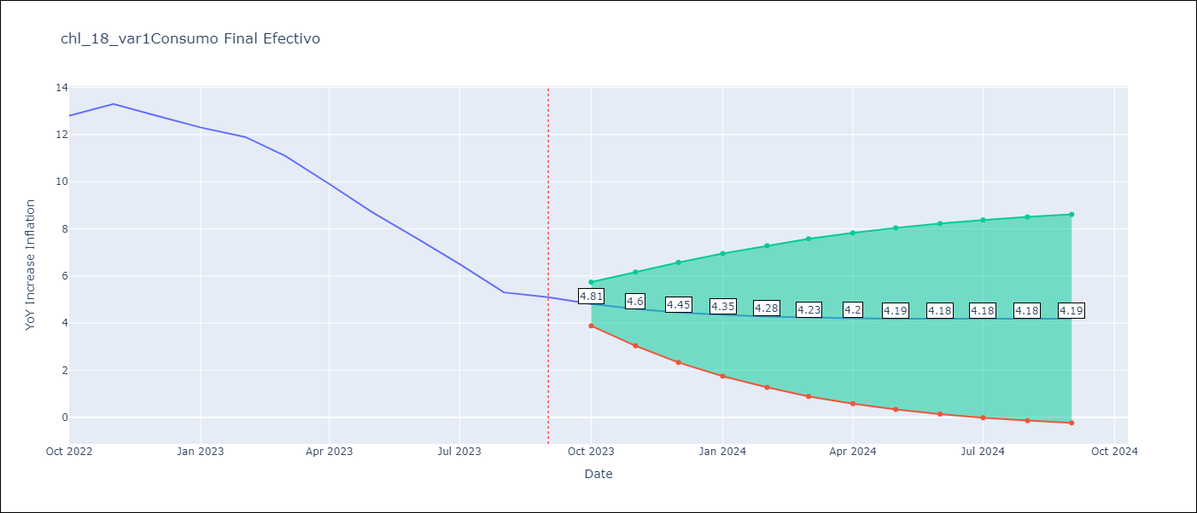

Test Metrics
RMSE | 0.61
Naive RMSE | 0.87
MAPE | 6.51%

Test Predictions
Date | Predicted | Actual
2022-10-01 | 13.46 | 12.8
2022-11-01 | 12.26 | 13.3
2022-12-01 | 13.37 | 12.8
2023-01-01 | 12.51 | 12.3
2023-02-01 | 11.87 | 11.9
2023-03-01 | 11.46 | 11.1
2023-04-01 | 10.47 | 9.9
2023-05-01 | 9.3 | 8.7
2023-06-01 | 8.21 | 7.6
2023-07-01 | 7.29 | 6.5
2023-08-01 | 5.77 | 5.3
2023-09-01 | 4.4 | 5.1

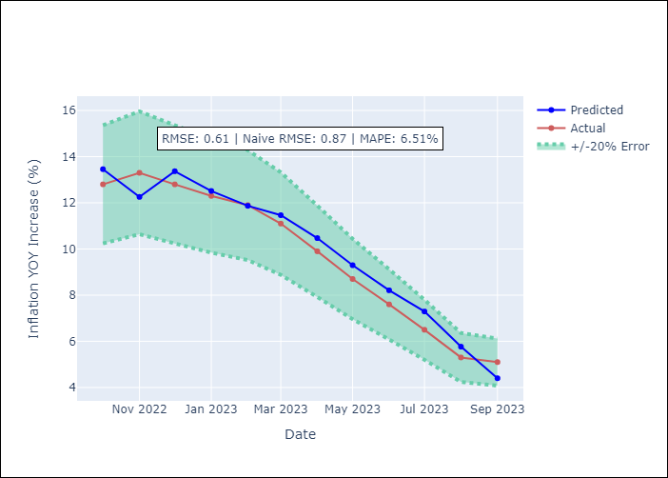

Appendix A: Model Summary
Model | VARMA(2,1)
Sample | 03-01-2006- 09-01-2023
No. of Observations | 211
Terms | P-value (Statistical significance)
intercept | 0.220
L1.YoY Increase Inflation | 0.000
L1.Consumo Final Efectivo | 0.981
L2.YoY Increase Inflation | 0.000
L2.Consumo Final Efectivo | 0.966
L1.e(YoY Increase Inflation) | 0.085
L1.e(Consumo Final Efectivo) | 0.951
Assumptions | P-value
Ljung-Box (L1) | 0.86, 0.62
Heteroskedasticity | 0.06, 0.00
Jarque-Bera | 0.18, 0.00
Skew | 0.16, -0.20
Kurtosis | 3.53, 29.48

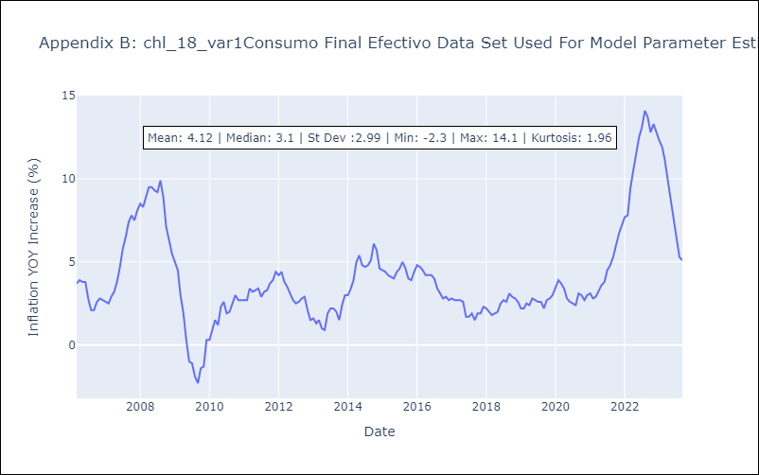

Appendix C: Residuals Analysis
Mean | -0.01
White Noise? | No - Correlation at Lags [ 5 6 7 8 9 10 11 12]
Normal? | No

