chl
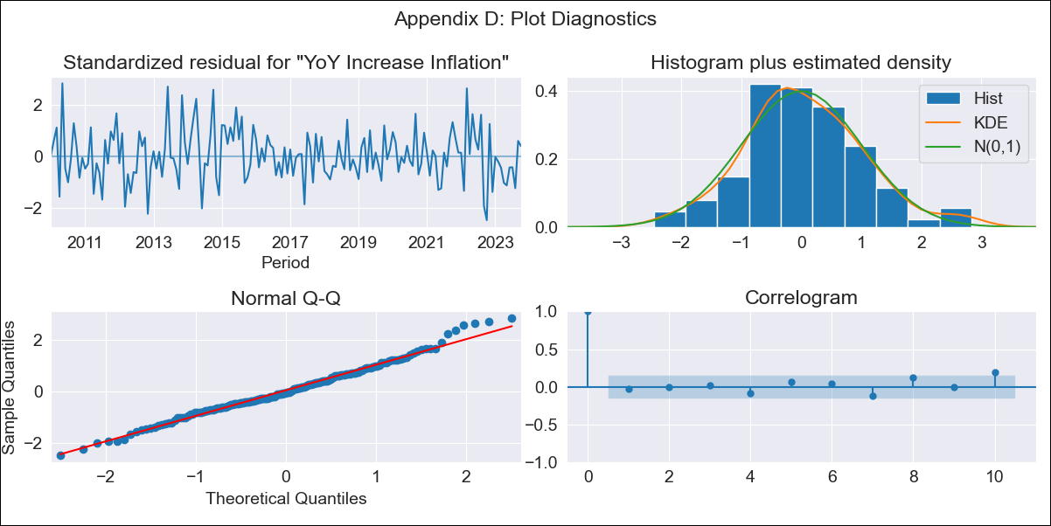
chl - Inflation - Next 12 months forecast as of: 2023-10-01

Model | VARMAX - (3, 2, 3, 2, 0, 0, 12) | Exogenous Variables | CPI_United States
Training Data | 2010-01-01 to 2022-11-01
Test Data | 2022-11-01 to 2023-10-01

Date | Inflation Change YoY % | Lower Bound - 95% Confidence Interval | Upper Bound - 95% Confidence Interval
2023-11-01 | 4.51 | 3.77 | 5.25
2023-12-01 | 4.05 | 2.87 | 5.24
2024-01-01 | 3.63 | 2.1 | 5.15
2024-02-01 | 3.34 | 1.44 | 5.25
2024-03-01 | 3.11 | 0.84 | 5.38
2024-04-01 | 2.96 | 0.29 | 5.63
2024-05-01 | 2.85 | -0.22 | 5.91
2024-06-01 | 2.78 | -0.68 | 6.24
2024-07-01 | 2.74 | -1.11 | 6.59
2024-08-01 | 2.71 | -1.51 | 6.94
2024-09-01 | 2.69 | -1.89 | 7.27
2024-10-01 | 2.67 | -2.24 | 7.59

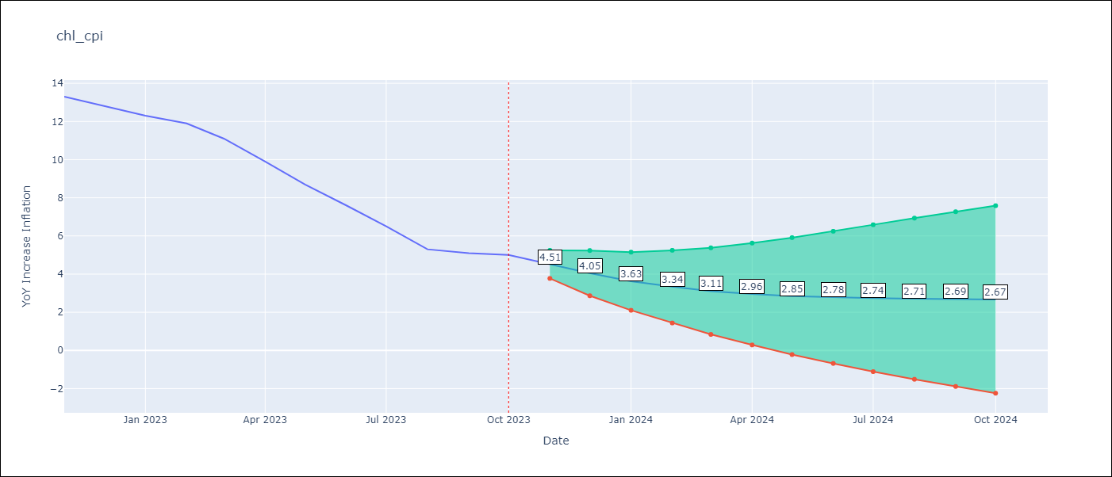

Test Metrics
RMSE | 0.47
Naive RMSE | 0.86
MAPE | 4.77%

Test Predictions
Date | Predicted | Actual
2022-11-01 | 12.84 | 13.3
2022-12-01 | 13.21 | 12.8
2023-01-01 | 12.53 | 12.3
2023-02-01 | 12.36 | 11.9
2023-03-01 | 11.43 | 11.1
2023-04-01 | 10.86 | 9.9
2023-05-01 | 9.44 | 8.7
2023-06-01 | 7.86 | 7.6
2023-07-01 | 6.61 | 6.5
2023-08-01 | 5.55 | 5.3
2023-09-01 | 4.73 | 5.1
2023-10-01 | 4.68 | 5

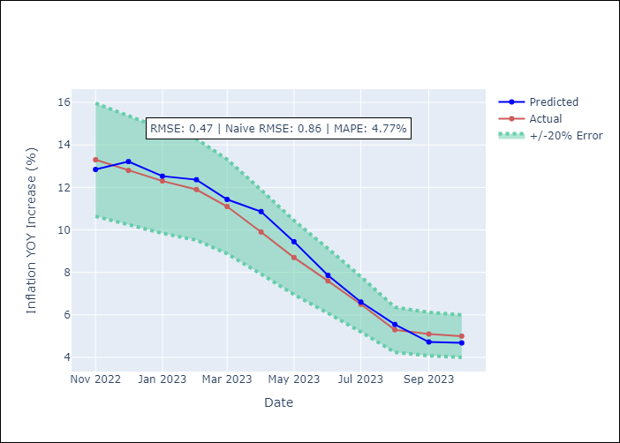

Appendix A: Model Summary
Model | VARMA(3,3)
Sample | - 10-01-2023opg
No. of Observations | 166
Terms | P-value (Statistical significance)
L1.YoY Increase Inflation | 0.000
L1.CPI_United States | 0.883
L2.YoY Increase Inflation | 0.510
L2.CPI_United States | 0.862
L3.YoY Increase Inflation | 0.020
L3.CPI_United States | 0.569
L1.e(YoY Increase Inflation) | 0.682
L1.e(CPI_United States) | 0.618
L2.e(YoY Increase Inflation) | 0.005
L2.e(CPI_United States) | 0.107
L3.e(YoY Increase Inflation) | 0.666
L3.e(CPI_United States) | 0.152
Assumptions | P-value
Ljung-Box (L1) | 0.72, 0.41
Heteroskedasticity | 0.21, 0.03
Jarque-Bera | 0.24, 0.61
Skew | 0.28, -0.09
Kurtosis | 3.30, 3.33

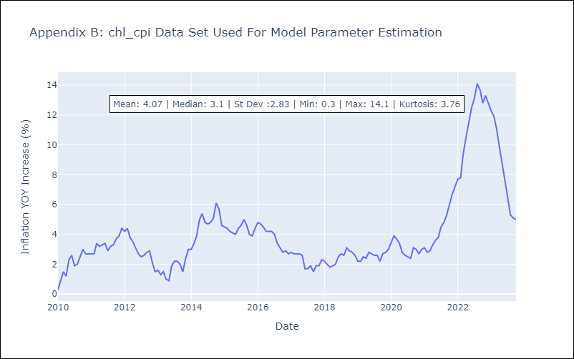

Appendix C: Residuals Analysis
Mean | 0.02
White Noise? | No - Correlation at Lags [12]
Normal? | No

