chl
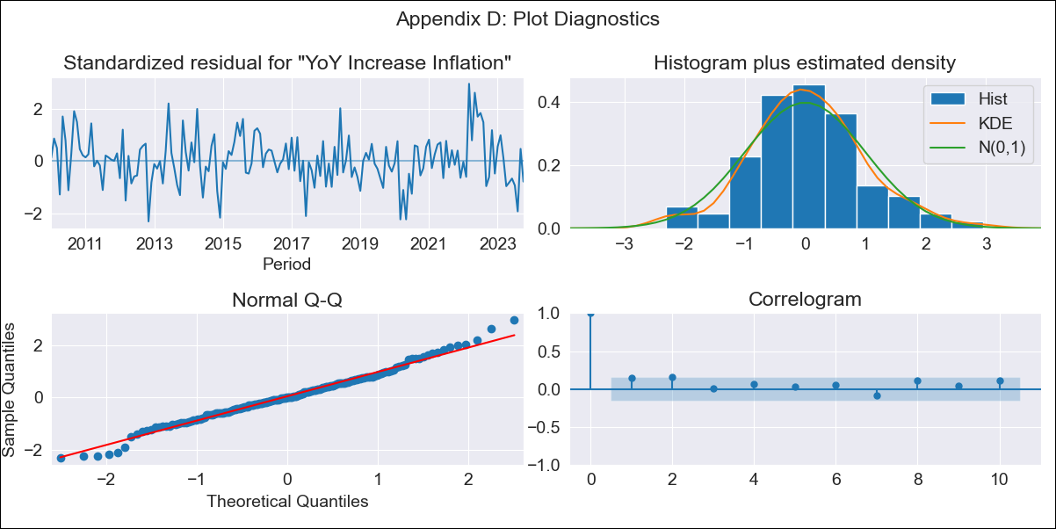
chl - Inflation - Next 12 months forecast as of: 2023-10-01

Model | VARMAX - (2, 1, 2, 0, 0, 1, 12) | Exogenous Variables | Current Account, Real Exchange Rate, Price of Copper dollars per pound, General wage index, Unemployment rate
Training Data | 2010-01-01 to 2022-11-01
Test Data | 2022-11-01 to 2023-10-01

Date | Inflation Change YoY % | Lower Bound - 95% Confidence Interval | Upper Bound - 95% Confidence Interval
2023-11-01 | 4.52 | 3.73 | 5.3
2023-12-01 | 4.58 | 3.34 | 5.82
2024-01-01 | 4.44 | 2.95 | 5.93
2024-02-01 | 4.32 | 2.55 | 6.1
2024-03-01 | 4.34 | 2.33 | 6.36
2024-04-01 | 4.22 | 1.96 | 6.48
2024-05-01 | 4.27 | 1.79 | 6.75
2024-06-01 | 4.19 | 1.48 | 6.89
2024-07-01 | 4.23 | 1.33 | 7.14
2024-08-01 | 4.18 | 1.09 | 7.28
2024-09-01 | 4.22 | 0.95 | 7.48
2024-10-01 | 4.18 | 0.76 | 7.61

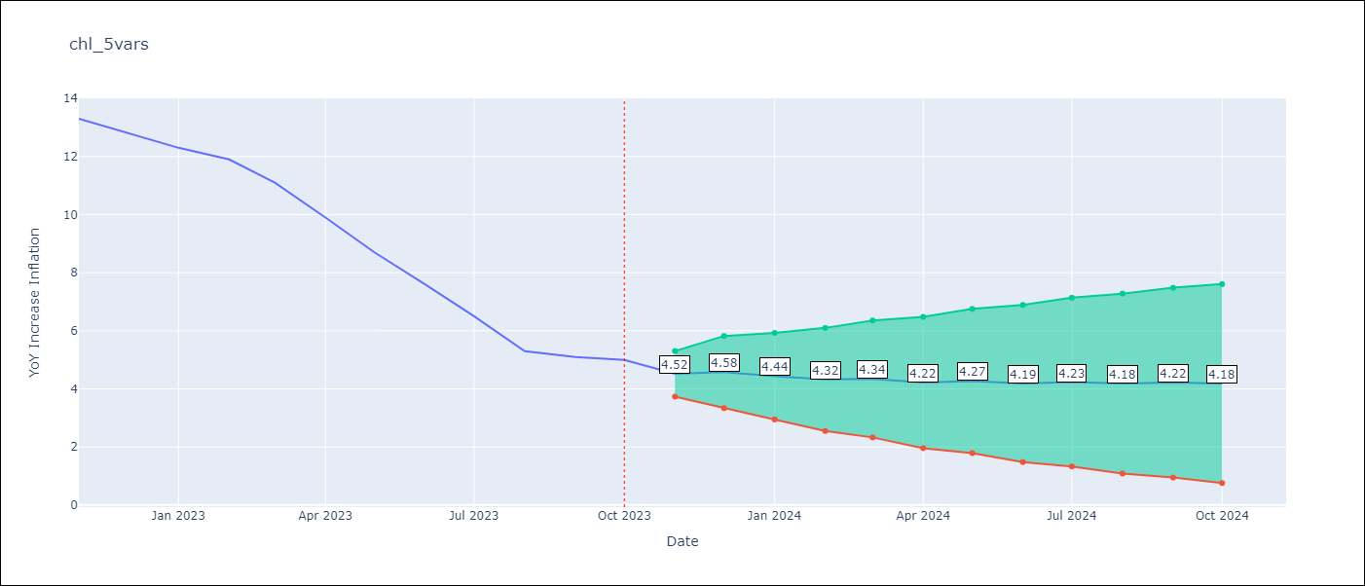

Test Metrics
RMSE | 3.61
Naive RMSE | 4.77
MAPE | 53.21%

Test Predictions
Date | Predicted | Actual
2022-11-01 | 13.02 | 13.3
2022-12-01 | 12.97 | 12.8
2023-01-01 | 12.83 | 12.3
2023-02-01 | 12.64 | 11.9
2023-03-01 | 12.45 | 11.1
2023-04-01 | 12.22 | 9.9
2023-05-01 | 11.98 | 8.7
2023-06-01 | 11.71 | 7.6
2023-07-01 | 11.42 | 6.5
2023-08-01 | 11.12 | 5.3
2023-09-01 | 10.81 | 5.1
2023-10-01 | 10.49 | 5

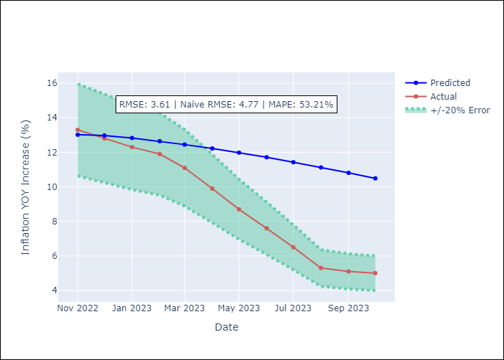

Appendix A: Model Summary
Model | VARMA(2,2)
Sample | - 10-01-2023opg
No. of Observations | 166
Terms | P-value (Statistical significance)
L1.YoY Increase Inflation | 0.811
L1.Current Account | 0.975
L1.Real Exchange Rate | 0.951
L1.Price of Copper dollars per pound | 0.983
L1.General wage index | 0.946
L1.Unemployment rate | 0.992
L2.YoY Increase Inflation | 0.709
L2.Current Account | 0.983
L2.Real Exchange Rate | 0.916
L2.Price of Copper dollars per pound | 0.988
L2.General wage index | 0.935
L2.Unemployment rate | 0.998
L1.e(YoY Increase Inflation) | 0.583
L1.e(Current Account) | 0.979
L1.e(Real Exchange Rate) | 0.968
L1.e(Price of Copper dollars per pound) | 0.993
L1.e(General wage index) | 0.963
L1.e(Unemployment rate) | 0.969
L2.e(YoY Increase Inflation) | 0.924
L2.e(Current Account) | 0.974
L2.e(Real Exchange Rate) | 0.892
L2.e(Price of Copper dollars per pound) | 0.937
L2.e(General wage index) | 0.920
L2.e(Unemployment rate) | 0.813
Assumptions | P-value
Ljung-Box (L1) | 0.05, 0.56, 0.61, 0.36, 1.00, 0.00
Heteroskedasticity | 0.47, 0.03, 0.48, 0.09, 0.00, 0.00
Jarque-Bera | 0.26, 0.00, 0.08, 0.00, 0.01, 0.00
Skew | 0.16, -0.02, 0.17, -0.06, -0.47, 0.92
Kurtosis | 3.53, 5.33, 3.79, 4.72, 3.81, 8.29

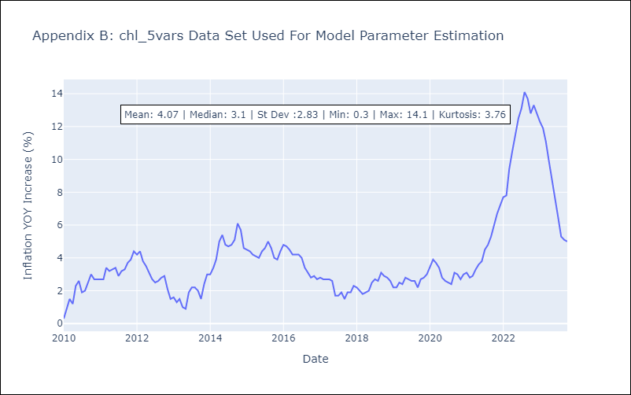

Appendix C: Residuals Analysis
Mean | 0.02
White Noise? | No - Correlation at Lags [ 1 2 3 12]
Normal? | No

