bra
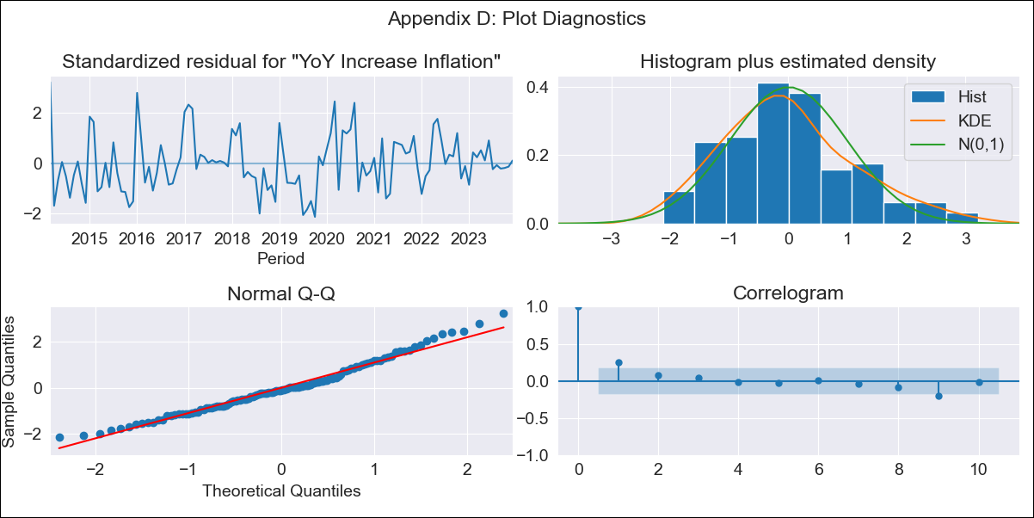
bra - Inflation - Next 12 months forecast as of: 2023-12-01

Model | VARMAX - (0, 0, 1, 1, 0, 1, 12) | Exogenous Variables | Index of Economic Activity, Exchange Rate, Target for Federal Funds rate (Selic), Commodities Index Prices, Current account, Unemployment Rate
Training Data | 2014-03-01 to 2023-01-01
Test Data | 2023-01-01 to 2023-12-01

Date | Inflation Change YoY % | Lower Bound - 95% Confidence Interval | Upper Bound - 95% Confidence Interval
2024-01-01 | 12.4 | -28.8 | 53.6
2024-02-01 | 26.36 | -17.71 | 70.43
2024-03-01 | 26.36 | -17.71 | 70.43
2024-04-01 | 26.36 | -17.71 | 70.43
2024-05-01 | 26.36 | -17.71 | 70.43
2024-06-01 | 26.36 | -17.71 | 70.43
2024-07-01 | 26.36 | -17.71 | 70.43
2024-08-01 | 26.36 | -17.71 | 70.43
2024-09-01 | 26.36 | -17.71 | 70.43
2024-10-01 | 26.36 | -17.71 | 70.43
2024-11-01 | 26.36 | -17.71 | 70.43
2024-12-01 | 26.36 | -17.71 | 70.43

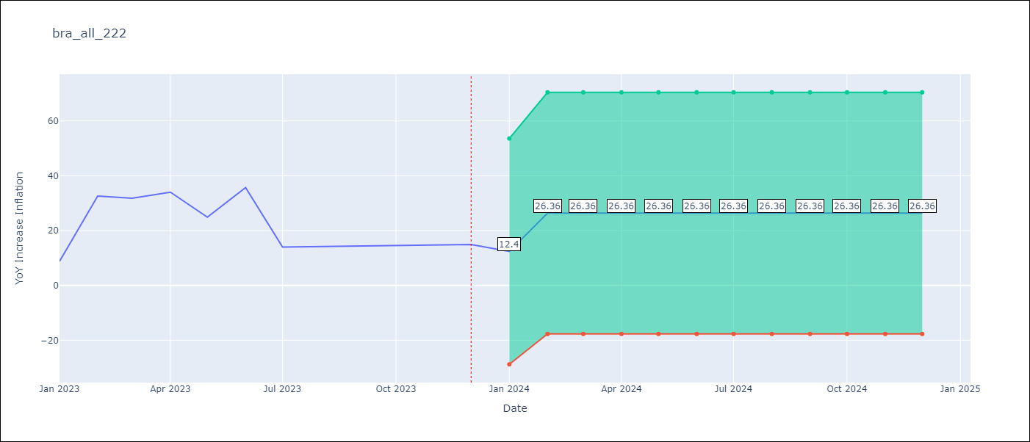

Test Metrics
RMSE | 10.88
Naive RMSE | 10.5
MAPE | 67.35%

Test Predictions
Date | Predicted | Actual
2023-01-01 | 26.07 | 8.8
2023-02-01 | 26.91 | 32.6
2023-03-01 | 26.91 | 31.8
2023-04-01 | 26.91 | 34
2023-05-01 | 26.91 | 24.9
2023-06-01 | 26.91 | 35.7
2023-07-01 | 26.91 | 14
2023-08-01 | 26.91 | 14.2
2023-09-01 | 26.91 | 14.3
2023-10-01 | 26.91 | 14.5
2023-11-01 | 26.91 | 14.7
2023-12-01 | 26.91 | 14.9

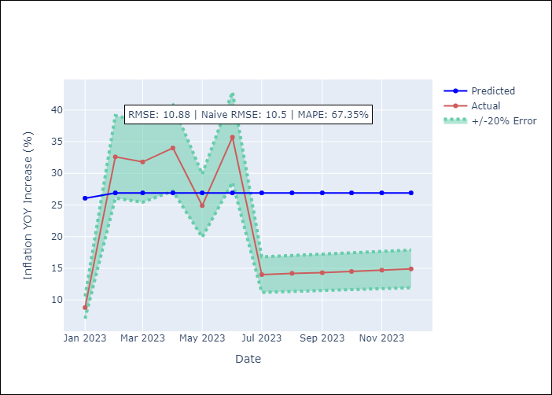

Appendix A: Model Summary
Model | VMA(1)
Sample | 03-01-2014- 12-01-2023
No. of Observations | 118
Terms | P-value (Statistical significance)
intercept | 0.000
L1.e(YoY Increase Inflation) | 0.418
L1.e(Index of Economic Activity) | 0.972
L1.e(Exchange Rate) | 0.887
L1.e(Target for Federal Funds rate (Selic)) | 0.852
L1.e(Commodities Index Prices) | 0.301
L1.e(Current account) | 0.809
L1.e(Unemployment Rate) | 0.952
Assumptions | P-value
Ljung-Box (L1) | 0.01, 0.00, 0.00, 0.00, 0.00, 0.00, 0.00
Heteroskedasticity | 0.00, 0.18, 0.19, 0.01, 0.00, 0.70, 0.00
Jarque-Bera | 0.08, 0.01, 0.67, 0.06, 0.60, 0.14, 0.03
Skew | 0.51, -0.51, -0.16, -0.06, -0.22, 0.16, 0.59
Kurtosis | 3.03, 1.99, 3.25, 1.94, 2.91, 2.17, 2.95

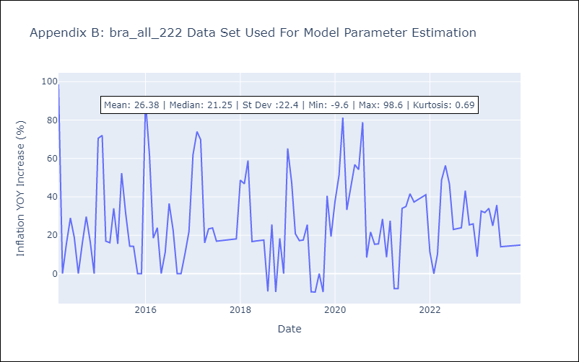

Appendix C: Residuals Analysis
Mean | -0.0
White Noise? | No - Correlation at Lags [ 1 2 3 12]
Normal? | No

