bra
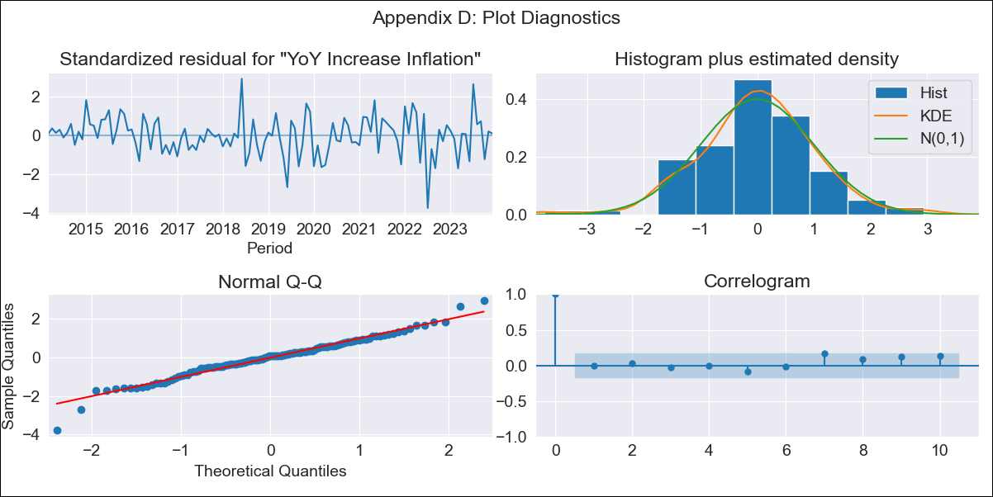
bra - Inflation - Next 12 months forecast as of: 2023-12-01

Model | VARMAX - (2, 0, 0, 3, 0, 0, 12) | Exogenous Variables | Target for Federal Funds rate (Selic)
Training Data | 2014-03-01 to 2023-01-01
Test Data | 2023-01-01 to 2023-12-01

Date | Inflation Change YoY % | Lower Bound - 95% Confidence Interval | Upper Bound - 95% Confidence Interval
2024-01-01 | 4.55 | 3.64 | 5.45
2024-02-01 | 4.48 | 2.88 | 6.09
2024-03-01 | 4.43 | 2.23 | 6.62
2024-04-01 | 4.39 | 1.7 | 7.07
2024-05-01 | 4.35 | 1.27 | 7.44
2024-06-01 | 4.34 | 0.91 | 7.76
2024-07-01 | 4.33 | 0.62 | 8.03
2024-08-01 | 4.33 | 0.39 | 8.27
2024-09-01 | 4.34 | 0.21 | 8.48
2024-10-01 | 4.37 | 0.07 | 8.66
2024-11-01 | 4.4 | -0.03 | 8.83
2024-12-01 | 4.44 | -0.1 | 8.97

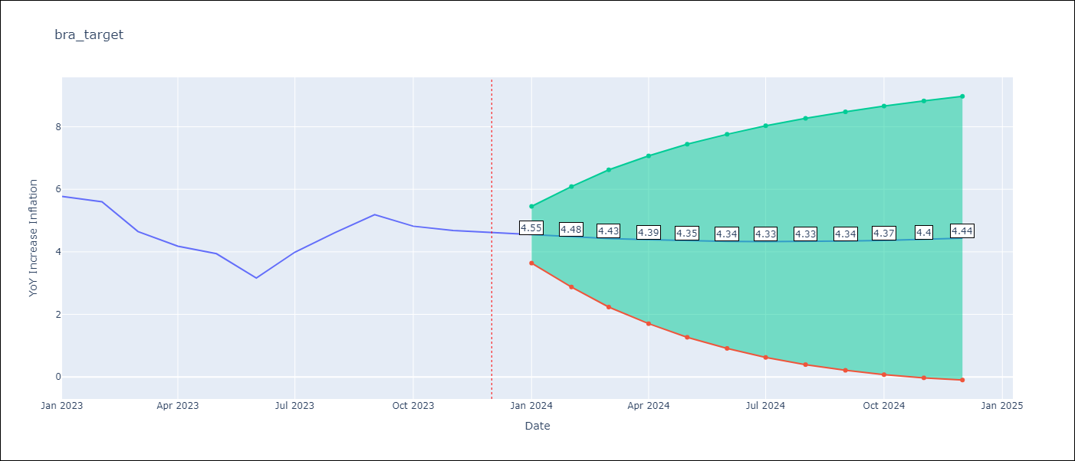

Test Metrics
RMSE | 0.74
Naive RMSE | 1.38
MAPE | 16.09%

Test Predictions
Date | Predicted | Actual
2023-01-01 | 5.63 | 5.77
2023-02-01 | 5.46 | 5.6
2023-03-01 | 5.3 | 4.65
2023-04-01 | 5.15 | 4.18
2023-05-01 | 5.01 | 3.94
2023-06-01 | 4.89 | 3.16
2023-07-01 | 4.78 | 3.99
2023-08-01 | 4.69 | 4.61
2023-09-01 | 4.62 | 5.19
2023-10-01 | 4.56 | 4.82
2023-11-01 | 4.52 | 4.68
2023-12-01 | 4.49 | 4.62

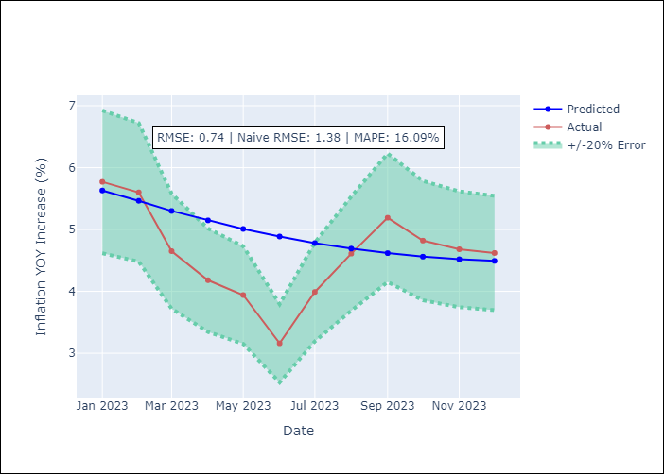

Appendix A: Model Summary
Model | VAR(2)
Sample | 03-01-2014- 12-01-2023
No. of Observations | 118
Terms | P-value (Statistical significance)
intercept | 0.018
L1.YoY Increase Inflation | 0.000
L1.Target for Federal Funds rate (Selic) | 0.918
L2.YoY Increase Inflation | 0.000
L2.Target for Federal Funds rate (Selic) | 0.807
Assumptions | P-value
Ljung-Box (L1) | 0.94, 0.75
Heteroskedasticity | 0.01, 0.09
Jarque-Bera | 0.00, 0.50
Skew | -0.27, -0.03
Kurtosis | 4.45, 2.47

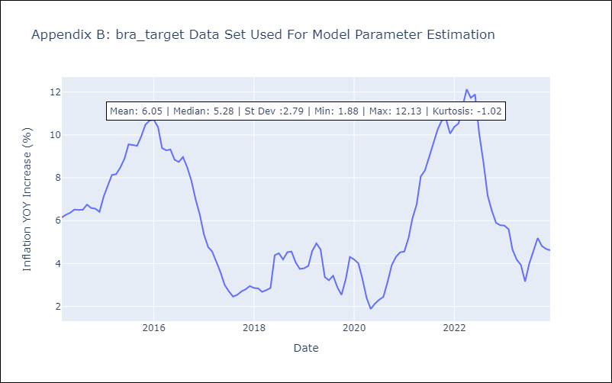

Appendix C: Residuals Analysis
Mean | -0.0
White Noise? | No - Correlation at Lags [12]
Normal? | No

