bra
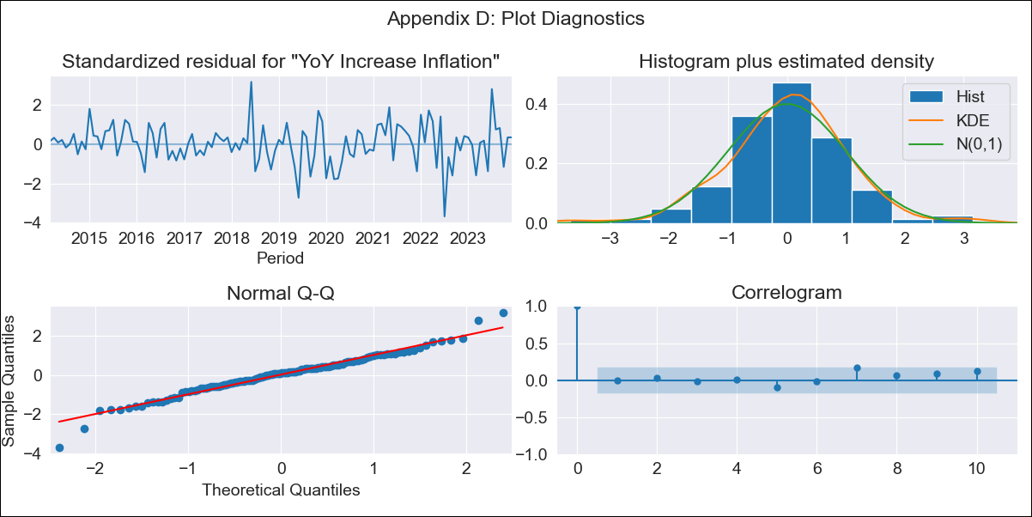
bra - Inflation - Next 12 months forecast as of: 2023-12-01

Model | VARMAX - (2, 0, 0, 3, 0, 0, 12) | Exogenous Variables | Target for Federal Funds rate (Selic), Current account
Training Data | 2014-03-01 to 2023-01-01
Test Data | 2023-01-01 to 2023-12-01

Date | Inflation Change YoY % | Lower Bound - 95% Confidence Interval | Upper Bound - 95% Confidence Interval
2024-01-01 | 4.45 | 3.56 | 5.35
2024-02-01 | 4.24 | 2.67 | 5.82
2024-03-01 | 4.02 | 1.89 | 6.15
2024-04-01 | 3.8 | 1.21 | 6.38
2024-05-01 | 3.59 | 0.63 | 6.54
2024-06-01 | 3.39 | 0.14 | 6.65
2024-07-01 | 3.22 | -0.28 | 6.73
2024-08-01 | 3.08 | -0.63 | 6.78
2024-09-01 | 2.95 | -0.92 | 6.83
2024-10-01 | 2.85 | -1.16 | 6.86
2024-11-01 | 2.77 | -1.34 | 6.89
2024-12-01 | 2.72 | -1.49 | 6.93

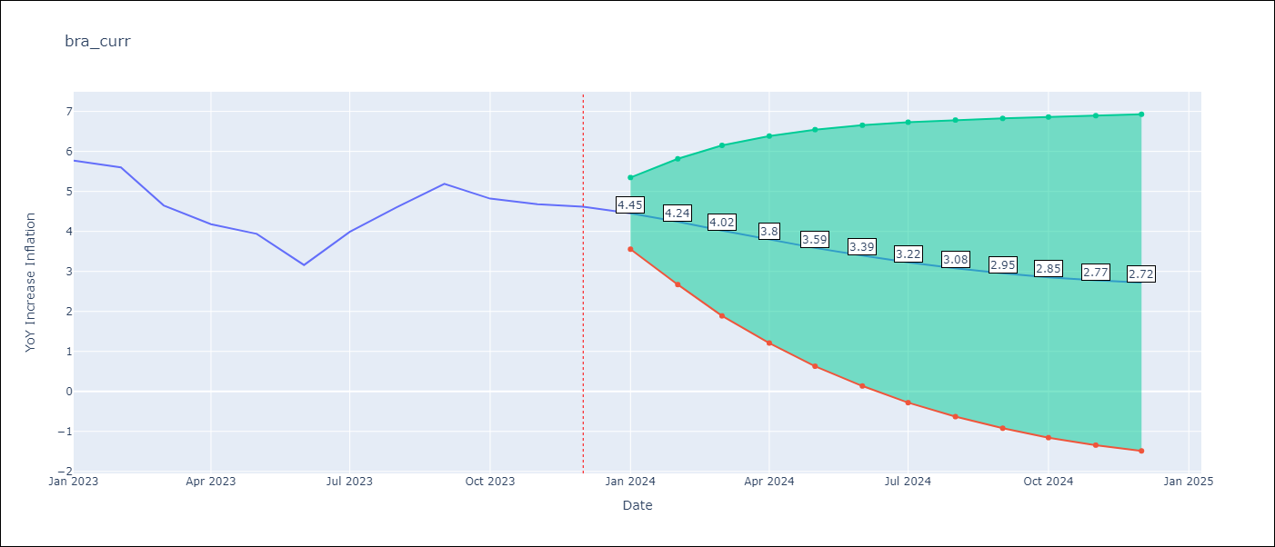

Test Metrics
RMSE | 0.79
Naive RMSE | 1.38
MAPE | 17.13%

Test Predictions
Date | Predicted | Actual
2023-01-01 | 5.59 | 5.77
2023-02-01 | 5.35 | 5.6
2023-03-01 | 5.1 | 4.65
2023-04-01 | 4.87 | 4.18
2023-05-01 | 4.64 | 3.94
2023-06-01 | 4.44 | 3.16
2023-07-01 | 4.26 | 3.99
2023-08-01 | 4.1 | 4.61
2023-09-01 | 3.96 | 5.19
2023-10-01 | 3.85 | 4.82
2023-11-01 | 3.75 | 4.68
2023-12-01 | 3.68 | 4.62

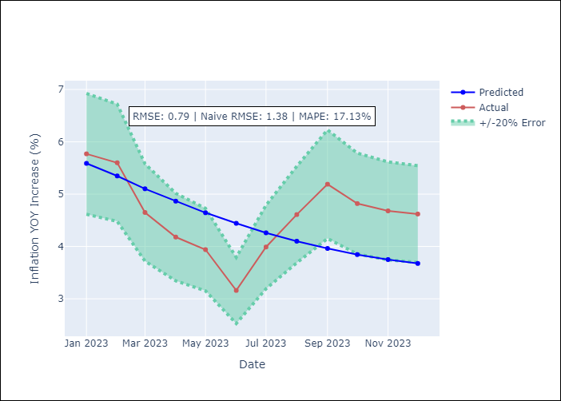

Appendix A: Model Summary
Model | VAR(2)
Sample | 03-01-2014- 12-01-2023
No. of Observations | 118
Terms | P-value (Statistical significance)
intercept | 0.305
L1.YoY Increase Inflation | 0.000
L1.Target for Federal Funds rate (Selic) | 0.877
L1.Current account | 0.545
L2.YoY Increase Inflation | 0.000
L2.Target for Federal Funds rate (Selic) | 0.754
L2.Current account | 0.418
Assumptions | P-value
Ljung-Box (L1) | 0.93, 0.96, 0.94
Heteroskedasticity | 0.00, 0.02, 0.00
Jarque-Bera | 0.00, 0.81, 0.12
Skew | -0.23, 0.04, 0.41
Kurtosis | 4.61, 2.71, 3.46

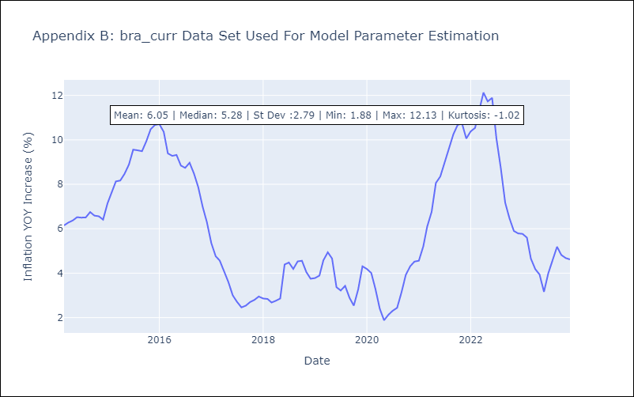

Appendix C: Residuals Analysis
Mean | 0.01
White Noise? | No - Correlation at Lags [12]
Normal? | No

