bra
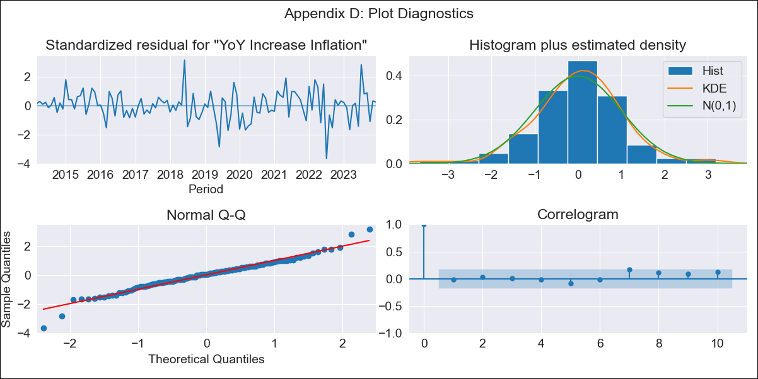
bra - Inflation - Next 12 months forecast as of: 2023-12-01

Model | VARMAX - (2, 0, 0, 3, 0, 0, 12) | Exogenous Variables | Target for Federal Funds rate (Selic), Current account, Commodities Index Prices
Training Data | 2014-03-01 to 2023-01-01
Test Data | 2023-01-01 to 2023-12-01

Date | Inflation Change YoY % | Lower Bound - 95% Confidence Interval | Upper Bound - 95% Confidence Interval
2024-01-01 | 4.45 | 3.56 | 5.34
2024-02-01 | 4.19 | 2.62 | 5.77
2024-03-01 | 3.93 | 1.8 | 6.05
2024-04-01 | 3.67 | 1.09 | 6.26
2024-05-01 | 3.44 | 0.49 | 6.4
2024-06-01 | 3.24 | -0.02 | 6.5
2024-07-01 | 3.05 | -0.46 | 6.57
2024-08-01 | 2.9 | -0.82 | 6.62
2024-09-01 | 2.77 | -1.12 | 6.66
2024-10-01 | 2.67 | -1.37 | 6.7
2024-11-01 | 2.59 | -1.56 | 6.74
2024-12-01 | 2.53 | -1.71 | 6.78

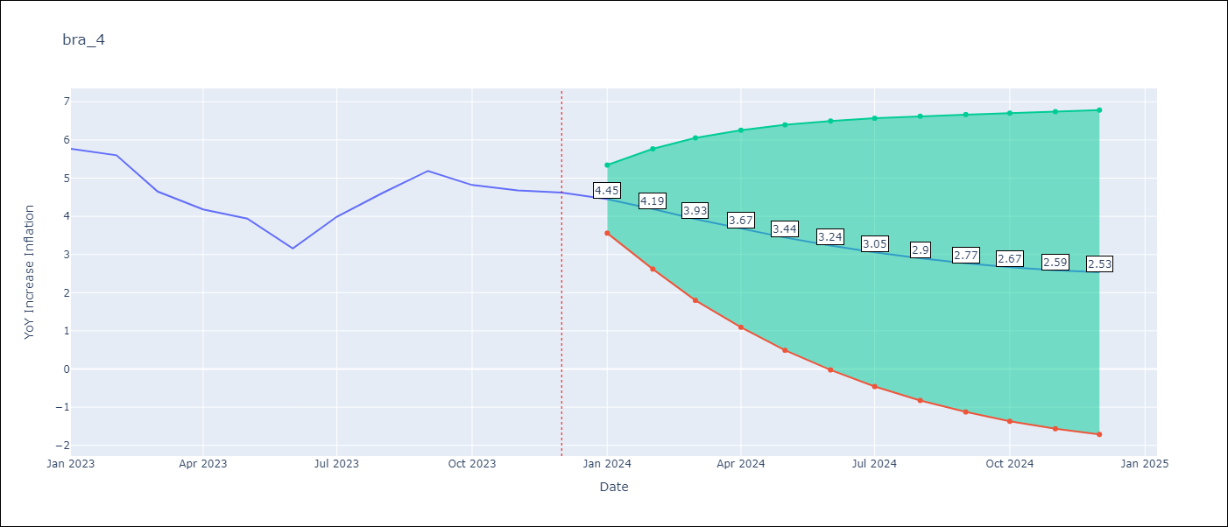

Test Metrics
RMSE | 0.77
Naive RMSE | 1.38
MAPE | 16.5%

Test Predictions
Date | Predicted | Actual
2023-01-01 | 5.66 | 5.77
2023-02-01 | 5.49 | 5.6
2023-03-01 | 5.31 | 4.65
2023-04-01 | 5.12 | 4.18
2023-05-01 | 4.94 | 3.94
2023-06-01 | 4.76 | 3.16
2023-07-01 | 4.6 | 3.99
2023-08-01 | 4.45 | 4.61
2023-09-01 | 4.33 | 5.19
2023-10-01 | 4.22 | 4.82
2023-11-01 | 4.13 | 4.68
2023-12-01 | 4.05 | 4.62

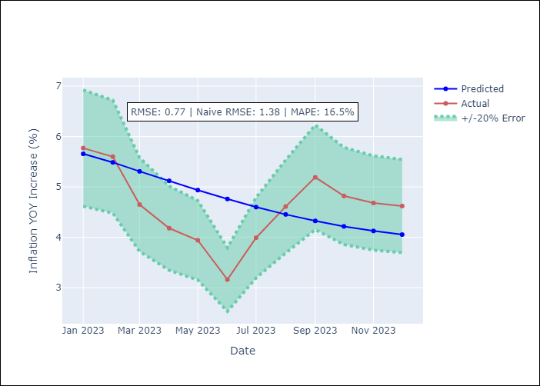

Appendix A: Model Summary
Model | VAR(2)
Sample | 03-01-2014- 12-01-2023
No. of Observations | 118
Terms | P-value (Statistical significance)
intercept | 0.672
L1.YoY Increase Inflation | 0.000
L1.Target for Federal Funds rate (Selic) | 0.879
L1.Current account | 0.620
L1.Commodities Index Prices | 0.700
L2.YoY Increase Inflation | 0.000
L2.Target for Federal Funds rate (Selic) | 0.763
L2.Current account | 0.501
L2.Commodities Index Prices | 0.519
Assumptions | P-value
Ljung-Box (L1) | 0.86, 0.95, 0.85, 0.82
Heteroskedasticity | 0.00, 0.02, 0.01, 0.00
Jarque-Bera | 0.00, 0.71, 0.29, 0.00
Skew | -0.20, 0.01, 0.33, -0.13
Kurtosis | 4.75, 2.63, 3.23, 5.32

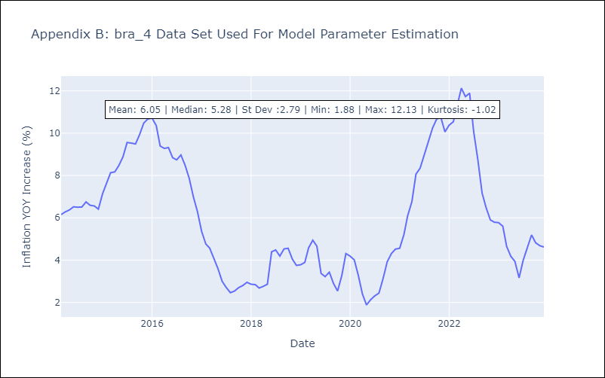

Appendix C: Residuals Analysis
Mean | 0.01
White Noise? | No - Correlation at Lags [12]
Normal? | No

