bra
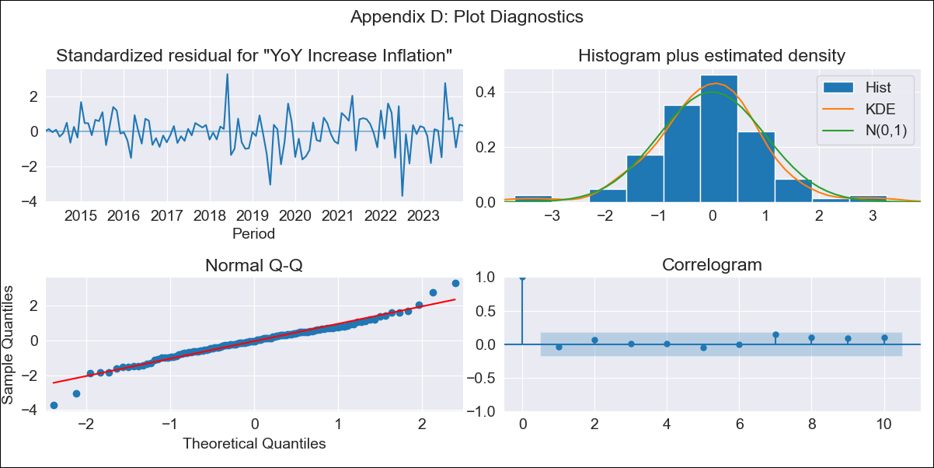
bra - Inflation - Next 12 months forecast as of: 2023-12-01

Model | VARMAX - (2, 0, 0, 3, 0, 0, 12) | Exogenous Variables | Target for Federal Funds rate (Selic), Current account, Commodities Index Prices, Exchange Rate
Training Data | 2014-03-01 to 2023-01-01
Test Data | 2023-01-01 to 2023-12-01

Date | Inflation Change YoY % | Lower Bound - 95% Confidence Interval | Upper Bound - 95% Confidence Interval
2024-01-01 | 4.51 | 3.62 | 5.39
2024-02-01 | 4.32 | 2.75 | 5.89
2024-03-01 | 4.13 | 2 | 6.25
2024-04-01 | 3.94 | 1.37 | 6.52
2024-05-01 | 3.77 | 0.83 | 6.71
2024-06-01 | 3.61 | 0.37 | 6.85
2024-07-01 | 3.46 | -0.03 | 6.94
2024-08-01 | 3.32 | -0.37 | 7.01
2024-09-01 | 3.19 | -0.68 | 7.05
2024-10-01 | 3.08 | -0.93 | 7.08
2024-11-01 | 2.98 | -1.15 | 7.1
2024-12-01 | 2.9 | -1.33 | 7.12

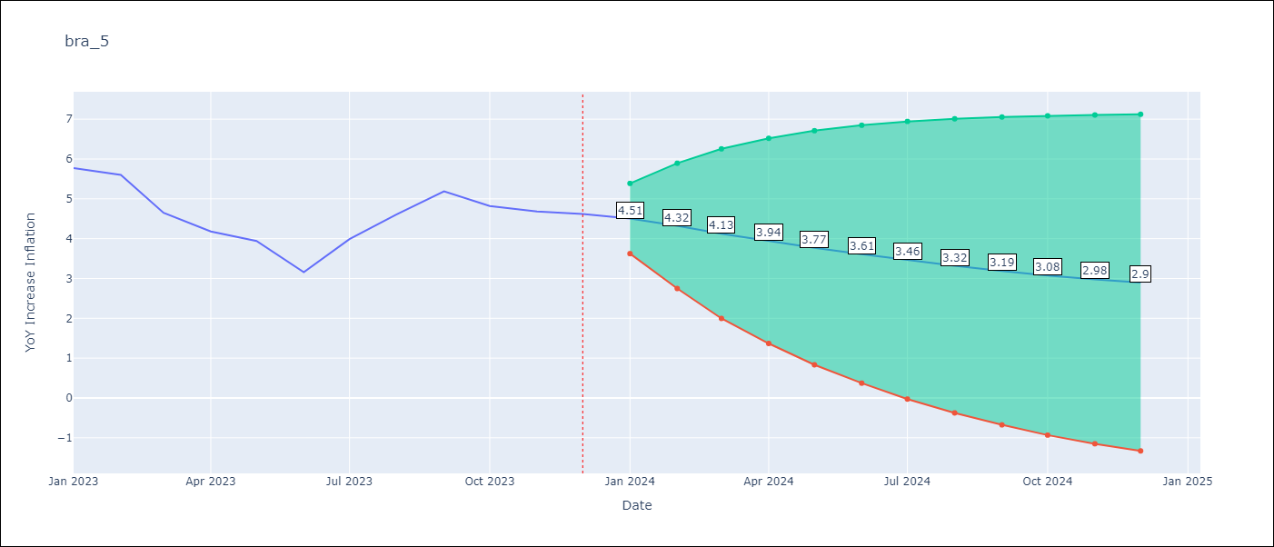

Test Metrics
RMSE | 1.01
Naive RMSE | 1.38
MAPE | 19.92%

Test Predictions
Date | Predicted | Actual
2023-01-01 | 5.49 | 5.77
2023-02-01 | 5.17 | 5.6
2023-03-01 | 4.93 | 4.65
2023-04-01 | 4.71 | 4.18
2023-05-01 | 4.5 | 3.94
2023-06-01 | 4.29 | 3.16
2023-07-01 | 4.07 | 3.99
2023-08-01 | 3.84 | 4.61
2023-09-01 | 3.61 | 5.19
2023-10-01 | 3.39 | 4.82
2023-11-01 | 3.18 | 4.68
2023-12-01 | 2.98 | 4.62

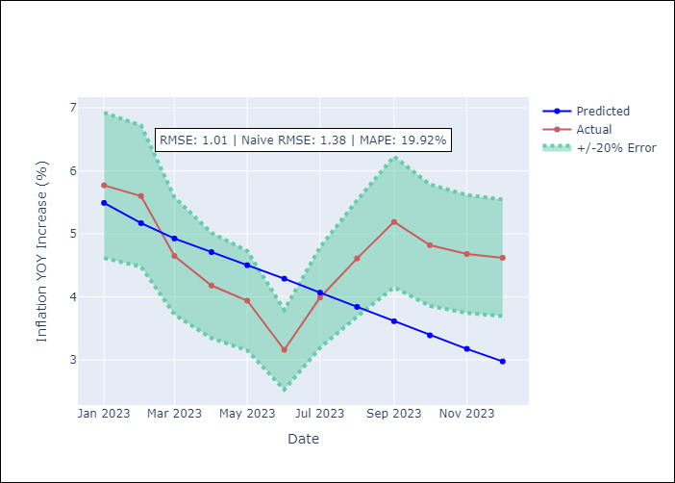

Appendix A: Model Summary
Model | VAR(2)
Sample | 03-01-2014- 12-01-2023
No. of Observations | 118
Terms | P-value (Statistical significance)
intercept | 0.860
L1.YoY Increase Inflation | 0.000
L1.Target for Federal Funds rate (Selic) | 0.970
L1.Current account | 0.853
L1.Commodities Index Prices | 0.907
L1.Exchange Rate | 0.525
L2.YoY Increase Inflation | 0.006
L2.Target for Federal Funds rate (Selic) | 0.889
L2.Current account | 0.707
L2.Commodities Index Prices | 0.779
L2.Exchange Rate | 0.534
Assumptions | P-value
Ljung-Box (L1) | 0.63, 0.89, 0.85, 0.88, 0.97
Heteroskedasticity | 0.00, 0.06, 0.01, 0.00, 0.46
Jarque-Bera | 0.00, 0.69, 0.79, 0.00, 0.14
Skew | -0.18, -0.11, -0.15, -0.10, 0.08
Kurtosis | 4.99, 2.68, 2.89, 5.30, 3.89

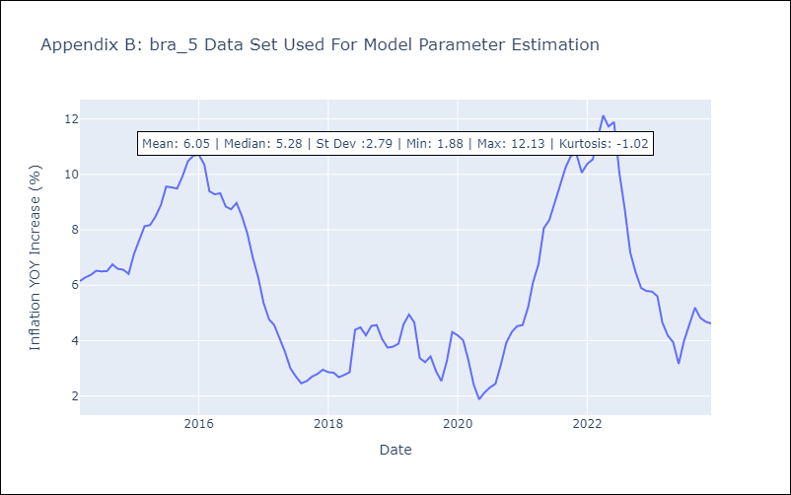

Appendix C: Residuals Analysis
Mean | -0.02
White Noise? | No - Correlation at Lags [12]
Normal? | No

