bra
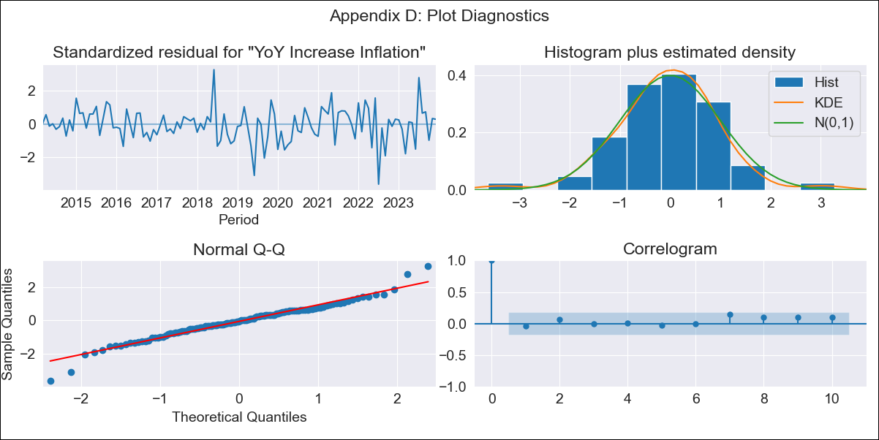
bra - Inflation - Next 12 months forecast as of: 2023-12-01

Model | VARMAX - (2, 0, 0, 3, 0, 0, 12) | Exogenous Variables | Target for Federal Funds rate (Selic), Current account, Commodities Index Prices, Exchange Rate, Unemployment
Training Data | 2014-03-01 to 2023-01-01
Test Data | 2023-01-01 to 2023-12-01

Date | Inflation Change YoY % | Lower Bound - 95% Confidence Interval | Upper Bound - 95% Confidence Interval
2024-01-01 | 4.52 | 3.65 | 5.4
2024-02-01 | 4.36 | 2.81 | 5.92
2024-03-01 | 4.18 | 2.08 | 6.29
2024-04-01 | 4 | 1.45 | 6.55
2024-05-01 | 3.83 | 0.92 | 6.74
2024-06-01 | 3.67 | 0.46 | 6.88
2024-07-01 | 3.52 | 0.06 | 6.99
2024-08-01 | 3.39 | -0.29 | 7.06
2024-09-01 | 3.27 | -0.58 | 7.11
2024-10-01 | 3.16 | -0.84 | 7.15
2024-11-01 | 3.06 | -1.05 | 7.18
2024-12-01 | 2.99 | -1.23 | 7.2

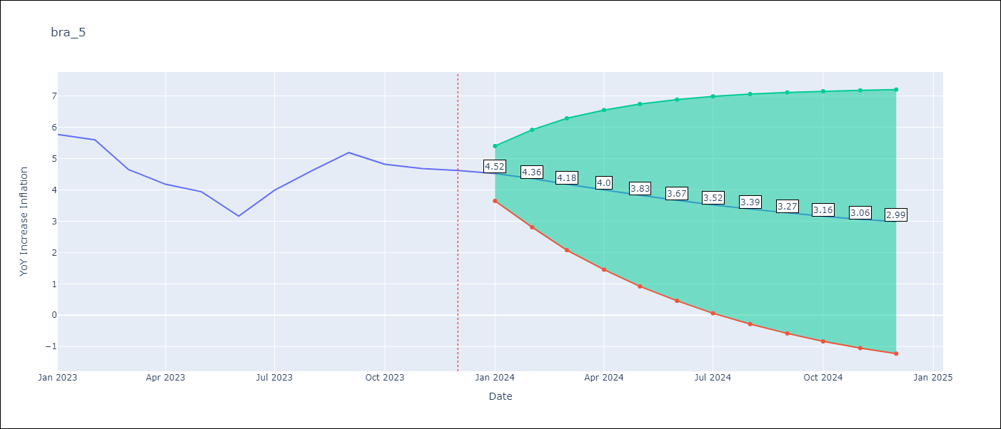

Test Metrics
RMSE | 0.89
Naive RMSE | 1.38
MAPE | 17.92%

Test Predictions
Date | Predicted | Actual
2023-01-01 | 5.5 | 5.77
2023-02-01 | 5.19 | 5.6
2023-03-01 | 4.97 | 4.65
2023-04-01 | 4.78 | 4.18
2023-05-01 | 4.61 | 3.94
2023-06-01 | 4.44 | 3.16
2023-07-01 | 4.25 | 3.99
2023-08-01 | 4.06 | 4.61
2023-09-01 | 3.86 | 5.19
2023-10-01 | 3.67 | 4.82
2023-11-01 | 3.47 | 4.68
2023-12-01 | 3.29 | 4.62

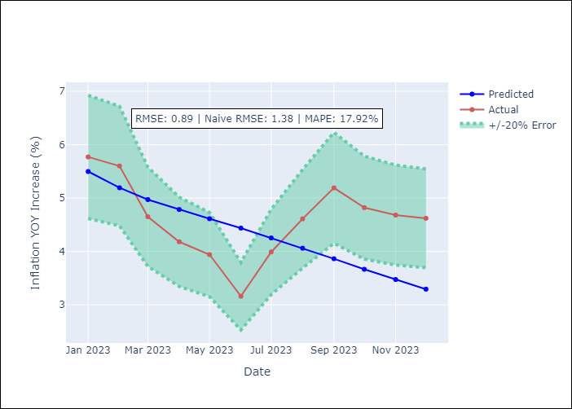

Appendix A: Model Summary
Model | VAR(2)
Sample | 03-01-2014- 12-01-2023
No. of Observations | 118
Terms | P-value (Statistical significance)
intercept | 0.860
L1.YoY Increase Inflation | 0.000
L1.Target for Federal Funds rate (Selic) | 0.980
L1.Current account | 0.875
L1.Commodities Index Prices | 0.956
L1.Exchange Rate | 0.681
L1.Unemployment | 0.852
L2.YoY Increase Inflation | 0.167
L2.Target for Federal Funds rate (Selic) | 0.928
L2.Current account | 0.777
L2.Commodities Index Prices | 0.901
L2.Exchange Rate | 0.692
L2.Unemployment | 0.983
Assumptions | P-value
Ljung-Box (L1) | 0.66, 0.87, 0.92, 0.86, 0.91, 0.54
Heteroskedasticity | 0.00, 0.06, 0.01, 0.00, 0.97, 0.00
Jarque-Bera | 0.00, 0.67, 0.83, 0.00, 0.16, 0.00
Skew | -0.20, -0.13, -0.08, -0.11, 0.32, 0.71
Kurtosis | 4.88, 2.69, 2.77, 5.30, 3.60, 4.42

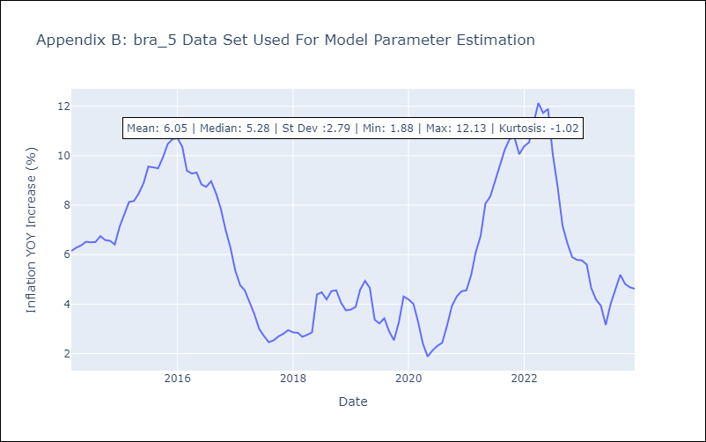

Appendix C: Residuals Analysis
Mean | -0.02
White Noise? | No - Correlation at Lags [12]
Normal? | No

