bra
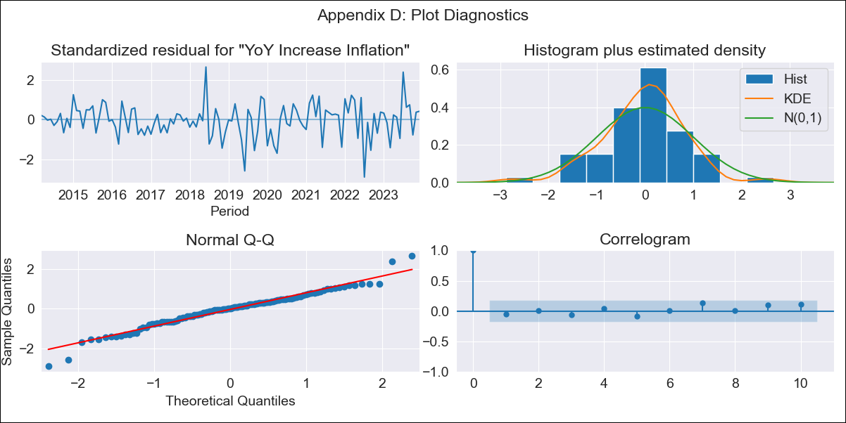
bra - Inflation - Next 12 months forecast as of: 2023-12-01

Model | VARMAX - (2, 0, 0, 3, 0, 0, 12) | Exogenous Variables | Target for Federal Funds rate (Selic), Current account, Commodities Index Prices, Exchange Rate, Unemployment, Index of Economic Activity
Training Data | 2014-03-01 to 2023-01-01
Test Data | 2023-01-01 to 2023-12-01

Date | Inflation Change YoY % | Lower Bound - 95% Confidence Interval | Upper Bound - 95% Confidence Interval
2024-01-01 | 4.44 | 3.36 | 5.52
2024-02-01 | 4.23 | 2.31 | 6.15
2024-03-01 | 4.02 | 1.42 | 6.63
2024-04-01 | 3.83 | 0.65 | 7
2024-05-01 | 3.64 | -0.01 | 7.29
2024-06-01 | 3.48 | -0.57 | 7.52
2024-07-01 | 3.32 | -1.07 | 7.72
2024-08-01 | 3.19 | -1.5 | 7.88
2024-09-01 | 3.07 | -1.87 | 8.01
2024-10-01 | 2.97 | -2.2 | 8.14
2024-11-01 | 2.88 | -2.48 | 8.24
2024-12-01 | 2.81 | -2.72 | 8.34

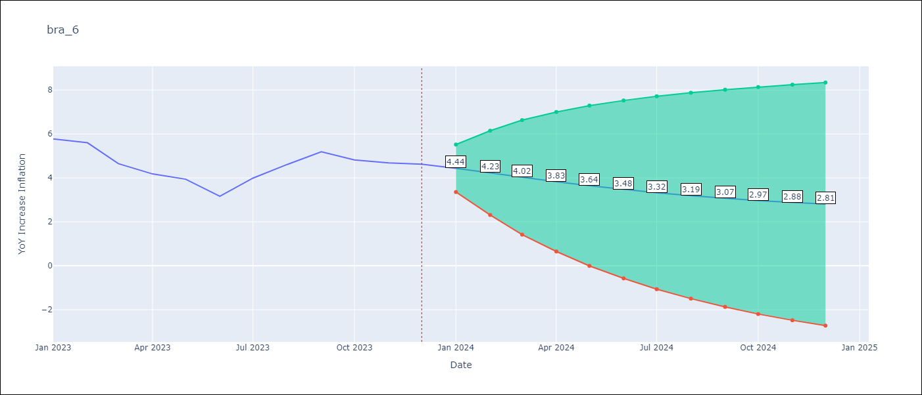

Test Metrics
RMSE | 2.59
Naive RMSE | 1.38
MAPE | 48.24%

Test Predictions
Date | Predicted | Actual
2023-01-01 | 5.37 | 5.77
2023-02-01 | 4.86 | 5.6
2023-03-01 | 4.33 | 4.65
2023-04-01 | 3.81 | 4.18
2023-05-01 | 3.29 | 3.94
2023-06-01 | 2.77 | 3.16
2023-07-01 | 2.27 | 3.99
2023-08-01 | 1.79 | 4.61
2023-09-01 | 1.33 | 5.19
2023-10-01 | 0.9 | 4.82
2023-11-01 | 0.5 | 4.68
2023-12-01 | 0.12 | 4.62

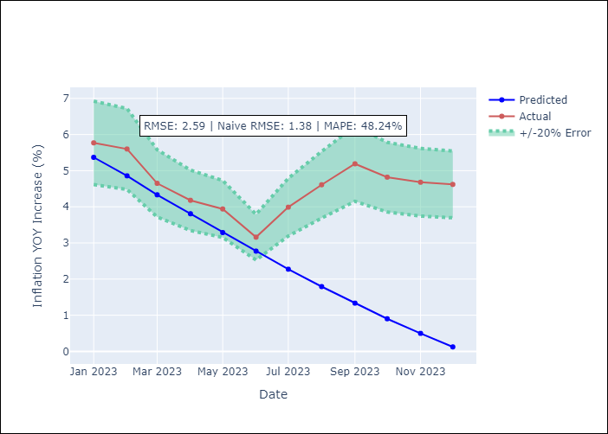

Appendix A: Model Summary
Model | VAR(2)
Sample | 03-01-2014- 12-01-2023
No. of Observations | 118
Terms | P-value (Statistical significance)
intercept | 0.983
L1.YoY Increase Inflation | 0.196
L1.Target for Federal Funds rate (Selic) | 0.971
L1.Current account | 0.995
L1.Commodities Index Prices | 0.987
L1.Exchange Rate | 0.898
L1.Unemployment | 0.988
L1.Index of Economic Activity | 0.926
L2.YoY Increase Inflation | 0.735
L2.Target for Federal Funds rate (Selic) | 0.986
L2.Current account | 0.993
L2.Commodities Index Prices | 0.991
L2.Exchange Rate | 0.908
L2.Unemployment | 0.999
L2.Index of Economic Activity | 0.921
Assumptions | P-value
Ljung-Box (L1) | 0.60, 0.65, 0.91, 0.33, 0.54, 0.91, 0.67
Heteroskedasticity | 0.00, 0.04, 0.00, 0.00, 0.64, 0.00, 0.00
Jarque-Bera | 0.00, 0.20, 0.05, 0.00, 0.01, 0.00, 0.00
Skew | -0.25, -0.40, -0.12, -0.25, -0.12, 0.49, 0.93
Kurtosis | 4.50, 3.08, 4.06, 5.16, 4.33, 4.44, 7.45

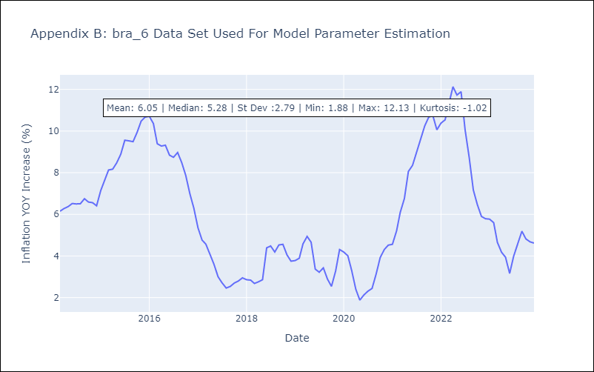

Appendix C: Residuals Analysis
Mean | -0.01
White Noise? | No - Correlation at Lags [12]
Normal? | No

