bra
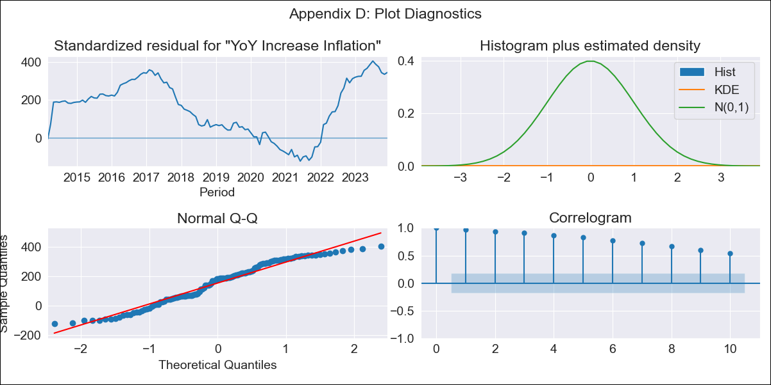
bra - Inflation - Next 12 months forecast as of: 2023-12-01

Model | VARMAX - (2, 0, 0, 3, 0, 0, 12) | Exogenous Variables | Unemployment, Index of Economic Activity, Exchange Rate, Target for Federal Funds rate (Selic), Commodities Index Prices, Current account
Training Data | 2014-03-01 to 2023-01-01
Test Data | 2023-01-01 to 2023-12-01

Date | Inflation Change YoY % | Lower Bound - 95% Confidence Interval | Upper Bound - 95% Confidence Interval
2024-01-01 | -204.07 | -205.28 | -202.85
2024-02-01 | 120.27 | 86.56 | 153.97
2024-03-01 | -88.06 | -124.06 | -52.06
2024-04-01 | 135.68 | 84.22 | 187.14
2024-05-01 | 273.99 | 220.18 | 327.8
2024-06-01 | 27 | -27.36 | 81.35
2024-07-01 | 242.38 | 186.92 | 297.85
2024-08-01 | 59.87 | 3.01 | 116.73
2024-09-01 | -8.09 | -65.12 | 48.94
2024-10-01 | 175.4 | 115.86 | 234.94
2024-11-01 | -13.63 | -73.27 | 46.01
2024-12-01 | 159.08 | 94.35 | 223.8

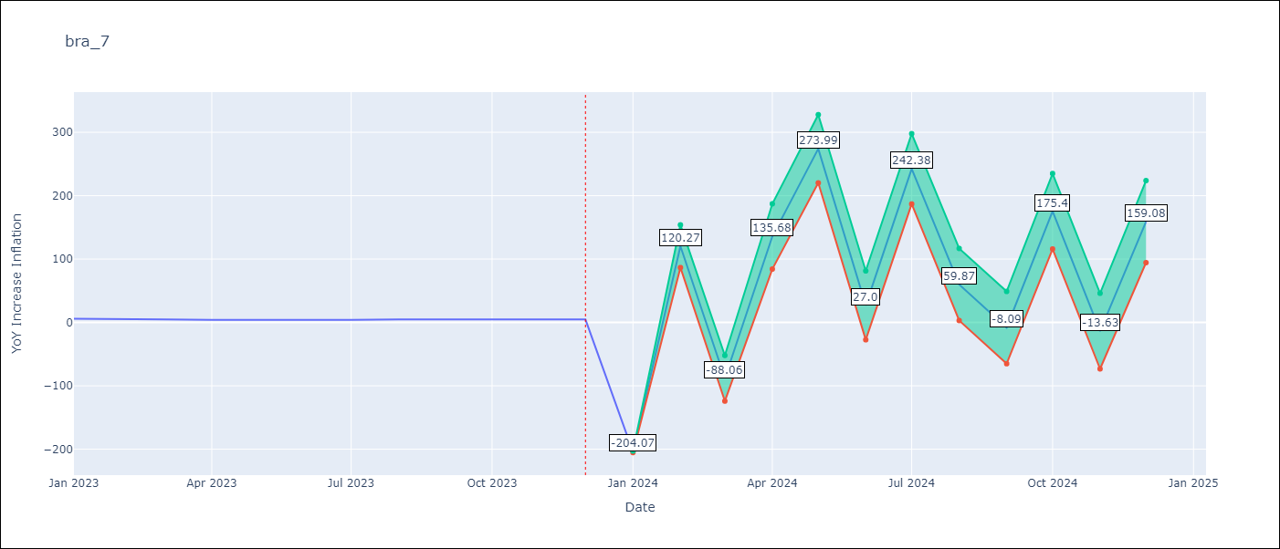

Test Metrics
RMSE | 3.85
Naive RMSE | 1.38
MAPE | 71.27%

Test Predictions
Date | Predicted | Actual
2023-01-01 | 5.27 | 5.77
2023-02-01 | 4.59 | 5.6
2023-03-01 | 3.88 | 4.65
2023-04-01 | 3.18 | 4.18
2023-05-01 | 2.47 | 3.94
2023-06-01 | 1.76 | 3.16
2023-07-01 | 1.07 | 3.99
2023-08-01 | 0.39 | 4.61
2023-09-01 | -0.27 | 5.19
2023-10-01 | -0.89 | 4.82
2023-11-01 | -1.47 | 4.68
2023-12-01 | -2.02 | 4.62

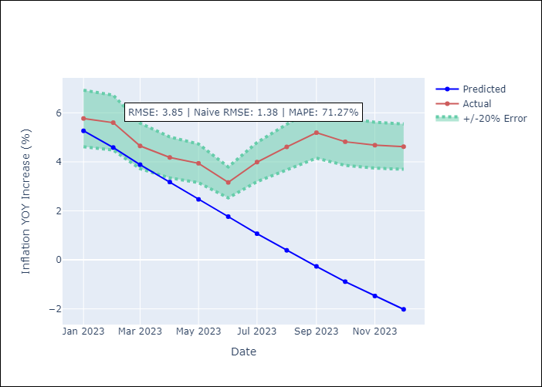

Appendix A: Model Summary
Model | VAR(2)
Sample | 03-01-2014- 12-01-2023
No. of Observations | 118
Terms | P-value (Statistical significance)
intercept | 0.251
L1.YoY Increase Inflation | 0.000
L1.Unemployment | 0.000
L1.Index of Economic Activity | 0.000
L1.Exchange Rate | 0.000
L1.Target for Federal Funds rate (Selic) | 0.000
L1.Commodities Index Prices | 0.000
L1.Current account | 0.000
L2.YoY Increase Inflation | 0.000
L2.Unemployment | 0.000
L2.Index of Economic Activity | 0.000
L2.Exchange Rate | 0.004
L2.Target for Federal Funds rate (Selic) | 0.000
L2.Commodities Index Prices | 0.001
L2.Current account | 0.001
Assumptions | P-value
Ljung-Box (L1) | 0.00, 0.00, 0.00, 0.00, 0.00, 0.00, 0.00
Heteroskedasticity | 0.67, 0.96, 0.71, 0.67, 0.88, 0.69, 0.96
Jarque-Bera | 0.04, 0.09, 0.14, 0.04, 0.12, 0.09, 0.07
Skew | -0.18, -0.32, -0.36, 0.19, -0.19, 0.08, 0.25
Kurtosis | 1.92, 2.25, 2.45, 1.90, 2.16, 2.02, 2.08

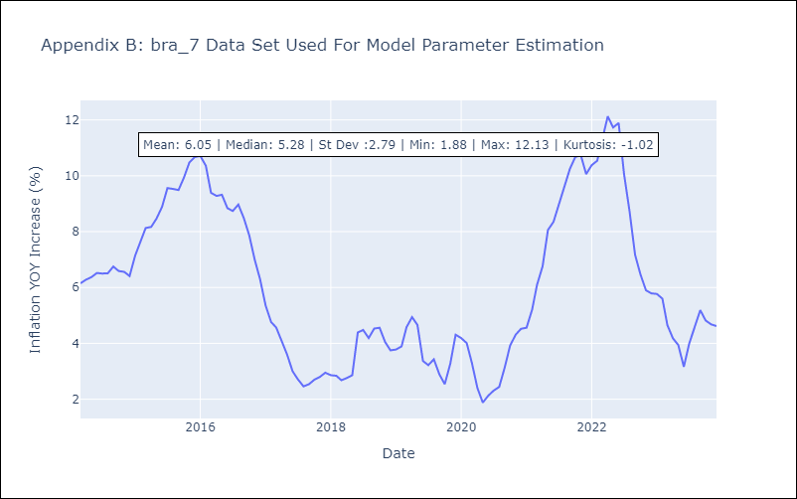

Appendix C: Residuals Analysis
Mean | 95.43
White Noise? | No - Correlation at Lags [ 1 2 3 4 5 6 7 8 9 10 11 12]
Normal? | No

