bra
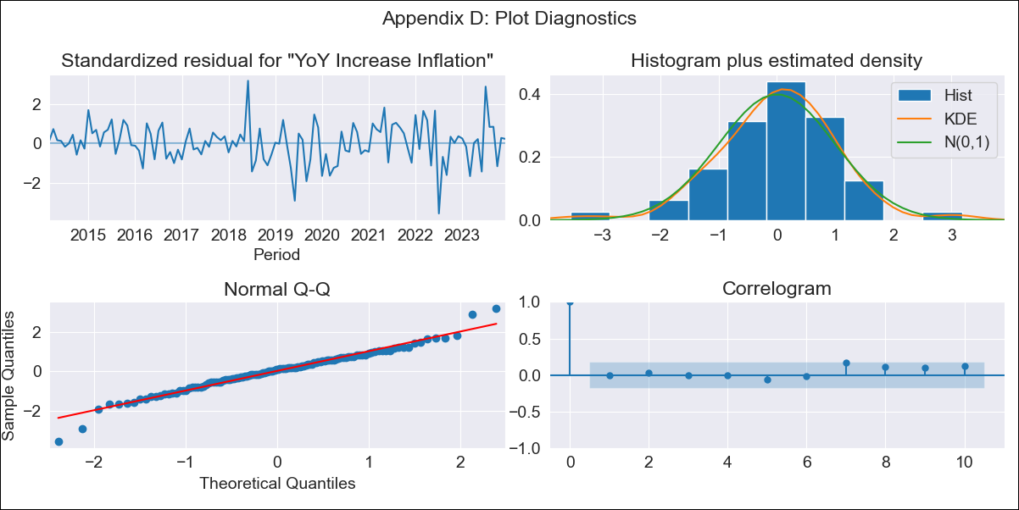
bra - Inflation - Next 12 months forecast as of: 2023-12-01

Model | VARMAX - (2, 0, 0, 3, 0, 0, 12) | Exogenous Variables | Target for Federal Funds rate (Selic), Current account, Commodities Index Prices, Unemployment
Training Data | 2014-03-01 to 2023-01-01
Test Data | 2023-01-01 to 2023-12-01

Date | Inflation Change YoY % | Lower Bound - 95% Confidence Interval | Upper Bound - 95% Confidence Interval
2024-01-01 | 4.48 | 3.59 | 5.36
2024-02-01 | 4.24 | 2.68 | 5.8
2024-03-01 | 3.98 | 1.88 | 6.09
2024-04-01 | 3.73 | 1.17 | 6.29
2024-05-01 | 3.5 | 0.56 | 6.43
2024-06-01 | 3.29 | 0.05 | 6.53
2024-07-01 | 3.11 | -0.39 | 6.61
2024-08-01 | 2.95 | -0.75 | 6.66
2024-09-01 | 2.83 | -1.06 | 6.71
2024-10-01 | 2.72 | -1.3 | 6.75
2024-11-01 | 2.64 | -1.5 | 6.79
2024-12-01 | 2.59 | -1.65 | 6.83

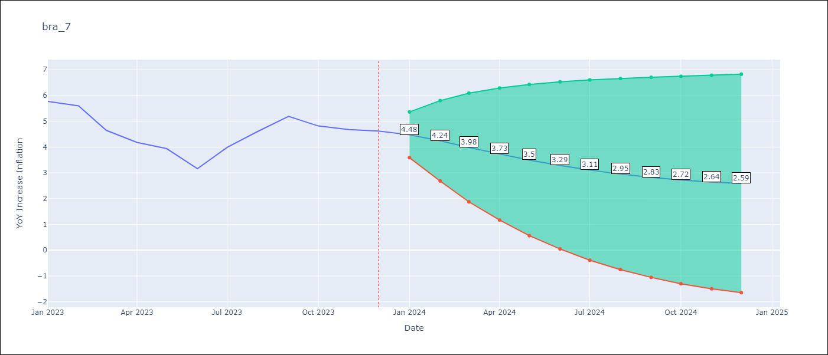

Test Metrics
RMSE | 0.76
Naive RMSE | 1.38
MAPE | 16.38%

Test Predictions
Date | Predicted | Actual
2023-01-01 | 5.64 | 5.77
2023-02-01 | 5.47 | 5.6
2023-03-01 | 5.31 | 4.65
2023-04-01 | 5.14 | 4.18
2023-05-01 | 4.97 | 3.94
2023-06-01 | 4.8 | 3.16
2023-07-01 | 4.65 | 3.99
2023-08-01 | 4.51 | 4.61
2023-09-01 | 4.39 | 5.19
2023-10-01 | 4.28 | 4.82
2023-11-01 | 4.2 | 4.68
2023-12-01 | 4.13 | 4.62

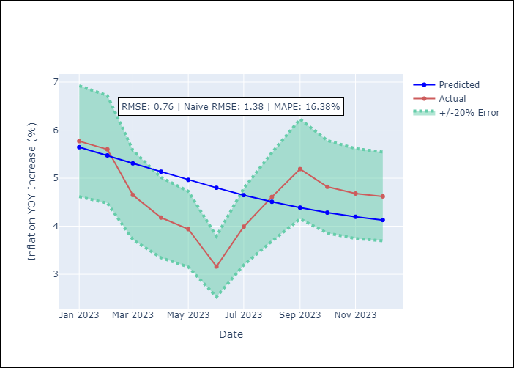

Appendix A: Model Summary
Model | VAR(2)
Sample | 03-01-2014- 12-01-2023
No. of Observations | 118
Terms | P-value (Statistical significance)
intercept | 0.573
L1.YoY Increase Inflation | 0.000
L1.Target for Federal Funds rate (Selic) | 0.906
L1.Current account | 0.632
L1.Commodities Index Prices | 0.820
L1.Unemployment | 0.713
L2.YoY Increase Inflation | 0.005
L2.Target for Federal Funds rate (Selic) | 0.808
L2.Current account | 0.523
L2.Commodities Index Prices | 0.698
L2.Unemployment | 0.834
Assumptions | P-value
Ljung-Box (L1) | 0.91, 0.94, 0.89, 0.81, 0.60
Heteroskedasticity | 0.00, 0.02, 0.01, 0.00, 0.00
Jarque-Bera | 0.00, 0.72, 0.21, 0.00, 0.00
Skew | -0.20, 0.00, 0.40, -0.13, 0.70
Kurtosis | 4.58, 2.64, 3.04, 5.34, 4.16

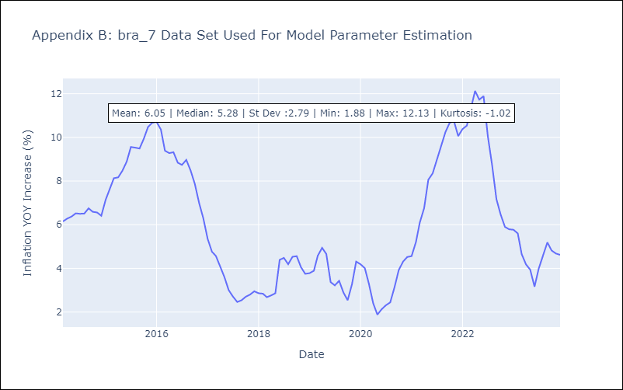

Appendix C: Residuals Analysis
Mean | 0.01
White Noise? | No - Correlation at Lags [12]
Normal? | No

