bra
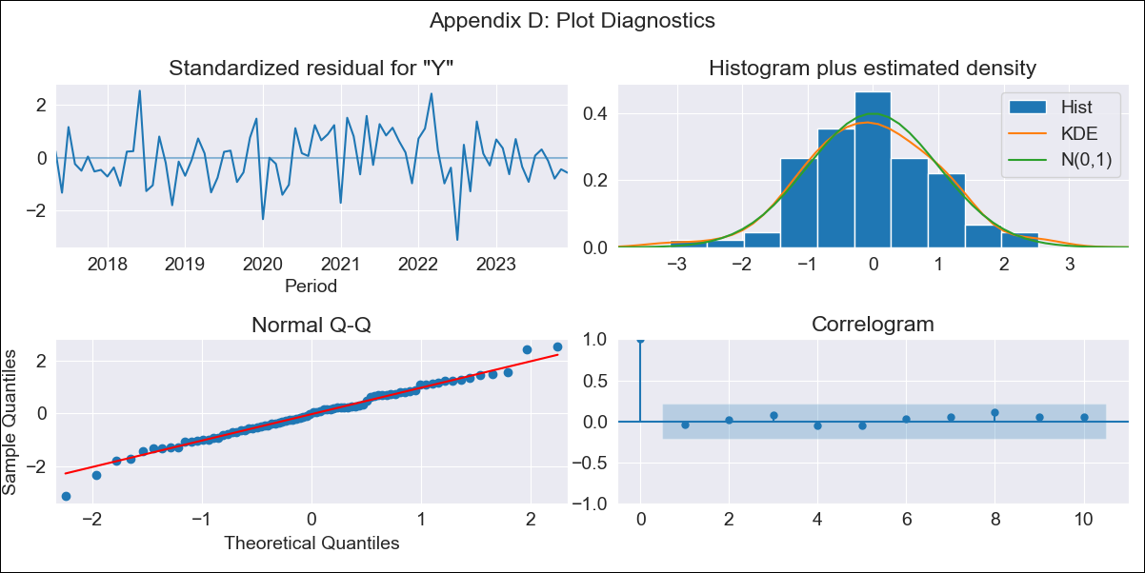
bra - Inflation - Next 12 months forecast as of: 2023-12-01

Model | ARIMA - [(1, 1, 0), (3, 0, 0, 12)]
Training Data | 2014-03-01 to 2023-01-01
Test Data | 2023-01-01 to 2023-12-01

Date | Inflation Change YoY % | Lower Bound - 95% Confidence Interval | Upper Bound - 95% Confidence Interval
2024-01-01 | 4.11 | 3.33 | 4.9
2024-02-01 | 3.68 | 2.18 | 5.18
2024-03-01 | 3.48 | 1.29 | 5.67
2024-04-01 | 2.99 | 0.16 | 5.82
2024-05-01 | 2.82 | -0.61 | 6.25
2024-06-01 | 3.21 | -0.76 | 7.18
2024-07-01 | 3.35 | -1.12 | 7.83
2024-08-01 | 3.36 | -1.58 | 8.3
2024-09-01 | 3.59 | -1.78 | 8.96
2024-10-01 | 4.14 | -1.63 | 9.92
2024-11-01 | 4.58 | -1.58 | 10.74
2024-12-01 | 4.99 | -1.53 | 11.51

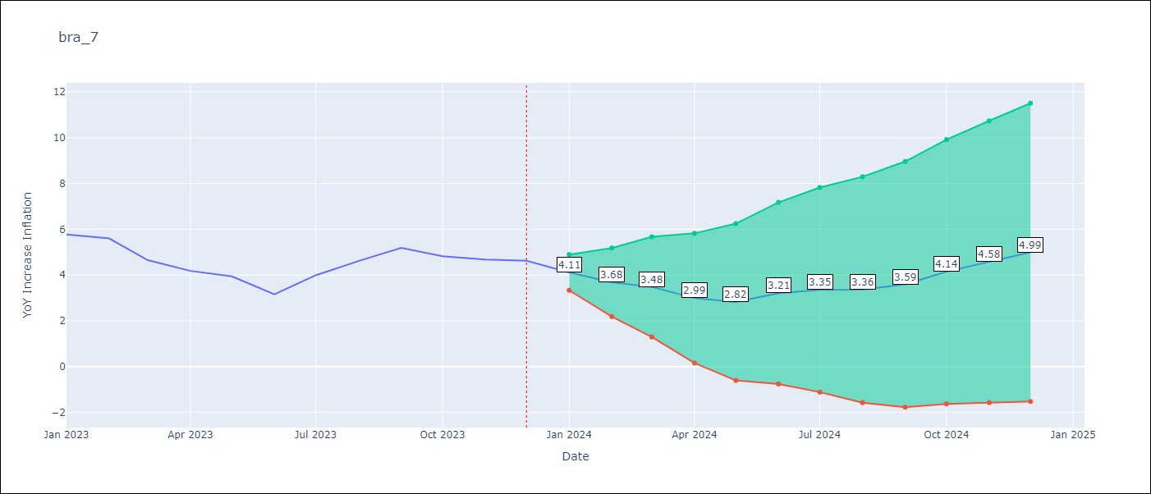

Test Metrics
RMSE | 0.62
Naive RMSE | 1.38
MAPE | 12.68%

Test Predictions
Date | Predicted | Actual
2023-01-01 | 5.46 | 5.77
2023-02-01 | 4.96 | 5.6
2023-03-01 | 4.02 | 4.65
2023-04-01 | 3.26 | 4.18
2023-05-01 | 2.98 | 3.94
2023-06-01 | 2.57 | 3.16
2023-07-01 | 3.59 | 3.99
2023-08-01 | 4.21 | 4.61
2023-09-01 | 4.86 | 5.19
2023-10-01 | 4.88 | 4.82
2023-11-01 | 5.15 | 4.68
2023-12-01 | 5.57 | 4.62

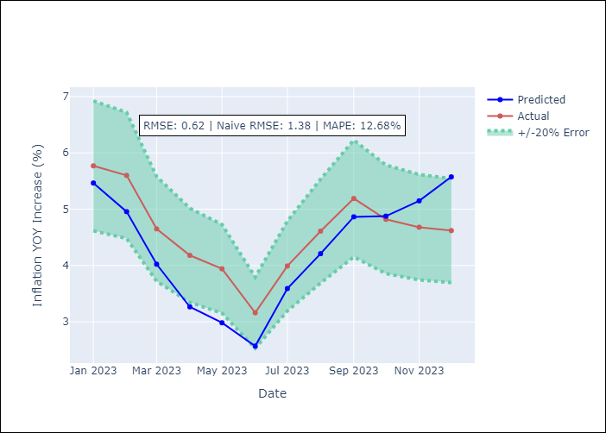

Appendix A: Model Summary
Model | ARIMA(1, 1, 0)x(3, 0, 0, 12)
Sample | 03-01-2014- 12-01-2023
No. of Observations | 118
Terms | P-value (Statistical significance)
ar.L1 | 0.000
ar.S.L12 | 0.000
ar.S.L24 | 0.000
ar.S.L36 | 0.000
sigma2 | 0.000
Assumptions | P-value
Ljung-Box (L1) | 0.74
Heteroskedasticity | 0.60
Jarque-Bera | 0.63
Skew | -0.13
Kurtosis | 3.47

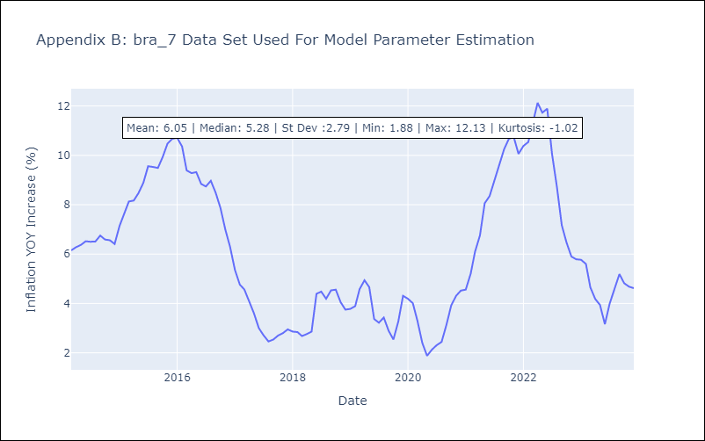

Appendix C: Residuals Analysis
Mean | 0.05
White Noise? | No - Correlation at Lags [ 1 2 12]
Normal? | No

