mex
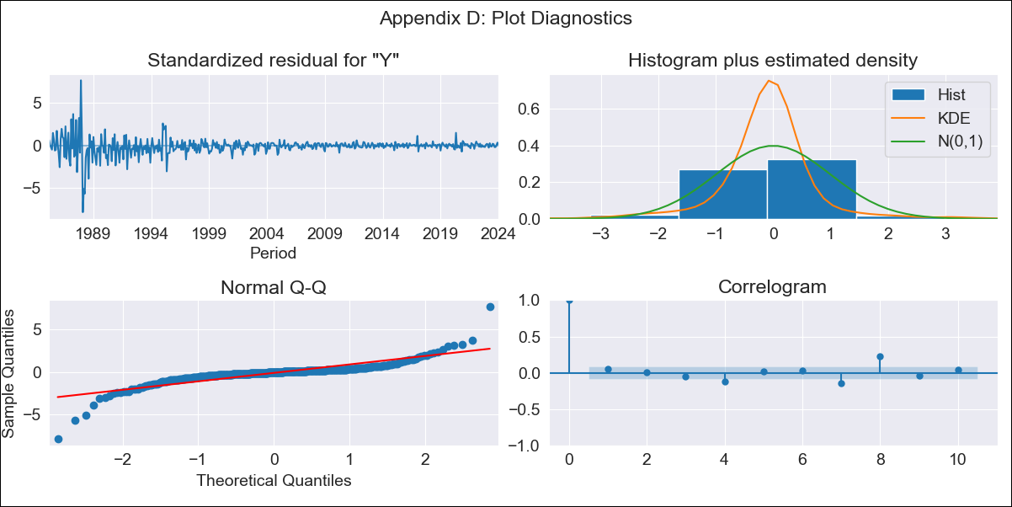
mex - Inflation - Next 12 months forecast as of: 2024-01-01

Model | ARIMA - [(1, 1, 0), (1, 0, 2, 12)]
Training Data | 1983-01-01 to 2023-02-01
Test Data | 2023-02-01 to 2024-01-01

Date | Inflation Change YoY % | Lower Bound - 95% Confidence Interval | Upper Bound - 95% Confidence Interval
2024-02-01 | 4.98 | 2.78 | 7.17
2024-03-01 | 5.38 | 0.65 | 10.1
2024-04-01 | 5.45 | -2.17 | 13.07
2024-05-01 | 5.67 | -5.1 | 16.44
2024-06-01 | 6.02 | -8.06 | 20.11
2024-07-01 | 6.12 | -11.41 | 23.64
2024-08-01 | 6.01 | -15.02 | 27.04
2024-09-01 | 6.13 | -18.44 | 30.7
2024-10-01 | 6.46 | -21.67 | 34.6
2024-11-01 | 6.7 | -24.99 | 38.4
2024-12-01 | 6.56 | -28.69 | 41.8
2025-01-01 | 6.34 | -32.43 | 45.1

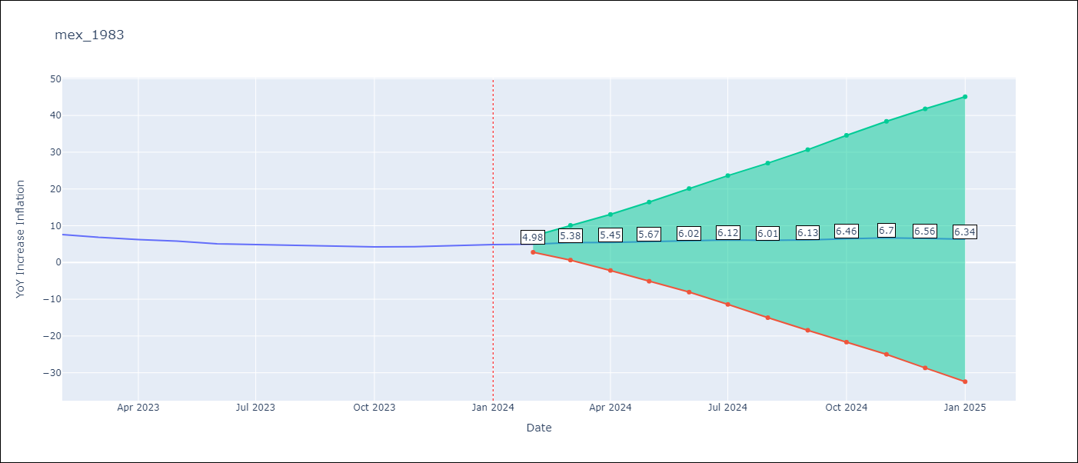

Test Metrics
RMSE | 0.14
Naive RMSE | 2.81
MAPE | 2.37%

Test Predictions
Date | Predicted | Actual
2023-02-01 | 7.49 | 7.62
2023-03-01 | 6.9 | 6.85
2023-04-01 | 6.19 | 6.25
2023-05-01 | 5.79 | 5.84
2023-06-01 | 5.18 | 5.06
2023-07-01 | 4.84 | 4.79
2023-08-01 | 4.46 | 4.64
2023-09-01 | 4.29 | 4.45
2023-10-01 | 4.33 | 4.26
2023-11-01 | 4.56 | 4.32
2023-12-01 | 4.7 | 4.66
2024-01-01 | 4.62 | 4.88

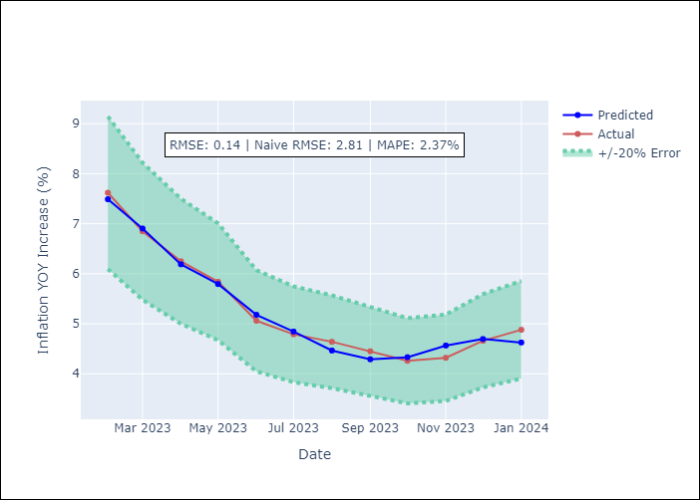

Appendix A: Model Summary
Model | ARIMA(1, 1, 0)x(1, 0, [1, 2], 12)
Sample | 01-01-1983- 01-01-2024
No. of Observations | 493
Terms | P-value (Statistical significance)
ar.L1 | 0.000
ar.S.L12 | 0.000
ma.S.L12 | 0.000
ma.S.L24 | 0.000
sigma2 | 0.000
Assumptions | P-value
Ljung-Box (L1) | 0.21
Heteroskedasticity | 0.00
Jarque-Bera | 0.00
Skew | -0.60
Kurtosis | 22.57

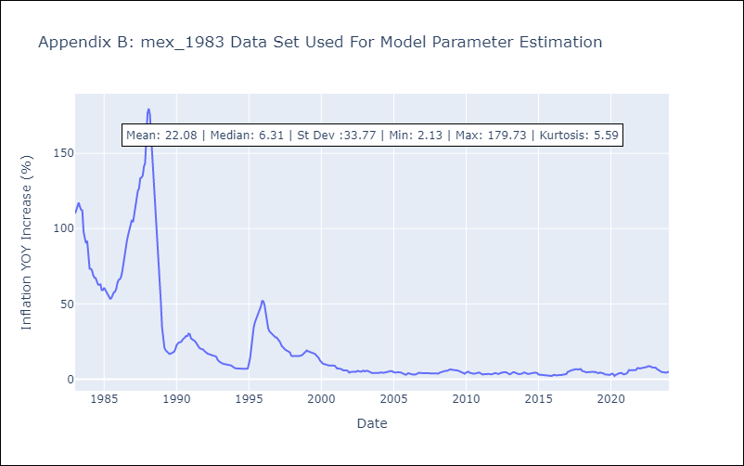

Appendix C: Residuals Analysis
Mean | -0.03
White Noise? | No - Correlation at Lags [ 1 2 3 4 5 6 7 8 9 10 11 12]
Normal? | No

