mex
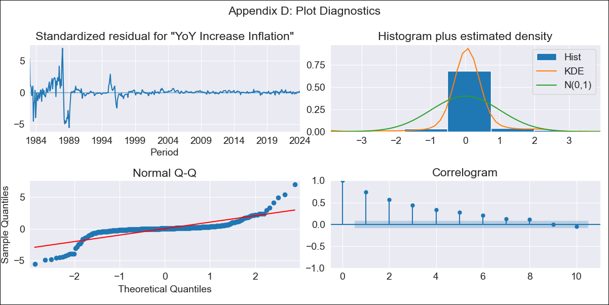
mex - Inflation - Next 12 months forecast as of: 2024-01-01

Model | VARMAX - (1, 1, 0, 1, 0, 2, 12) | Exogenous Variables | Core, Non-Core
Training Data | 1983-01-01 to 2023-02-01
Test Data | 2023-02-01 to 2024-01-01

Date | Inflation Change YoY % | Lower Bound - 95% Confidence Interval | Upper Bound - 95% Confidence Interval
2024-02-01 | 4.87 | -0.52 | 10.26
2024-03-01 | 4.84 | -2.7 | 12.39
2024-04-01 | 4.8 | -4.43 | 14.03
2024-05-01 | 4.76 | -5.91 | 15.42
2024-06-01 | 4.71 | -7.23 | 16.65
2024-07-01 | 4.66 | -8.43 | 17.75
2024-08-01 | 4.61 | -9.53 | 18.75
2024-09-01 | 4.56 | -10.53 | 19.66
2024-10-01 | 4.51 | -11.47 | 20.5
2024-11-01 | 4.46 | -12.34 | 21.27
2024-12-01 | 4.42 | -13.16 | 22
2025-01-01 | 4.37 | -13.93 | 22.67

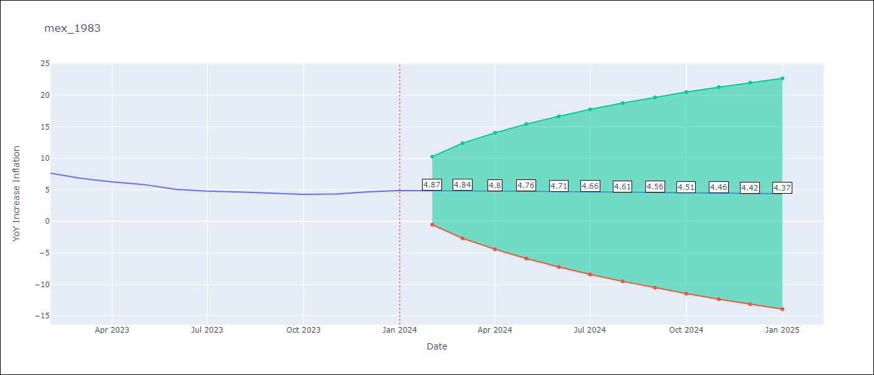

Test Metrics
RMSE | 2.17
Naive RMSE | 2.81
MAPE | 43.12%

Test Predictions
Date | Predicted | Actual
2023-02-01 | 7.73 | 7.62
2023-03-01 | 7.61 | 6.85
2023-04-01 | 7.52 | 6.25
2023-05-01 | 7.45 | 5.84
2023-06-01 | 7.38 | 5.06
2023-07-01 | 7.32 | 4.79
2023-08-01 | 7.26 | 4.64
2023-09-01 | 7.19 | 4.45
2023-10-01 | 7.13 | 4.26
2023-11-01 | 7.07 | 4.32
2023-12-01 | 7 | 4.66
2024-01-01 | 6.93 | 4.88

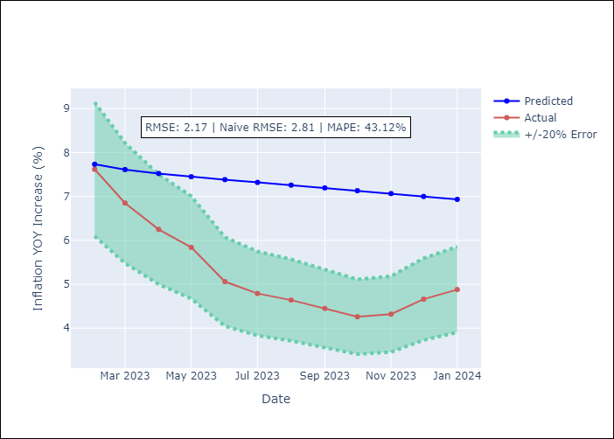

Appendix A: Model Summary
Model | VAR(1)
Sample | - 01-01-2024opg
No. of Observations | 493
Terms | P-value (Statistical significance)
L1.YoY Increase Inflation | 0.000
L1.Core | 0.000
L1.Non-Core | 0.000
Assumptions | P-value
Ljung-Box (L1) | 0.00, 0.00, 0.59
Heteroskedasticity | 0.00, 0.00, 0.00
Jarque-Bera | 0.00, 0.00, 0.00
Skew | -0.50, -0.08, 1.52
Kurtosis | 17.76, 14.55, 29.64

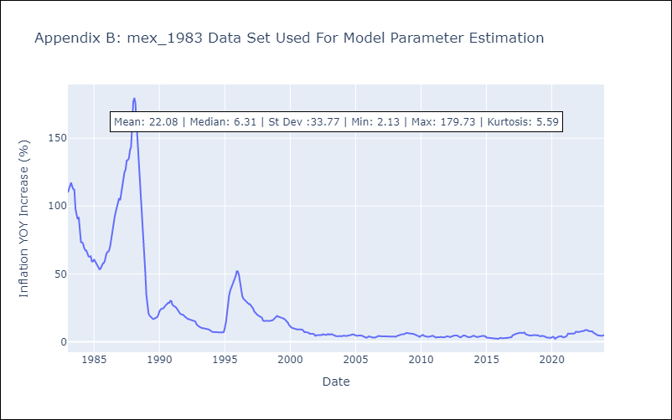

Appendix C: Residuals Analysis
Mean | 0.31
White Noise? | No - Correlation at Lags [ 1 2 3 4 5 6 7 8 9 10 11 12]
Normal? | No

