mex
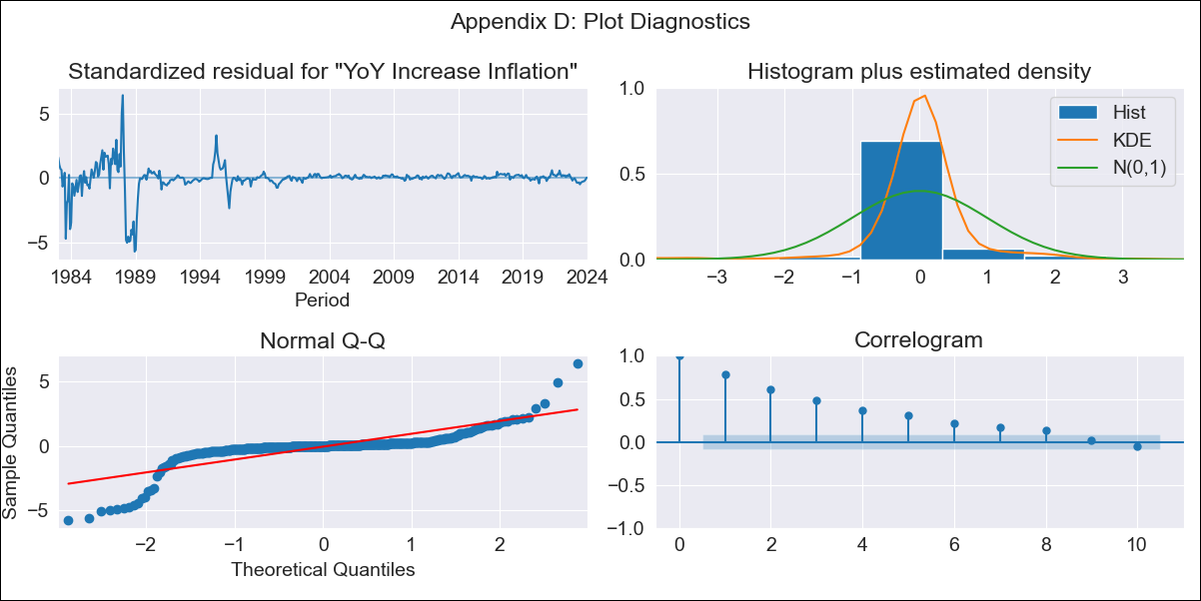
mex - Inflation - Next 12 months forecast as of: 2024-01-01

Model | VARMAX - (1, 1, 0, 1, 0, 2, 12) | Exogenous Variables | Core
Training Data | 1983-01-01 to 2023-02-01
Test Data | 2023-02-01 to 2024-01-01

Date | Inflation Change YoY % | Lower Bound - 95% Confidence Interval | Upper Bound - 95% Confidence Interval
2024-02-01 | 4.83 | -0.71 | 10.37
2024-03-01 | 4.79 | -2.92 | 12.51
2024-04-01 | 4.77 | -4.58 | 14.12
2024-05-01 | 4.75 | -5.98 | 15.47
2024-06-01 | 4.73 | -7.21 | 16.67
2024-07-01 | 4.72 | -8.33 | 17.77
2024-08-01 | 4.71 | -9.35 | 18.77
2024-09-01 | 4.7 | -10.31 | 19.72
2024-10-01 | 4.7 | -11.21 | 20.6
2024-11-01 | 4.69 | -12.06 | 21.44
2024-12-01 | 4.69 | -12.87 | 22.24
2025-01-01 | 4.68 | -13.64 | 23.01

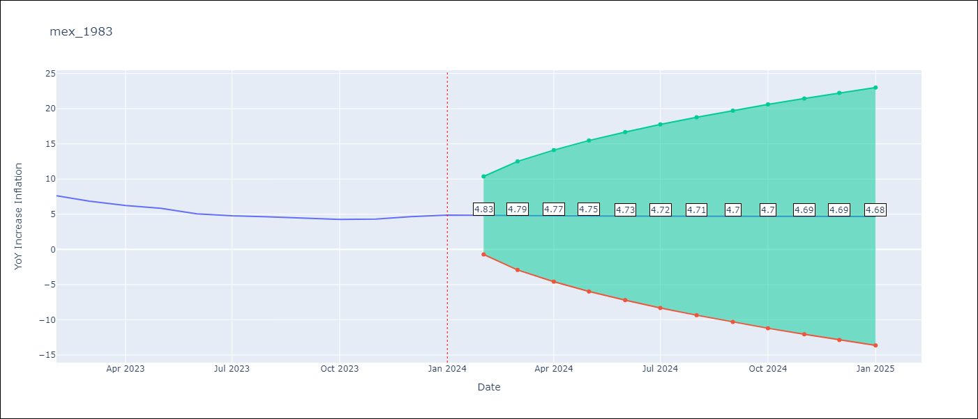

Test Metrics
RMSE | 3.44
Naive RMSE | 2.81
MAPE | 66.4%

Test Predictions
Date | Predicted | Actual
2023-02-01 | 8.15 | 7.62
2023-03-01 | 8.32 | 6.85
2023-04-01 | 8.43 | 6.25
2023-05-01 | 8.51 | 5.84
2023-06-01 | 8.56 | 5.06
2023-07-01 | 8.59 | 4.79
2023-08-01 | 8.62 | 4.64
2023-09-01 | 8.63 | 4.45
2023-10-01 | 8.64 | 4.26
2023-11-01 | 8.64 | 4.32
2023-12-01 | 8.64 | 4.66
2024-01-01 | 8.64 | 4.88

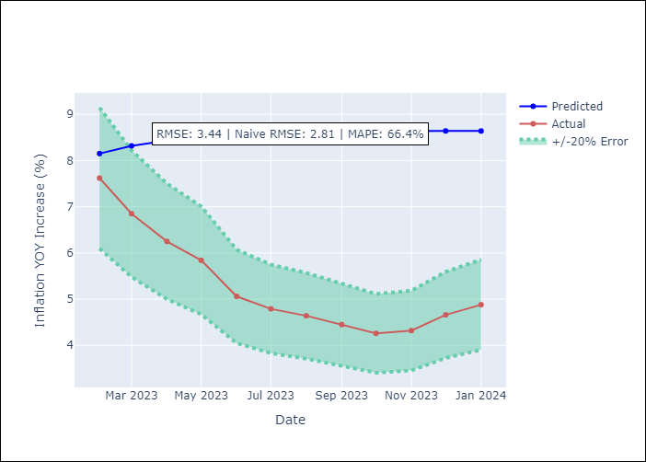

Appendix A: Model Summary
Model | VAR(1)
Sample | - 01-01-2024opg
No. of Observations | 493
Terms | P-value (Statistical significance)
L1.YoY Increase Inflation | 0.000
L1.Core | 0.000
Assumptions | P-value
Ljung-Box (L1) | 0.00, 0.00
Heteroskedasticity | 0.00, 0.00
Jarque-Bera | 0.00, 0.00
Skew | -1.65, -0.34
Kurtosis | 18.88, 14.37

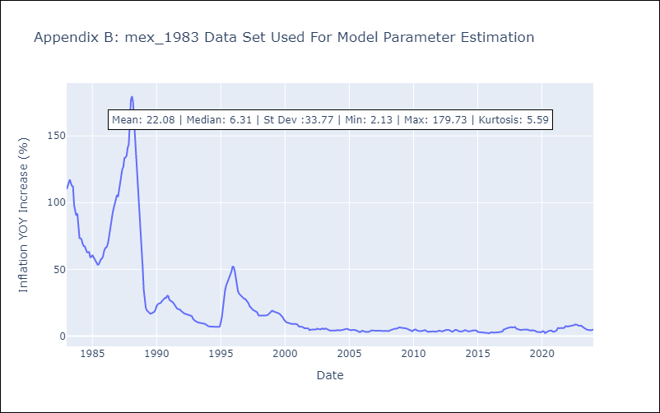

Appendix C: Residuals Analysis
Mean | 0.11
White Noise? | No - Correlation at Lags [ 1 2 3 4 5 6 7 8 9 10 11 12]
Normal? | No

