mex
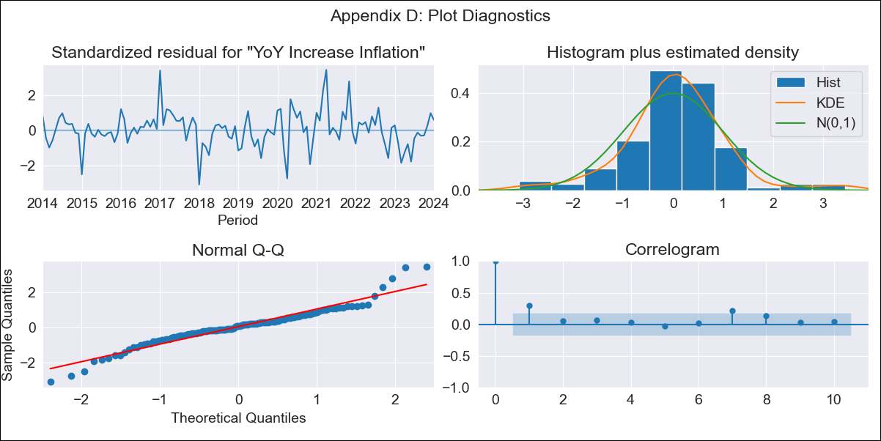
mex - Inflation - Next 12 months forecast as of: 2024-01-01

Model | VARMAX - (1, 1, 0, 3, 0, 0, 12) | Exogenous Variables | Core, Non-Core
Training Data | 2014-01-01 to 2023-02-01
Test Data | 2023-02-01 to 2024-01-01

Date | Inflation Change YoY % | Lower Bound - 95% Confidence Interval | Upper Bound - 95% Confidence Interval
2024-02-01 | 4.89 | 4.11 | 5.68
2024-03-01 | 4.9 | 3.79 | 6.01
2024-04-01 | 4.9 | 3.54 | 6.26
2024-05-01 | 4.9 | 3.32 | 6.47
2024-06-01 | 4.89 | 3.13 | 6.66
2024-07-01 | 4.88 | 2.94 | 6.82
2024-08-01 | 4.87 | 2.77 | 6.98
2024-09-01 | 4.86 | 2.61 | 7.12
2024-10-01 | 4.85 | 2.45 | 7.25
2024-11-01 | 4.84 | 2.3 | 7.37
2024-12-01 | 4.82 | 2.16 | 7.49
2025-01-01 | 4.81 | 2.02 | 7.6

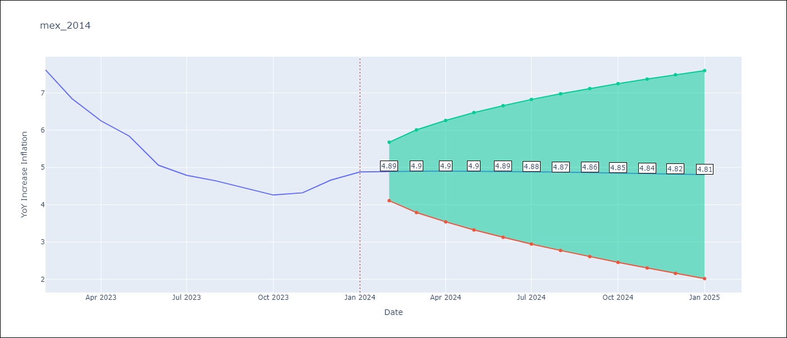

Test Metrics
RMSE | 2.34
Naive RMSE | 2.81
MAPE | 45.28%

Test Predictions
Date | Predicted | Actual
2023-02-01 | 7.7 | 7.62
2023-03-01 | 7.54 | 6.85
2023-04-01 | 7.42 | 6.25
2023-05-01 | 7.35 | 5.84
2023-06-01 | 7.31 | 5.06
2023-07-01 | 7.3 | 4.79
2023-08-01 | 7.32 | 4.64
2023-09-01 | 7.35 | 4.45
2023-10-01 | 7.39 | 4.26
2023-11-01 | 7.44 | 4.32
2023-12-01 | 7.48 | 4.66
2024-01-01 | 7.51 | 4.88

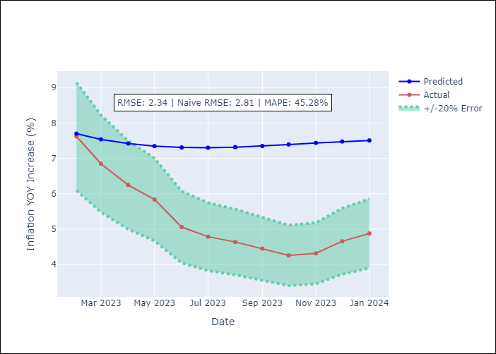

Appendix A: Model Summary
Model | VAR(1)
Sample | - 01-01-2024opg
No. of Observations | 121
Terms | P-value (Statistical significance)
L1.YoY Increase Inflation | 0.333
L1.Core | 0.535
L1.Non-Core | 0.539
Assumptions | P-value
Ljung-Box (L1) | 0.00, 0.00, 0.46
Heteroskedasticity | 0.09, 0.48, 0.02
Jarque-Bera | 0.00, 0.00, 0.00
Skew | 0.16, -0.98, 1.00
Kurtosis | 5.36, 5.73, 6.88

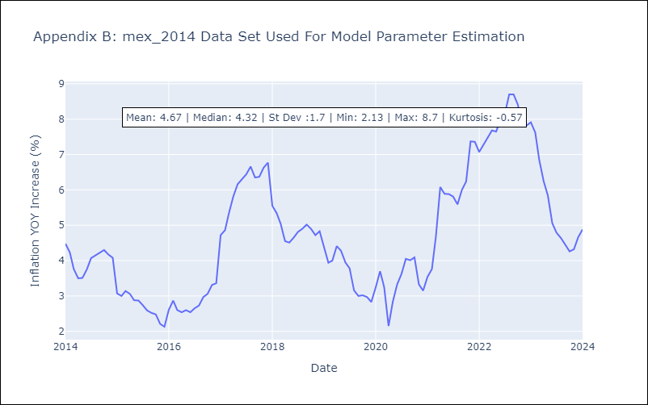

Appendix C: Residuals Analysis
Mean | 0.05
White Noise? | Yes
Normal? | No

