MEX5
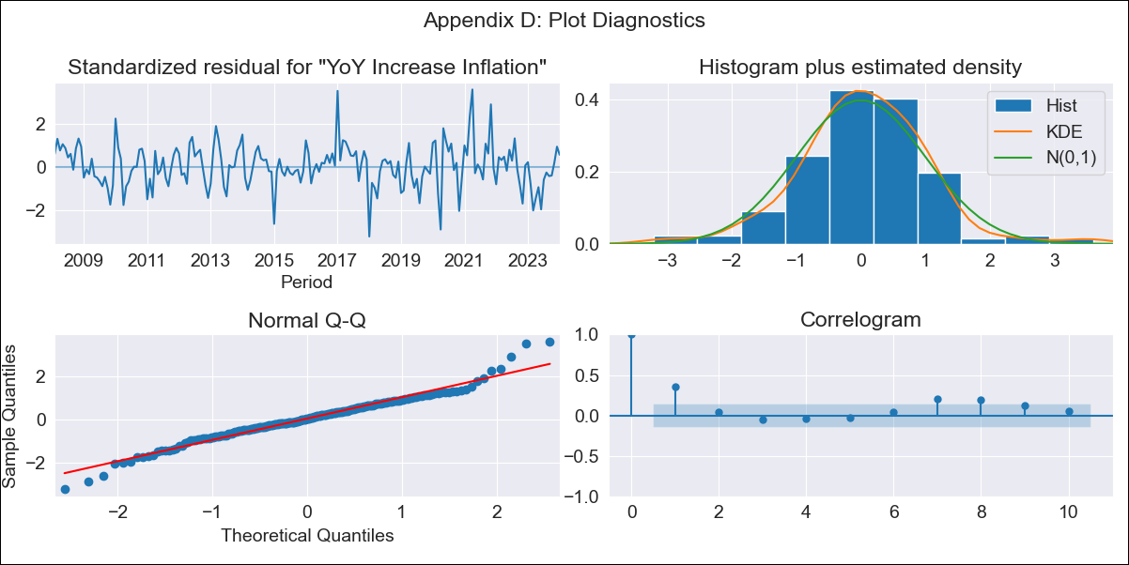
MEX5 - Inflation - Next 12 months forecast as of: 2024-01-01

Model | VARMAX - (1, 1, 0, 2, 0, 2, 12) | Exogenous Variables | Core, Non-Core
Training Data | 2008-02-01 to 2023-02-01
Test Data | 2023-02-01 to 2024-01-01

Date | Inflation Change YoY % | Lower Bound - 95% Confidence Interval | Upper Bound - 95% Confidence Interval
2024-02-01 | 4.9 | 4.15 | 5.65
2024-03-01 | 4.91 | 3.87 | 5.96
2024-04-01 | 4.93 | 3.65 | 6.2
2024-05-01 | 4.93 | 3.47 | 6.4
2024-06-01 | 4.94 | 3.31 | 6.57
2024-07-01 | 4.94 | 3.16 | 6.72
2024-08-01 | 4.94 | 3.02 | 6.86
2024-09-01 | 4.94 | 2.89 | 6.98
2024-10-01 | 4.93 | 2.77 | 7.1
2024-11-01 | 4.93 | 2.65 | 7.21
2024-12-01 | 4.92 | 2.53 | 7.32
2025-01-01 | 4.92 | 2.42 | 7.41

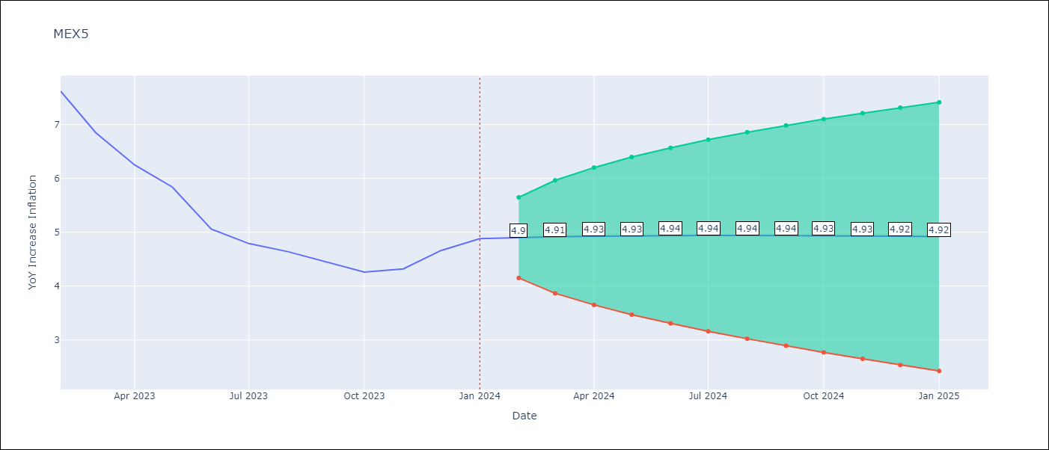

Test Metrics
RMSE | 1.63
Naive RMSE | 2.81
MAPE | 42.92%

Test Predictions
Date | Predicted | Actual
2023-02-01 | 8.99 | 7.62
2023-03-01 | 8.99 | 6.85
2023-04-01 | 8.5 | 6.25
2023-05-01 | 7.78 | 5.84
2023-06-01 | 6.98 | 5.06
2023-07-01 | 6.16 | 4.79
2023-08-01 | 5.38 | 4.64
2023-09-01 | 4.65 | 4.45
2023-10-01 | 3.98 | 4.26
2023-11-01 | 3.38 | 4.32
2023-12-01 | 2.85 | 4.66
2024-01-01 | 2.39 | 4.88

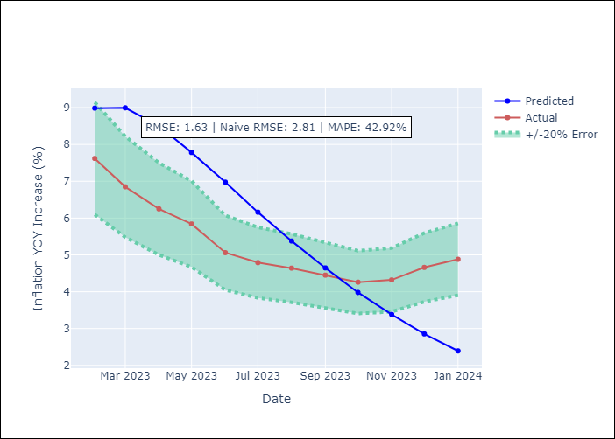

Appendix A: Model Summary
Model | VAR(1)
Sample | - 01-01-2024opg
No. of Observations | 192
Terms | P-value (Statistical significance)
L1.YoY Increase Inflation | 0.114
L1.Core | 0.349
L1.Non-Core | 0.347
Assumptions | P-value
Ljung-Box (L1) | 0.00, 0.00, 0.09
Heteroskedasticity | 0.04, 0.03, 0.89
Jarque-Bera | 0.00, 0.00, 0.00
Skew | 0.10, -0.66, 0.34
Kurtosis | 4.77, 5.07, 4.10

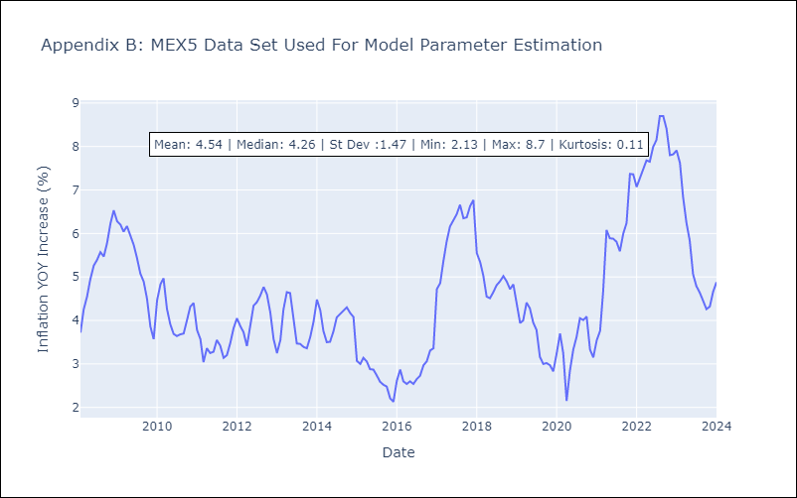

Appendix C: Residuals Analysis
Mean | 0.04
White Noise? | No - Correlation at Lags [ 1 2 3 4 5 6 7 8 9 10 11 12]
Normal? | No

