MEX8
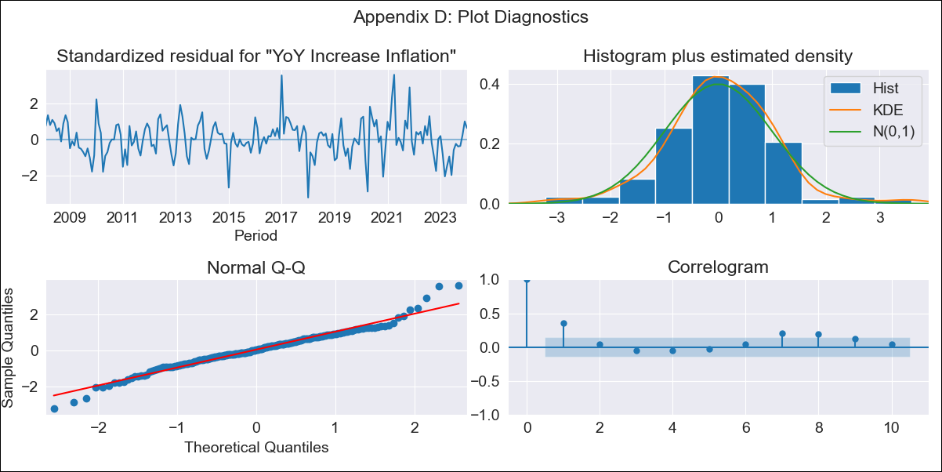
MEX8 - Inflation - Next 12 months forecast as of: 2024-01-01

Model | VARMAX - (1, 1, 0, 2, 0, 2, 12) | Exogenous Variables | Core, Non-Core, Target Rate
Training Data | 2008-02-01 to 2023-02-01
Test Data | 2023-02-01 to 2024-01-01

Date | Inflation Change YoY % | Lower Bound - 95% Confidence Interval | Upper Bound - 95% Confidence Interval
2024-02-01 | 4.87 | 4.12 | 5.62
2024-03-01 | 4.85 | 3.81 | 5.9
2024-04-01 | 4.83 | 3.56 | 6.11
2024-05-01 | 4.8 | 3.34 | 6.27
2024-06-01 | 4.77 | 3.14 | 6.4
2024-07-01 | 4.74 | 2.96 | 6.52
2024-08-01 | 4.7 | 2.78 | 6.63
2024-09-01 | 4.66 | 2.61 | 6.72
2024-10-01 | 4.62 | 2.45 | 6.8
2024-11-01 | 4.58 | 2.29 | 6.88
2024-12-01 | 4.54 | 2.13 | 6.95
2025-01-01 | 4.5 | 1.98 | 7.01

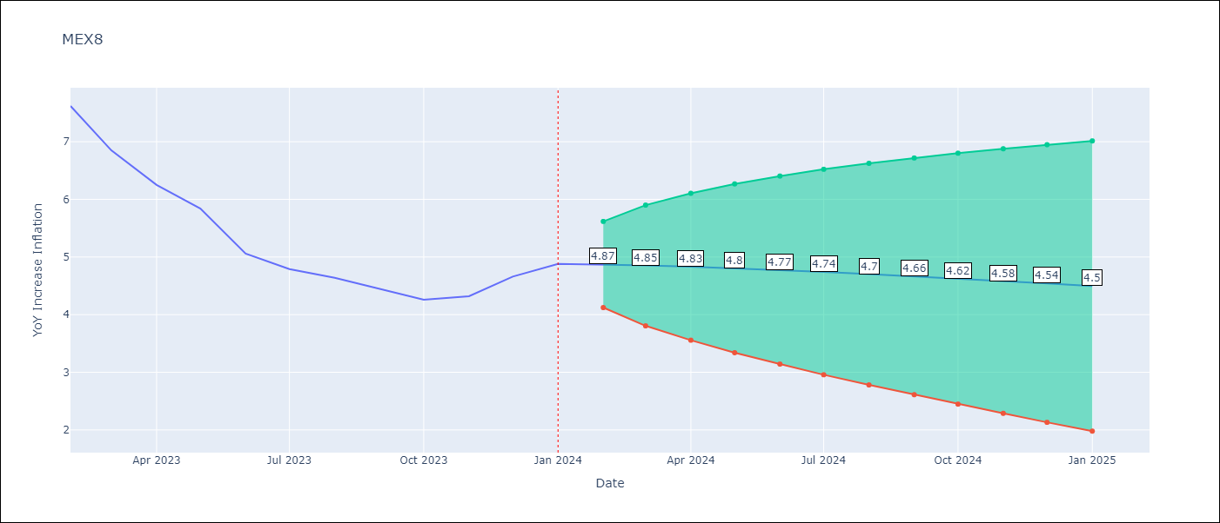

Test Metrics
RMSE | 1.63
Naive RMSE | 2.81
MAPE | 35.58%

Test Predictions
Date | Predicted | Actual
2023-02-01 | 7.78 | 7.62
2023-03-01 | 7.64 | 6.85
2023-04-01 | 7.49 | 6.25
2023-05-01 | 7.32 | 5.84
2023-06-01 | 7.14 | 5.06
2023-07-01 | 6.95 | 4.79
2023-08-01 | 6.75 | 4.64
2023-09-01 | 6.55 | 4.45
2023-10-01 | 6.34 | 4.26
2023-11-01 | 6.12 | 4.32
2023-12-01 | 5.9 | 4.66
2024-01-01 | 5.68 | 4.88

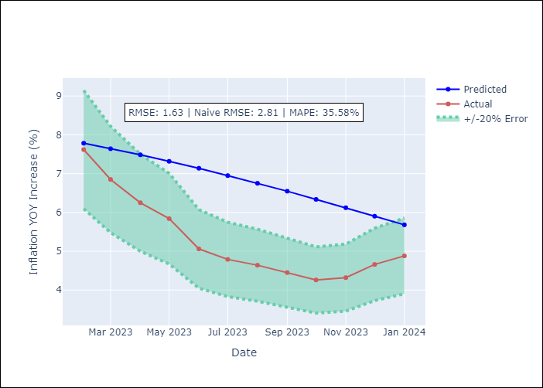

Appendix A: Model Summary
Model | VAR(1)
Sample | - 01-01-2024opg
No. of Observations | 192
Terms | P-value (Statistical significance)
L1.YoY Increase Inflation | 0.151
L1.Core | 0.407
L1.Non-Core | 0.398
L1.Target Rate | 0.808
Assumptions | P-value
Ljung-Box (L1) | 0.00, 0.01, 0.09, 0.00
Heteroskedasticity | 0.06, 0.20, 0.88, 0.19
Jarque-Bera | 0.00, 0.00, 0.00, 0.00
Skew | 0.10, -0.78, 0.34, -0.48
Kurtosis | 4.73, 5.57, 4.07, 5.19

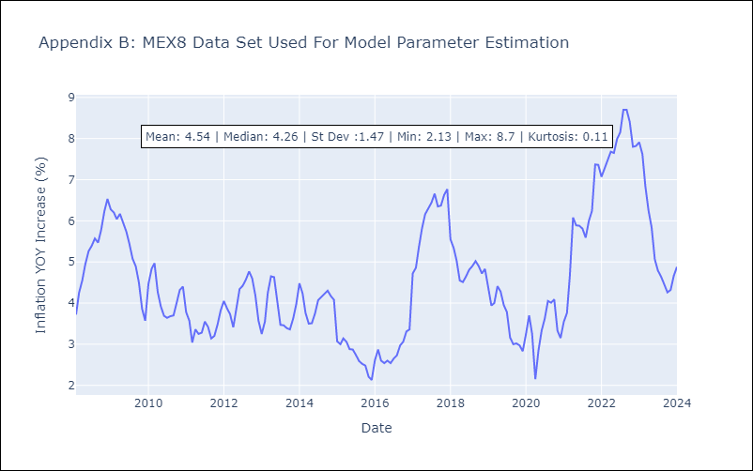

Appendix C: Residuals Analysis
Mean | 0.04
White Noise? | No - Correlation at Lags [ 1 2 3 4 5 6 7 8 9 10 11 12]
Normal? | No

